Sheet1
Final Kerr Measurements |  |  |  | at 9.30 mm |  | 10.75 mm is center |  |  | pre stage adjustments |  |  |  |  |  | Reference
Current | Vdc (ave) | 1 | 2 | 3 | V1f (ave) | 1 | 2 | 3 | V2f (ave) | 1 | 2 | 3 | Theta k | E k | B (kG) | theta k | theta deg | E k | E k deg
0 | 4.56 | 4.56 | 4.57 | 4.55 | 0.545 | 0.544 | 0.545 | 0.546 | 3.2553333333 | 3.256 | 3.256 | 3.254 | 0.00058454828592 | 8.1400563859E-05 | 0.20613650105 | 0.0028992655433 | 0.16611567932 | 0.00011287284417 | 0.0064671375928
50 | 4.5533333333 | 4.57 | 4.55 | 4.54 | 0.53966666667 | 0.54 | 1 | 0.539 | 3.26 | 3.26 | 3.258 | 3.262 | 0.00058624334307 | 8.0721998035E-05 | 0.76535878546 | 0.0029068506869 | 0.16655027603 | 0.00011095034918 | 0.0063569867437
100 | 4.542 | 4.54 | 4.54 | 4.546 | 0.543 | 0.542 | 0.544 | 0.543 | 3.2696666667 | 3.269 | 3.269 | 3.271 | 0.00058944884184 | 8.1423253775E-05 | 0.93205935957 | 0.0029083017593 | 0.16663341636 | 0.00010972867108 | 0.0062869897444
150 | 4.53 | 4.53 | 4.52 | 4.54 | 0.55133333333 | 0.552 | 0.55 | 0.552 | 3.2843333333 | 3.286 | 3.281 | 3.286 | 0.00059366137667 | 8.2891844214E-05 | 1.1543474249 | 0.0029094574149 | 0.16669963055 | 0.00010901220887 | 0.0062459394836
200 | 4.4833333333 | 4.47 | 4.48 | 4.5 | 0.55766666667 | 0.56 | 0.559 | 0.554 | 3.298 | 3.296 | 3.298 | 3.3 | 0.00060233679045 | 8.4716774137E-05 | 1.4636256176 | 0.0029088041384 | 0.16666220056 | 0.0001084218812 | 0.0062121161998
250 | 4.41 | 4.42 | 4.39 | 4.42 | 0.555 | 0.558 | 0.554 | 0.553 | 3.3 | 3.3 | 3.3 | 3.3 | 0.00061272432098 | 8.5713681173E-05 | 1.9162003063 | 0.0029133440433 | 0.16692231795 | 0.00010519563489 | 0.0060272659024
300 | 4.3166666667 | 4.33 | 4.29 | 4.33 | 0.56033333333 | 0.56 | 0.561 | 0.56 | 3.273 | 3.277 | 3.273 | 3.269 | 0.00062085082193 | 8.8408434159E-05 | 2.6131583534 | 0.0029201522934 | 0.16731240195 | 0.00010190834941 | 0.0058389183185
350 | 4.1766666667 | 4.16 | 4.17 | 4.2 | 0.55266666667 | 0.551 | 0.553 | 0.554 | 3.2193333333 | 3.218 | 3.218 | 3.222 | 0.00063114028102 | 9.0121665441E-05 | 2.8510146947 | 0.0029205532864 | 0.16733537716 | 0.00010126176974 | 0.005801872032
400 | 3.9333333333 | 3.93 | 3.91 | 3.96 | 0.50933333333 | 0.511 | 0.509 | 0.508 | 3.08 | 3.077 | 3.075 | 3.088 | 0.00064117965385 | 8.8193606094E-05

Kerr Ө vs I

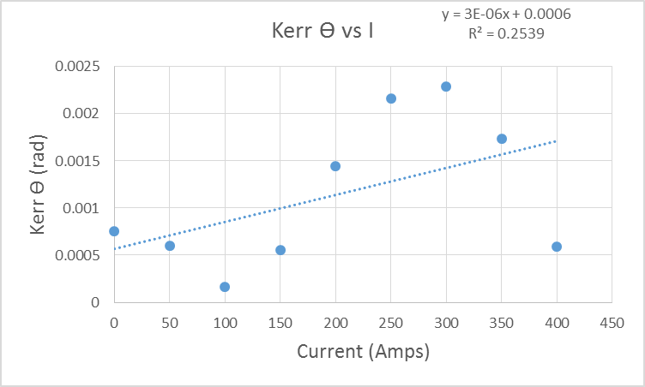

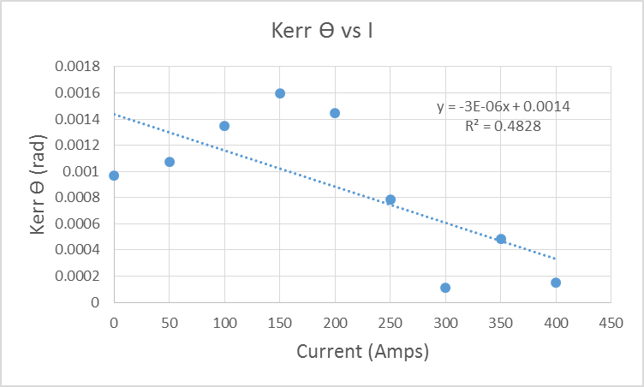
 |  |  |  |  |  |  |  |  |  |  |  | pat

