Sheet1
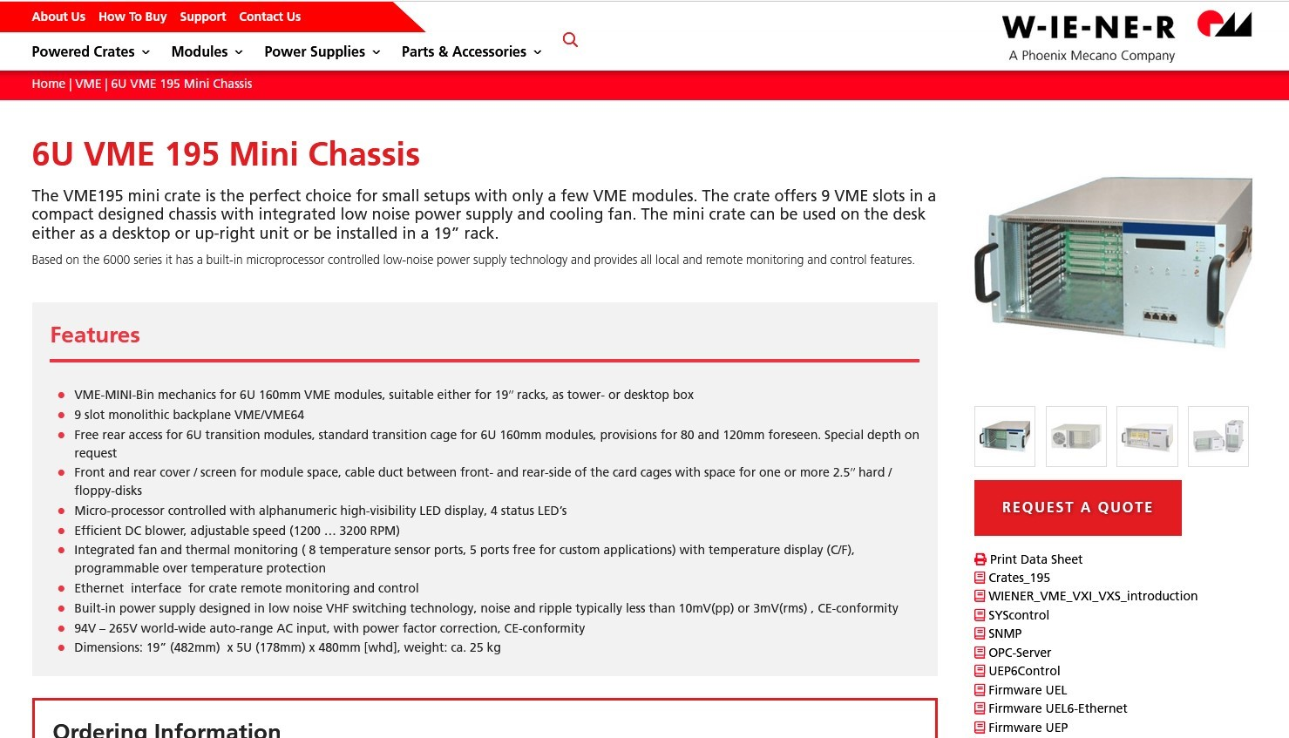
 | PORTABLE DAQ
ID# | Item | Description | Needed Quantity | On-site | To Order | Model# | Cost | Software | Ordered? | Notes | PR#PO#

1 | Portable Rack | Equipment rack | 2 | 2 |  | 405928 | $682.96 | N/A | On Site | 22U Height, 19" Rack width, 1000mm deep | Credit Card
2 | 5kV Power Supply | CAEN VME HV | 2 | 2 |  | V6533N | $6,323.00 |  | On Site | PO#: 22M0900
3 | Magnet Power Supply | programmable, bipolar | 2 | 2 |  | ? | ? | Used at CEBAF | No | To be specified. May sit next to the rack … ideally fits in the rack (get 6' or 8' rack if needed?
4 | Mini VME Crate | WEINER 7 slot '64x crate | 2 | 1 |  | VME.395x.2 | $11,790.00 |  | YES | PO#: 22P0894
5 | VME Controller | VME Single Board Computer | 2 | 1 |  | VP E24/412-12 | $2,888.00 |  | YES | Ordered Feb 22 | PO 22-M0685
6 | VME Digital-Analog-Converter (not needed anymore?) | DAC module | 2 |  |  | ? | ? |  | NO | 0-10VDC coaxial output? Other important specs needed. May not be required if Magnet power supply is programmed directly.
7 | VME NIM-ECL level translator | CAEN 6U single slot | 2 | 2 |  | V538AB | $2,700.00 | N/A | On Site | Ordered 2 / Delivered 4/18/2022 | PR# 409618
8 | Helicity Decoder Module | New module | 2 | 2 |  | HD-FEDAQ | $2,200.00 |  | YES | Production order in progress. FEDAQ group.
9 | Helicity Generator | EES designed and built | 2 | 2 |  | EES | $1,000.00 | Used at CEBAF | On Site | EGG inventory
10 | Ethernet Flash ADC-250MHz | 16 channel ADC | 2 | 2 |  | FEDAQ-EFADC | $3,500.00 |  | On Site | On site and tested
11 | EFADC250 Power supply | Power supply and cable | 2 | 2 |  | FEDAQ-EFADC | $1,800.00 |  | On Site | On site and tested
12 | Computer | DELL/LinuX | 2 | 1 |  | ? | $2,500.00 |  | Yes | Assume Linux OS; 1U Dell Server model assumed
14 | Cable Patch Panel |  | 2
15 | Signal cable + terminators
16 | HV cable + terminators
17 | Magnet cable + terminal block

Riad's Block Diagram
1
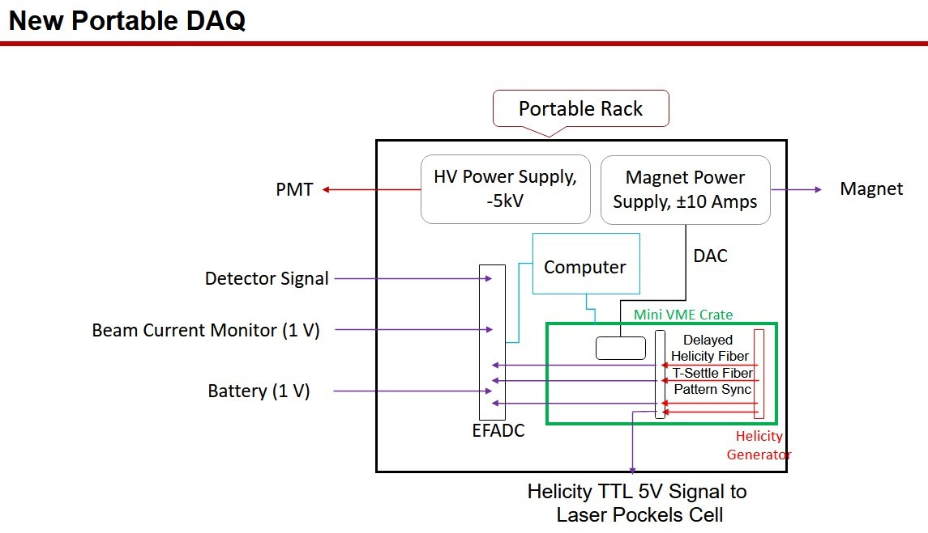

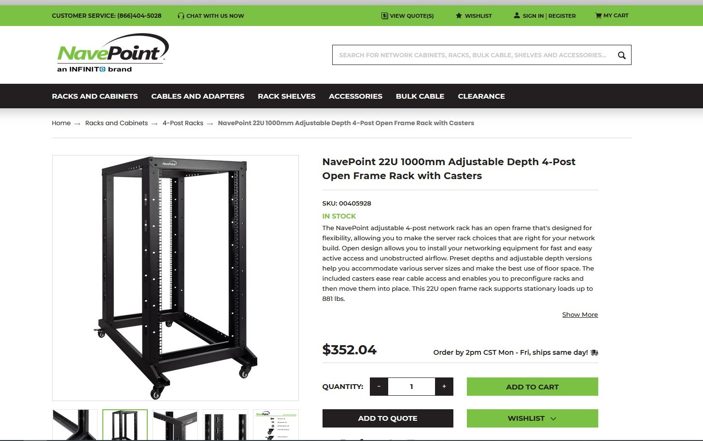

2
3

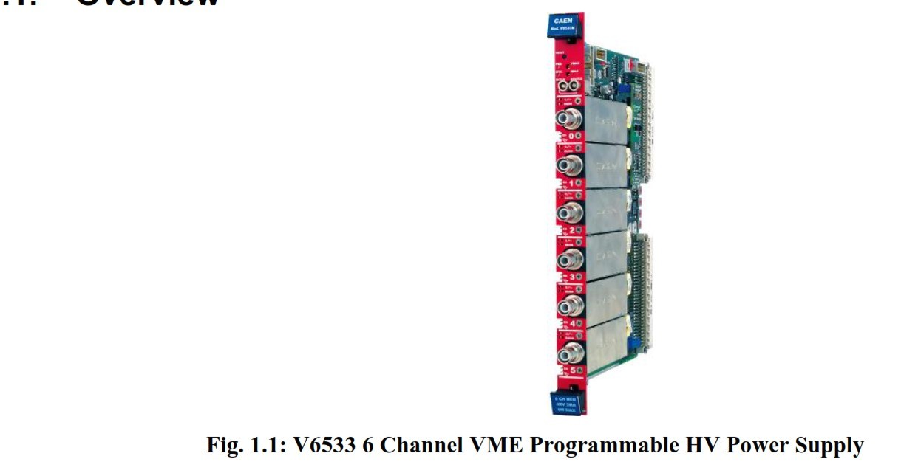

4

