Sheet1
Final Kerr Measurements |  |  |  | at 9.30 mm |  | 10.75 mm is center |  |  | pre stage adjustments |  |  |  |  |  | Reference
Current | Vdc (ave) | 1 | 2 | 3 | V1f (ave) | 1 | 2 | 3 | V2f (ave) | 1 | 2 | 3 | Theta k | E k | B (kG) | theta k | theta deg | E k | E k deg
0 | 7.5833333333 | 7.6 | 7.57 | 7.58 | 10.255 | 10.24 | 10.275 | 10.25 | 8.9386666667 | 8.942 | 8.919 | 8.955 | 0.00096516677824 | 0.00092102468902 | 0.20613650105 | 0.0028992655433 | 0.16611567932 | 0.00011287284417 | 0.0064671375928
50 | 7.5466666667 | 7.55 | 7.53 | 7.56 | 9.8166666667 | 9.769 | 10 | 9.833 | 9.893 | 9.928 | 9.88 | 9.871 | 0.0010734025189 | 0.0008859406524 | 0.76535878546 | 0.0029068506869 | 0.16655027603 | 0.00011095034918 | 0.0063569867437
100 | 7.45 | 7.46 | 7.44 | 7.45 | 7.7016666667 | 7.671 | 7.715 | 7.719 | 12.247666667 | 12.251 | 12.239 | 12.253 | 0.0013461295382 | 0.00070408355213 | 0.93205935957 | 0.0029083017593 | 0.16663341636 | 0.00010972867108 | 0.0062869897444
150 | 7.3533333333 | 7.39 | 7.33 | 7.34 | 2.8453333333 | 2.798 | 2.858 | 2.88 | 14.316333333 | 14.326 | 14.32 | 14.303 | 0.001594179856 | 0.00026353885332 | 1.1543474249 | 0.0029094574149 | 0.16669963055 | 0.00010901220887 | 0.0062459394836
200 | 7.2866666667 | 7.26 | 7.29 | 7.31 | 3.8546666667 | 3.846 | 3.874 | 3.844 | 12.875666667 | 12.907 | 12.878 | 12.842 | 0.0014468735943 | 0.00036029122014 | 1.4636256176 | 0.0029088041384 | 0.16666220056 | 0.0001084218812 | 0.0062121161998
250 | 7.0966666667 | 7.09 | 7.11 | 7.09 | 7.9083333333 | 7.9 | 7.911 | 7.914 | 6.7856666667 | 6.807 | 6.767 | 6.783 | 0.00078293892281 | 0.00075897297708 | 1.9162003063 | 0.0029133440433 | 0.16692231795 | 0.00010519563489 | 0.0060272659024
300 | 6.75 | 6.7 | 6.79 | 6.76 | 6.0836666667 | 6.113 | 6.075 | 6.063 | 0.92066666667 | 0.921 | 0.927 | 0.914 | 0.00011168334566 | 0.00061384311799 | 2.6131583534 | 0.0029201522934 | 0.16731240195 | 0.00010190834941 | 0.0058389183185
350 | 6.5233333333 | 6.58 | 6.46 | 6.53 | 0.937 | 0.879 | 0.944 | 0.988 | 3.8526666667 | 3.843 | 3.855 | 3.86 | 0.00048359481218 | 9.7828585378E-05 | 2.8510146947 | 0.0029205532864 | 0.16733537716 | 0.00010126176974 | 0.005801872032
400 | 6.21 | 6.19 | 6.26 | 6.18 | 7.1753333333 | 7.143 | 7.184 | 7.199 | 1.1456666667 | 1.125 | 1.15 | 1.162 | 0.00015106242288 | 0.00078694836006

Kerr Ө vs I

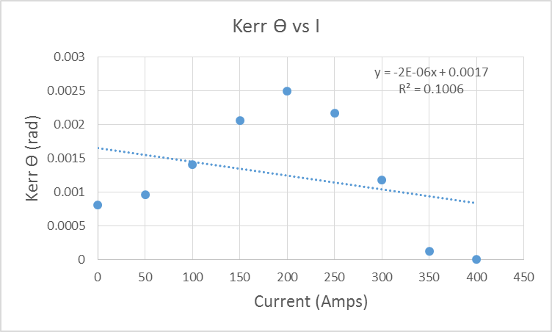

 |  |  |  |  |  |  |  |  |  |  |  | pat

