Sheet1
Final Kerr Measurements |  |  |  | at 9.30 mm |  | 10.75 mm is center |  |  | pre stage adjustments |  |  |  |  |  | Reference
Current | Vdc (ave) | 1 | 2 | 3 | V1f (ave) | 1 | 2 | 3 | V2f (ave) | 1 | 2 | 3 | Theta k | E k | B (kG) | theta k | theta deg | E k | E k deg
0 | 4.29 | 4.29 | 4.28 | 4.3 | 0.19066666667 | 0.193 | 0.19 | 0.189 | 2.2903333333 | 2.289 | 2.291 | 2.291 | 0.00043715069223 | 3.0270056775E-05 | 0.20613650105 | 0.0028992655433 | 0.16611567932 | 0.00011287284417 | 0.0064671375928
50 | 4.3 | 4.3 | 4.31 | 4.29 | 0.18366666667 | 0.183 | 0 | 0.183 | 2.2916666667 | 2.296 | 2.296 | 2.283 | 0.00043638796116 | 2.909093247E-05 | 0.76535878546 | 0.0029068506869 | 0.16655027603 | 0.00011095034918 | 0.0063569867437
100 | 4.3133333333 | 4.31 | 4.32 | 4.31 | 0.18066666667 | 0.179 | 0.181 | 0.182 | 2.279 | 2.279 | 2.275 | 2.283 | 0.0004326344238 | 2.8527306211E-05 | 0.93205935957 | 0.0029083017593 | 0.16663341636 | 0.00010972867108 | 0.0062869897444
150 | 4.32 | 4.33 | 4.32 | 4.31 | 0.175 | 0.173 | 0.176 | 0.176 | 2.2763333333 | 2.277 | 2.275 | 2.277 | 0.00043146133209 | 2.7589895498E-05 | 1.1543474249 | 0.0029094574149 | 0.16669963055 | 0.00010901220887 | 0.0062459394836
200 | 4.3133333333 | 4.32 | 4.31 | 4.31 | 0.16566666667 | 0.166 | 0.166 | 0.165 | 2.2503333333 | 2.251 | 2.249 | 2.251 | 0.00042719248136 | 2.6158802928E-05 | 1.4636256176 | 0.0029088041384 | 0.16666220056 | 0.0001084218812 | 0.0062121161998
250 | 4.2233333333 | 4.24 | 4.2 | 4.23 | 0.14833333333 | 0.149 | 0.148 | 0.148 | 2.1833333333 | 2.188 | 2.182 | 2.18 | 0.00042330602888 | 2.3920990012E-05 | 1.9162003063 | 0.0029133440433 | 0.16692231795 | 0.00010519563489 | 0.0060272659024
300 | 4.0766666667 | 4.09 | 4.08 | 4.06 | 0.13133333333 | 0.133 | 0.131 | 0.13 | 1.9963333333 | 2.003 | 1.993 | 1.993 | 0.00040097530356 | 2.1941459796E-05 | 2.6131583534 | 0.0029201522934 | 0.16731240195 | 0.00010190834941 | 0.0058389183185
350 | 3.5666666667 | 3.6 | 3.58 | 3.52 | 0.096 | 0.096 | 0.097 | 0.095 | 1.6346666667 | 1.65 | 1.64 | 1.614 | 0.00037528089236 | 1.8331772701E-05 | 2.8510146947 | 0.0029205532864 | 0.16733537716 | 0.00010126176974 | 0.005801872032
400 | 3.11 | 3.17 | 3.09 | 3.07 | 0.07 | 0.07 | 0.072 | 0.068 | 1.427 | 1.425 | 1.427 | 1.429 | 0.00037571051765 | 1.5329691132E-05

Kerr Ө vs I

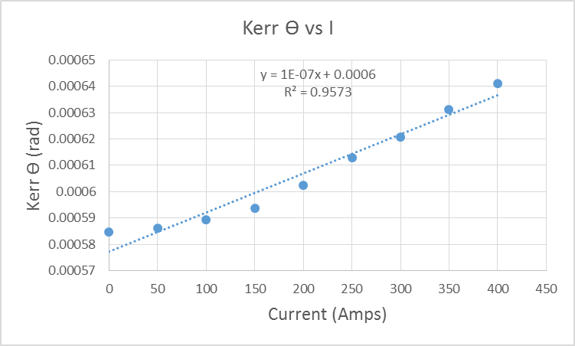
 |  |  |  |  |  |  |  |  |  |  |  | pat

