B vs I
! begin File Header |  |  |  | Index | Current (A) | Field (G)
MFX005001.stp | ! data file |  |  | 0 | 0.0 | 5.47
2021-09-30 | ! date |  |  | 16 | 0.5 | 62.49
9:13:49 | ! start time |  |  | 32 | 1.0 | 120.22
5.1 | ! stepper code version |  |  | 48 | 1.5 | 178.31
1 | ! number Z of currents |  |  | 64 | 2.0 | 236.68
1 | ! X number of points |  |  | 80 | 2.5 | 295.19
1 | ! Z number of points |  |  | 96 | 3.0 | 353.95
2 | ! number of devices |  |  | 112 | 3.5 | 412.72
44.82 | ! position [z] |  |  | 128 | 4.0 | 471.61
5.2 | ! position [x] |  |  | 144 | 4.5 | 530.51
0 | ! hall probe 1 offset |  |  | 160 | 5.0 | 589.38
Note: FX005-B v I, 0-8A (.5A increments) |  |  |  | 176 | 5.5 | 648.45
No field saturation found at 8A!
! end File Header |  |  |  | 192 | 6.0 | 707.45
! set curr | actual curr | Hall Probe #1 | Voltmeter | 208 | 6.5 | 766.43
0 | 0 | -5.47 | 0.000086 | 224 | 7.0 | 825.37
! begin File Header |  |  |  | 240 | 7.5 | 884.41
MFX005001.stp | ! data file |  |  | 256 | 8.0 | 943.57
2021-09-30 | ! date
FX B vs I at 8A
9:14:54 | ! start time
5.1 | ! stepper code version
1 | ! number Z of currents
1 | ! X number of points
1 | ! Z number of points
2 | ! number of devices
44.82 | ! position [z]
5.2 | ! position [x]
0 | ! hall probe 1 offset
Note: FX005-B v I, 0-8A (.5A increments)
! end File Header
! set curr | actual curr | Hall Probe #1 | Voltmeter
0 | 0 | -62.49 | 0.050168
! begin File Header
MFX005001.stp | ! data file
2021-09-30 | ! date
9:15:25 | ! start time
5.1 | ! stepper code version
1 | ! number Z of currents
1 | ! X number of points
1 | ! Z number of points
2 | ! number of devices
44.82 | ! position [z]
5.2 | ! position [x]
0 | ! hall probe 1 offset
Note: FX005-B v I, 0-8A (.5A increments)
! end File Header
! set curr | actual curr | Hall Probe #1 | Voltmeter
0 | 0 | -120.22 | 0.100193
! begin File Header
MFX005001.stp | ! data file
2021-09-30 | ! date
9:15:51 | ! start time
5.1 | ! stepper code version
1 | ! number Z of currents
1 | ! X number of points
1 | ! Z number of points
2 | ! number of devices
44.82 | ! position [z]
5.2 | ! position [x]
0 | ! hall probe 1 offset
Note: FX005-B v I, 0-8A (.5A increments)
! end File Header
! set curr | actual curr | Hall Probe #1 | Voltmeter
0 | 0 | -178.31 | 0.150215
! begin File Header
MFX005001.stp | ! data file
2021-09-30 | ! date
9:16:12 | ! start time
5.1 | ! stepper code version
1 | ! number Z of currents
1 | ! X number of points
1 | ! Z number of points
2 | ! number of devices
44.82 | ! position [z]
5.2 | ! position [x]
0 | ! hall probe 1 offset
Note: FX005-B v I, 0-8A (.5A increments)
! end File Header
! set curr | actual curr | Hall Probe #1 | Voltmeter
0 | 0 | -236.68 | 0.200247
! begin File Header
MFX005001.stp | ! data file
2021-09-30 | ! date
9:16:33 | ! start time
5.1 | ! stepper code version
1 | ! number Z of currents
1 | ! X number of points
1 | ! Z number of points
2 | ! number of devices
44.82 | ! position [z]
5.2 | ! position [x]
0 | ! hall probe 1 offset
Note: FX005-B v I, 0-8A (.5A increments)
! end File Header
! set curr | actual curr | Hall Probe #1 | Voltmeter
0 | 0 | -295.19 | 0.250224
! begin File Header
MFX005001.stp | ! data file
2021-09-30 | ! date
9:16:53 | ! start time
5.1 | ! stepper code version
1 | ! number Z of currents
1 | ! X number of points
1 | ! Z number of points
2 | ! number of devices
44.82 | ! position [z]
5.2 | ! position [x]
0 | ! hall probe 1 offset
Note: FX005-B v I, 0-8A (.5A increments)
! end File Header
! set curr | actual curr | Hall Probe #1 | Voltmeter
0 | 0 | -353.95 | 0.300319
! begin File Header
MFX005001.stp | ! data file
2021-09-30 | ! date
9:17:12 | ! start time
5.1 | ! stepper code version
1 | ! number Z of currents
1 | ! X number of points
1 | ! Z number of points
2 | ! number of devices
44.82 | ! position [z]
5.2 | ! position [x]
0 | ! hall probe 1 offset
Note: FX005-B v I, 0-8A (.5A increments)
! end File Header
! set curr | actual curr | Hall Probe #1 | Voltmeter
0 | 0 | -412.72 | 0.350337
! begin File Header
MFX005001.stp | ! data file
2021-09-30 | ! date
9:17:29 | ! start time
5.1 | ! stepper code version
1 | ! number Z of currents
1 | ! X number of points
1 | ! Z number of points
2 | ! number of devices
44.82 | ! position [z]
5.2 | ! position [x]
0 | ! hall probe 1 offset
Note: FX005-B v I, 0-8A (.5A increments)
! end File Header
! set curr | actual curr | Hall Probe #1 | Voltmeter
0 | 0 | -471.61 | 0.400336
! begin File Header
MFX005001.stp | ! data file
2021-09-30 | ! date
9:17:51 | ! start time
5.1 | ! stepper code version
1 | ! number Z of currents
1 | ! X number of points
1 | ! Z number of points
2 | ! number of devices
44.82 | ! position [z]
5.2 | ! position [x]
0 | ! hall probe 1 offset
Note: FX005-B v I, 0-8A (.5A increments)
! end File Header
! set curr | actual curr | Hall Probe #1 | Voltmeter
0 | 0 | -530.51 | 0.450362
! begin File Header
MFX005001.stp | ! data file
2021-09-30 | ! date
9:18:09 | ! start time
5.1 | ! stepper code version
1 | ! number Z of currents
1 | ! X number of points
1 | ! Z number of points
2 | ! number of devices
44.82 | ! position [z]
5.2 | ! position [x]
0 | ! hall probe 1 offset
Note: FX005-B v I, 0-8A (.5A increments)
! end File Header
! set curr | actual curr | Hall Probe #1 | Voltmeter
0 | 0 | -589.38 | 0.500359
! begin File Header
MFX005001.stp | ! data file
2021-09-30 | ! date
9:18:26 | ! start time
5.1 | ! stepper code version
1 | ! number Z of currents
1 | ! X number of points
1 | ! Z number of points
2 | ! number of devices
44.82 | ! position [z]
5.2 | ! position [x]
0 | ! hall probe 1 offset
Note: FX005-B v I, 0-8A (.5A increments)
! end File Header
! set curr | actual curr | Hall Probe #1 | Voltmeter
0 | 0 | -648.45 | 0.550468
! begin File Header
MFX005001.stp | ! data file
2021-09-30 | ! date
9:18:47 | ! start time
5.1 | ! stepper code version
1 | ! number Z of currents
1 | ! X number of points
1 | ! Z number of points
2 | ! number of devices
44.82 | ! position [z]
5.2 | ! position [x]
0 | ! hall probe 1 offset
Note: FX005-B v I, 0-8A (.5A increments)
! end File Header
! set curr | actual curr | Hall Probe #1 | Voltmeter
0 | 0 | -707.45 | 0.600485
! begin File Header
MFX005001.stp | ! data file
2021-09-30 | ! date
9:19:05 | ! start time
5.1 | ! stepper code version
1 | ! number Z of currents
1 | ! X number of points
1 | ! Z number of points
2 | ! number of devices
44.82 | ! position [z]
5.2 | ! position [x]
0 | ! hall probe 1 offset
Note: FX005-B v I, 0-8A (.5A increments)
! end File Header
! set curr | actual curr | Hall Probe #1 | Voltmeter
0 | 0 | -766.43 | 0.650496
! begin File Header
MFX005001.stp | ! data file
2021-09-30 | ! date
9:19:22 | ! start time
5.1 | ! stepper code version
1 | ! number Z of currents
1 | ! X number of points
1 | ! Z number of points
2 | ! number of devices
44.82 | ! position [z]
5.2 | ! position [x]
0 | ! hall probe 1 offset
Note: FX005-B v I, 0-8A (.5A increments)
! end File Header
! set curr | actual curr | Hall Probe #1 | Voltmeter
0 | 0 | -825.37 | 0.700517
! begin File Header
MFX005001.stp | ! data file
2021-09-30 | ! date
9:19:47 | ! start time
5.1 | ! stepper code version
1 | ! number Z of currents
1 | ! X number of points
1 | ! Z number of points
2 | ! number of devices
44.82 | ! position [z]
5.2 | ! position [x]
0 | ! hall probe 1 offset
Note: FX005-B v I, 0-8A (.5A increments)
! end File Header
! set curr | actual curr | Hall Probe #1 | Voltmeter
0 | 0 | -884.41 | 0.75053
! begin File Header
MFX005001.stp | ! data file
2021-09-30 | ! date
9:20:06 | ! start time
5.1 | ! stepper code version
1 | ! number Z of currents
1 | ! X number of points
1 | ! Z number of points
2 | ! number of devices
44.82 | ! position [z]
5.2 | ! position [x]
0 | ! hall probe 1 offset
Note: FX005-B v I, 0-8A (.5A increments)
! end File Header
! set curr | actual curr | Hall Probe #1 | Voltmeter
0 | 0 | -943.57 | 0.800652

FX Temperatures 8A max w LCW
FX #005 SOLENOID THERMAL DATA at 8A MAX WITH LCW
Staff: Mike Beck
Date: Sept. 30/2021
Flow: 2.6 gpm @ 110PSI

FX Temperatures with LCW
8A
7A
5.5A
**WITH LCW**House LCW Pressure: Supply=110PSI / Return=50PSI
Date-Time | Elapsed Time (hrs) | RTD 102 (UP) | RTD 103 (DOWN) | RTD 104 (BORE) | I (A) | Voltage
9/27/21 | 0.0 | 32.8 | 31.6 | 29.8 | 4.0 | 16.03
9/27/21 | 0.5 | 34.3 | 33.1 | 29.8 | 4.5 | 18.72
9/27/21 | 1.0 | 34.6 | 33.2 | 29.9 | 4.5 | 18.78
9/27/21 | 1.5 | 36.3 | 34.9 | 30.8 | 5.0 | 21.14
9/27/21 | 3.5 | 36.5 | 34.9 | 30.4 | 5.0 | 21.21
9/27/21 | 4.0 | 37.6 | 36.2 | 31.1 | 5.5 | 23.61
9/27/21 | 5.0 | 38.6 | 37.1 | 31.5 | 5.5 | 23.75
9/28/21 | 22.4 | 38 | 36.5 | 30.7 | 5.5 | 23.73
9/28/21 | 23.9 | 39.6 | 37.6 | 31 | 6.0 | 26.32
9/28/21 | 25.9 | 39.8 | 37.7 | 31.4 | 6.0 | 26.33 |  | 4.5 | 5 | 5.5 | 6 | 6.5 | 7 | 7.5 | 8
9/28/21 | 26.9 | 42 | 40 | 32.5 | 6.5 | 29.08 | 0 | 0.5 | 1.5 | 4 | 23.9 | 26.9 | 29.4 | 47.4 | 49.4
9/28/21 | 27.9 | 42.6 | 40.6 | 33.1 | 6.5 | 29.14 | 60 | 0.5 | 1.5 | 4 | 23.9 | 26.9 | 29.4 | 47.4 | 49.4
9/28/21 | 28.9 | 43 | 40.8 | 33.3 | 6.5 | 29.17
9/28/21 | 29.4 | 44.8 | 42.5 | 34.2 | 7 | 31.94
9/28/21 | 29.9 | 45.4 | 43.5 | 34.7 | 7 | 32.09
9/29/21 | 46.4 | 44.7 | 41.9 | 33.2 | 7 | 32.01
9/29/21 | 47.4 | 46.2 | 43.6 | 32.9 | 7.5 | 34.99
9/29/21 | 48.4 | 46.4 | 43.6 | 32.9 | 7.5 | 35.03
9/29/21 | 49.4 | 49.1 | 45.8 | 33.5 | 8 | 38.23
9/29/21 | 51.4 | 49.9 | 46.7 | 34.2 | 8 | 38.30
9/29/21 | 52.4 | 50.0 | 46.7 | 34.5 | 8 | 38.37
9/29/21 | 53.4 | 50.5 | 47.2 | 35.1 | 8 | 38.40
9/30/21 | 70.4 | 48.7 | 45.7 | 33.9 | 8 | 38.24

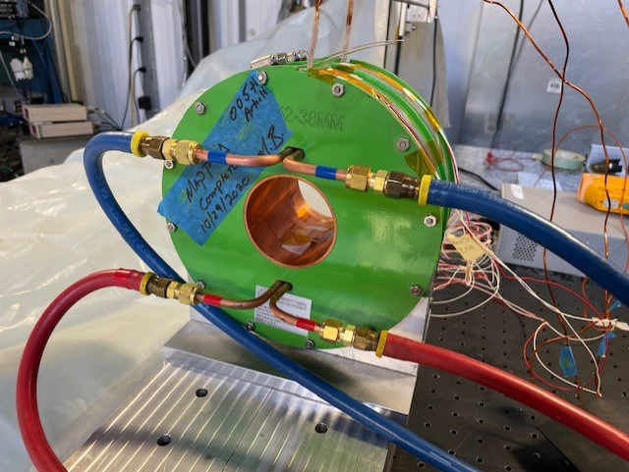
RTD 104 (BORE)
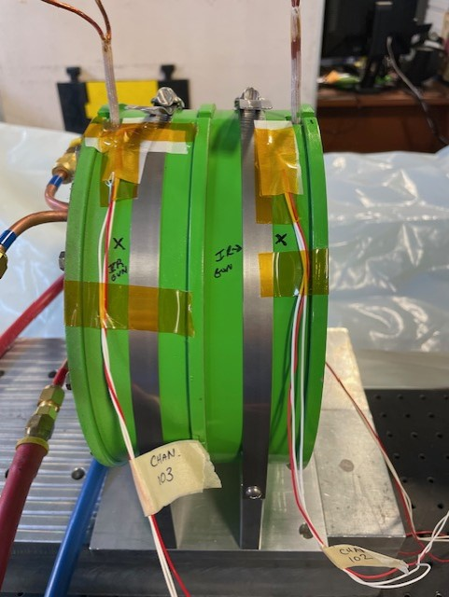
RTD 103 (DOWN)
RTD 102 (UP)

FX Temperatures 4A
FX Temperatures with LCW
FX Temperatures without LCW
FX #005 SOLENOID THERMAL DATA WITH AND WITHOUT LCW
Staff: Mike Beck
Date: Sept. 23/2021
Flow: 2.6 gpm @ 110PSI
**NO LCW**
Date-Time | Elapsed Time (hrs) | RTD 102 (UP) | RTD 103 (DOWN) | RTD 104 (BORE) | I (A) | Voltage
9/16/21 | 0 | 23.2 | 22.8 | 22.8 | 4 | 15.40
9/16/21 | 0.49999999988 | 24.7 | 24.2 | 24.2 | 4 | 16.10
9/16/21 | 1.5 | 36.1 | 34.9 | 34.2 | 4 | 16.58
9/16/21 | 1.9999999999 | 40.6 | 38.9 | 38.2 | 4 | 16.93
9/16/21 | 4.9999999999 | 50 | 47.2 | 46.5 | 4 | 17.63
9/16/21 | 7.5 | 50.2 | 47 | 46.3 | 4 | 17.69

**WITH LCW**House LCW Pressure: Supply=110PSI / Return=50PSI
Date-Time | Elapsed Time (hrs) | RTD 102 (UP) | RTD 103 (DOWN) | RTD 104 (BORE) | I (A) | Voltage
9/17/21 | 0 | 31.3 | 30.1 | 30 | 4 | 15.89
9/17/21 | 3.5000000001 | 35.2 | 33.6 | 31.7 | 4 | 16.58
9/17/21 | 5.5000000001 | 35.5 | 33.9 | 31.9 | 4 | 16.60
9/20/21 | 70.5 | 34.4 | 33 | 30.7 | 4 | 16.54
RTD 103 (DOWN)
RTD 102 (UP)
*Note: Left magnet powered over a weekend.
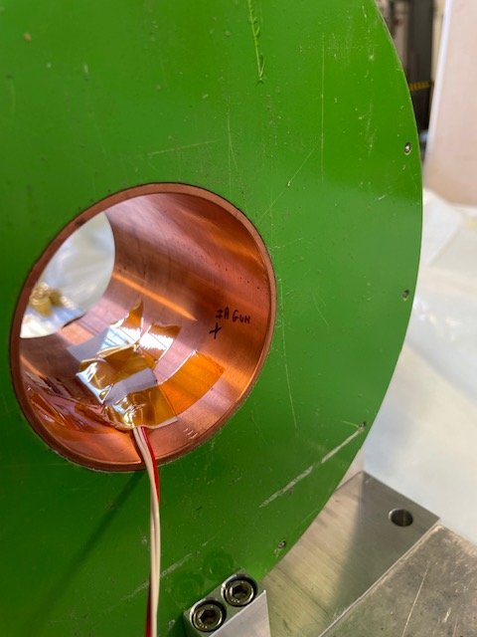
RTD 104 (BORE)

