Sheet1
Final Kerr Measurements |  |  |  | at 9.30 mm |  | 10.75 mm is center |  |  | pre stage adjustments |  |  |  |  |  | Reference
Current | Vdc (ave) | 1 | 2 | 3 | V1f (ave) | 1 | 2 | 3 | V2f (ave) | 1 | 2 | 3 | Theta k | E k | B (kG) | theta k | theta deg | E k | E k deg
0 | 8.4533333333 | 8.46 | 8.45 | 8.45 | 9.2436666667 | 9.237 | 9.301 | 9.193 | 7.772 | 7.803 | 7.763 | 7.75 | 0.00075282592465 | 0.00074475261236 | 0.20613650105 | 0.0028992655433 | 0.16611567932 | 0.00011287284417 | 0.0064671375928
50 | 8.45 | 8.45 | 8.45 | 8.45 | 10.237 | 10.23 | 10 | 10.26 | 6.188 | 6.208 | 6.172 | 6.184 | 0.00059963001661 | 0.00082510980498 | 0.76535878546 | 0.0029068506869 | 0.16655027603 | 0.00011095034918 | 0.0063569867437
100 | 8.466 | 8.467 | 8.466 | 8.465 | 12.327666667 | 12.318 | 12.332 | 12.333 | 1.7393333333 | 1.762 | 1.715 | 1.741 | 0.00016822646719 | 0.00099174123821 | 0.93205935957 | 0.0029083017593 | 0.16663341636 | 0.00010972867108 | 0.0062869897444
150 | 8.493 | 8.49 | 8.49 | 8.499 | 13.197666667 | 13.202 | 13.201 | 13.19 | 5.7323333333 | 5.716 | 5.749 | 5.732 | 0.0005526626069 | 0.0010583560207 | 1.1543474249 | 0.0029094574149 | 0.16669963055 | 0.00010901220887 | 0.0062459394836
200 | 8.5116666667 | 8.51 | 8.51 | 8.515 | 11.037333333 | 11.049 | 11.032 | 11.031 | 15.064 | 15.045 | 15.064 | 15.083 | 0.0014491570979 | 0.00088317202656 | 1.4636256176 | 0.0029088041384 | 0.16666220056 | 0.0001084218812 | 0.0062121161998
250 | 8.5163333333 | 8.52 | 8.516 | 8.513 | 4.7216666667 | 4.722 | 4.729 | 4.714 | 22.476666667 | 22.47 | 22.48 | 22.48 | 0.0021610709338 | 0.00037760559982 | 1.9162003063 | 0.0029133440433 | 0.16692231795 | 0.00010519563489 | 0.0060272659024
300 | 8.4513333333 | 8.45 | 8.449 | 8.455 | 4.5366666667 | 4.515 | 4.531 | 4.564 | 23.636666667 | 23.65 | 23.63 | 23.63 | 0.0022900806024 | 0.00036560101506 | 2.6131583534 | 0.0029201522934 | 0.16731240195 | 0.00010190834941 | 0.0058389183185
350 | 8.3636666667 | 8.361 | 8.36 | 8.37 | 12.065666667 | 12.059 | 12.066 | 12.072 | 17.698333333 | 17.775 | 17.736 | 17.584 | 0.0017327081713 | 0.00098254027397 | 2.8510146947 | 0.0029205532864 | 0.16733537716 | 0.00010126176974 | 0.005801872032
400 | 8.3033333333 | 8.31 | 8.31 | 8.29 | 14.545333333 | 14.556 | 14.547 | 14.533 | 5.9646666667 | 6.145 | 6.056 | 5.693 | 0.00058819790626 | 0.0011930728399

Kerr Ө vs I

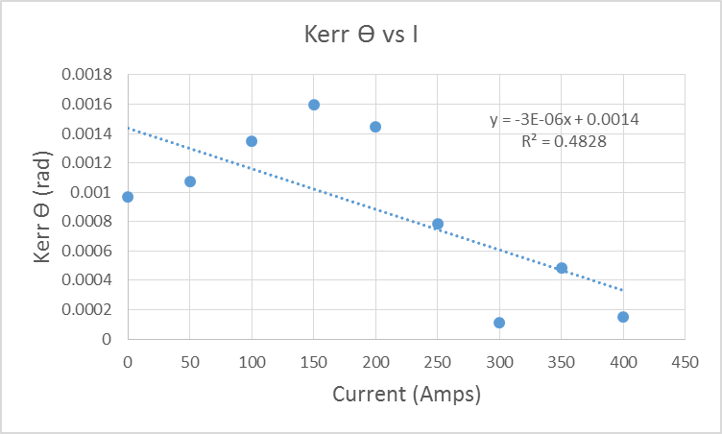
 |  |  |  |  |  |  |  |  |  |  |  | pat

