Sheet1
Coordinate System relative to electrode centerline with positive Z away from electrical feed-through.
VALUES IN MM AND DEGREES
 | X (mm) | Y (mm) | Z (mm) | Top Plane | X (mm) | Y (mm) | Z (mm) | Bottom Plane | X (mm) | Y (mm) | Z (mm) | DS gap (mm) | MINIMUM DISTANCE BETWEEN DS END | 15.01
DS_FLANGE | 0.14 | 0.15 | 190.34 | p1 DS | -20.02 | 7.46 | 94.24 | p1 DS | 18.92 | -7.74 | 95.14 | 15.20 | MAXIMUM DISTANCE BETWEEN DS END | 15.54
DS_SLOT | 0.10 | 0.27 | 164.86 | p2 DS | -7.72 | 7.55 | 95.59 | p2 DS | 13.90 | -7.70 | 96.54 | 15.25
US_FLANGE | 0.01 | 0.02 | -189.99 | p3 DS | 0.36 | 7.63 | 96.51 | p3 DS | 7.16 | -7.66 | 98.79 | 15.29
US_SLOT | 0.40 | -0.07 | -164.62 | p4 DS | 18.21 | 7.77 | 94.02 | p4 DS | -4.62 | -7.61 | 101.90 | 15.38
 | RX FROM Y (Pitch) |  | RZ FROM X (Roll) | p5 DS | 21.08 | 7.80 | 94.31 | p5 DS | -16.96 | -7.55 | 104.51 | 15.35
TOP PLANE | 179.9710 |  | -89.5272 | AVG. | 7.64 | 7.64 |  |  | AVG. | -7.65 |  |  | AVG. DISTANCE BETWEEN DS END | 15.29
BOTTOM PLANE | 0.0290 |  | 89.5272 |  |  |  |  |  |  |  |  | US gap (mm)
 |  |  |  | p6 US | -18.88 | 7.36 | -100.31 | p6 US | -17.26 | -7.32 | -95.08 | 14.68 | MINUMUM DISTANCE BETWEEN US END | 14.68
 | MIN | AVG | MAX | p7 US | -9.87 | 7.44 | -100.49 | p7 US | -10.70 | -7.39 | -96.01 | 14.83 | MAXIMUM DISTANCE BETWEEN US END | 15.31
DISTANCE BETWEEN | 14.76 | 15.17 | 15.55 | p8 US | -1.43 | 7.52 | -100.31 | p8 US | -4.27 | -7.48 | -98.06 | 15.00
*** These distances are based on best-fit plane |  |  |  | p9 US | 8.14 | 7.59 | -99.38 | p9 US | 2.40 | -7.58 | -100.15 | 15.17
 |  |  |  | p10 US | 14.30 | 7.63 | -95.94 | p10 US | 8.97 | -7.65 | -100.56 | 15.28
 |  | OLD |  | AVG. | 7.51 |  |  | p11 US | 15.99 | -7.68 | -98.61 | 15.19
 |  |  |  |  |  |  |  |  | AVG. | -7.52 |  |  | AVG DISTANCE BETWEEN US END | 15.02
 |  |  |  | 94.24 | -20.02 | 7.46
 |  |  |  | 95.59 | -7.72 | 7.55 |  |  |  | -7.74 | 95.14
 |  |  |  | 96.51 | 0.36 | 7.63 |  |  |  | -7.70 | 96.54
 |  |  |  | 94.02 | 18.21 | 7.77 |  |  |  | -7.66 | 98.79
 |  |  |  | 94.31 | 21.08 | 7.80 |  |  |  | -7.61 | 101.90
 |  |  |  | -100.31 | -18.88 | 7.36 |  |  |  | -7.55 | 104.51
 |  |  |  | -100.49 | -9.87 | 7.44 |  |  |  | -7.32 | -95.08
 |  |  |  | -100.31 | -1.43 | 7.52 |  |  |  | -7.39 | -96.01
 |  |  |  | -99.38 | 8.14 | 7.59 |  |  |  | -7.48 | -98.06
 |  |  |  | -95.94 | 14.30 | 7.63 |  |  |  | -7.58 | -100.15
 |  |  |  |  |  |  |  |  |  | -7.65 | -100.56
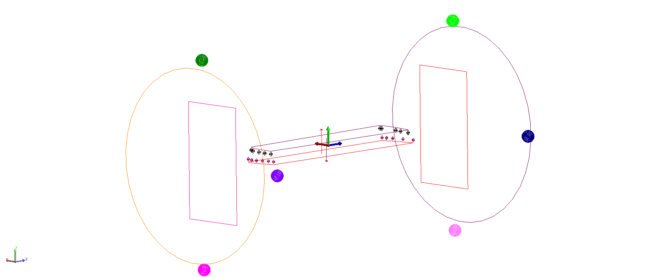
 |  |  |  |  |  |  |  |  |  | -7.68 | -98.61

DS Y (mm)

Along z axis

US Y (mm)

