Sheet1
Final Kerr Measurements |  |  |  | at 9.30 mm |  | 10.75 mm is center |  |  | pre stage adjustments |  |  |  |  |  | Reference
Current | Vdc (ave) | 1 | 2 | 3 | V1f (ave) | 1 | 2 | 3 | V2f (ave) | 1 | 2 | 3 | Theta k | E k | B (kG) | theta k | theta deg | E k | E k deg
0 | 16.65 | 16.64 | 16.65 | 16.66 | 0.51033333333 | 0.511 | 0.514 | 0.506 | 8.52 | 8.52 | 8.52 | 8.52 | 0.00041900106392 | 2.0875431046E-05 | 0.20613650105 | 0.0028992655433 | 0.16611567932 | 0.00011287284417 | 0.0064671375928
50 | 16.673333333 | 16.67 | 16.68 | 16.67 | 0.50933333333 | 0.511 | 1 | 0.51 | 8.4453333333 | 8.45 | 8.446 | 8.44 | 0.00041474783891 | 2.0805368891E-05 | 0.76535878546 | 0.0029068506869 | 0.16655027603 | 0.00011095034918 | 0.0063569867437
100 | 16.656666667 | 16.66 | 16.66 | 16.65 | 0.49366666667 | 0.495 | 0.49 | 0.496 | 8.4153333333 | 8.413 | 8.423 | 8.41 | 0.00041368807039 | 2.0185590692E-05 | 0.93205935957 | 0.0029083017593 | 0.16663341636 | 0.00010972867108 | 0.0062869897444
150 | 16.663333333 | 16.67 | 16.66 | 16.66 | 0.50533333333 | 0.5 | 0.505 | 0.511 | 8.3436666667 | 8.347 | 8.339 | 8.345 | 0.00041000092097 | 2.0654363604E-05 | 1.1543474249 | 0.0029094574149 | 0.16669963055 | 0.00010901220887 | 0.0062459394836
200 | 16.656333333 | 16.66 | 16.656 | 16.653 | 0.478 | 0.475 | 0.476 | 0.483 | 8.343 | 8.369 | 8.348 | 8.312 | 0.00041014045497 | 1.9545385776E-05 | 1.4636256176 | 0.0029088041384 | 0.16666220056 | 0.0001084218812 | 0.0062121161998
250 | 16.67 | 16.66 | 16.68 | 16.67 | 0.47033333333 | 0.469 | 0.47 | 0.472 | 8.3496666667 | 8.371 | 8.343 | 8.335 | 0.00041013167055 | 1.9216129323E-05 | 1.9162003063 | 0.0029133440433 | 0.16692231795 | 0.00010519563489 | 0.0060272659024
300 | 16.673333333 | 16.68 | 16.65 | 16.69 | 0.46233333333 | 0.462 | 0.461 | 0.464 | 8.2586666667 | 8.274 | 8.27 | 8.232 | 0.00040558069375 | 1.8885501735E-05 | 2.6131583534 | 0.0029201522934 | 0.16731240195 | 0.00010190834941 | 0.0058389183185
350 | 16.666666667 | 16.65 | 16.65 | 16.7 | 0.483 | 0.483 | 0.481 | 0.485 | 8.1843333333 | 8.186 | 8.194 | 8.173 | 0.00040209097767 | 1.973759052E-05 | 2.8510146947 | 0.0029205532864 | 0.16733537716 | 0.00010126176974 | 0.005801872032
400 | 16.653333333 | 16.65 | 16.64 | 16.67 | 0.471 | 0.47 | 0.469 | 0.474 | 8.1983333333 | 8.209 | 8.215 | 8.171 | 0.00040310126959 | 1.9262625701E-05

Kerr Ө vs I

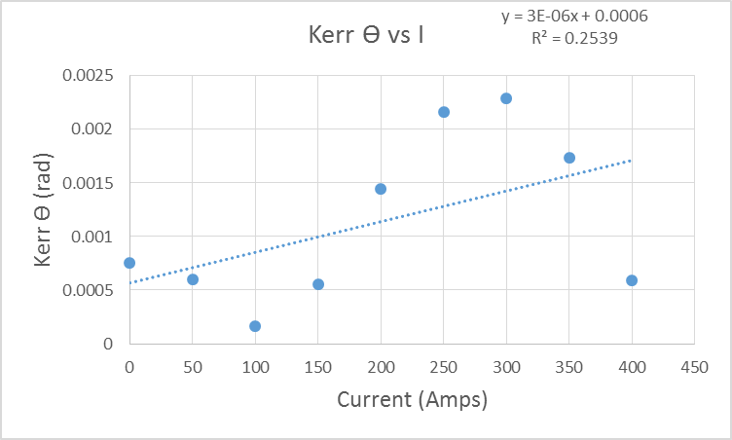
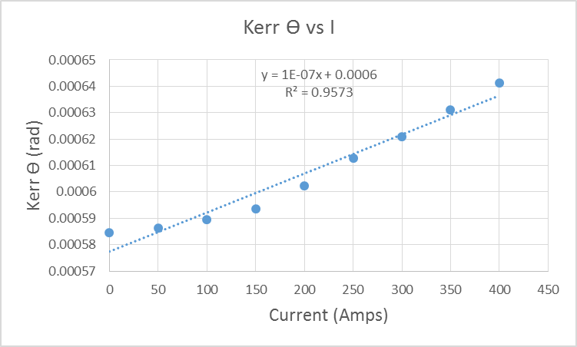

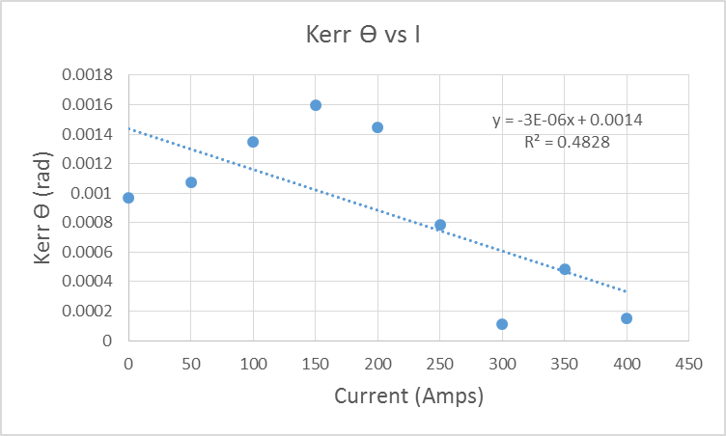
 |  |  |  |  |  |  |  |  |  |  |  | pat

