Sheet1
 | Slit1-v2 | Slit1-v3 | Slit2-v3
0 | 0 | 0 | 0
1 | -0.017188733854 | -3.7528735581 | -1.2261296816
2 | -0.22918311805 | -3.4778538164 | -1.0198648753
3 | -0.040107045659 | -3.0080284244 | -0.59014652898
4 | -0.022918311805 | -3.409098881 | -0.68181977621
5 | -0.13178029288 | -3.294507322 | -0.83078880294
6 | 0.034377467708 | -3.3575326795 | -0.52712117152
7 | -0.057295779513 | -3.0710537819 | -0.41252961249
8 | -0.16042818264 | -3.3976397251 | -0.60733526284
9 | -0.25210142986 | -3.0080284244 | -0.60160568489
10 | 0.017188733854 | -2.8074931961 | -0.6589014644
15 | -0.18907607239 | -2.8762481316 | -0.93965078401
20 | -1.17456348 | -3.3460735236 | 0.0057295779513
25 | 4.8758708366 | 17.331973303 | 16.816311287
30 | 0.77349302343 | 1.3922874422 | 1.9767043932
35 | -0.34950425503 | -2.6986312151 | 0.2005352283
40 | -0.69900851006 | -4.3258313532 | -1.0657014989
45 | -1.5870930925 | -6.0504343166 | -1.1860226359
50 | -1.2261296816 | -5.2253750916 | -0.69327893211
60 | -1.3636395524 | -4.4518820682 | -0.0057295779513
70 | 5.1680793121 | 10.765876971 | 9.6657980039
75 | 5.9530314914 | 10.645555834 | 6.7952794503
80 | 0.080214091318 | -1.999622705 | 0.99694656353
90 | -1.9537860814 | -6.703606203 | -2.1600508876
100 | -2.114214264 | -7.5000175383 | -0.71046766596
110 | 3.0080284244 | 6.3712906819 | 0.69900851006
120 | 8.1703781586 | 13.808282863 | 8.239133094
125 | 1.0198648753 | 3.6554707329 | 5.414451164
130 | -0.20626480625 | 0.028647889757 | 1.9709748153
140 | 3.3346143677 | -5.9702202253 | 10.805984016
150 | 45.263665815 | 27.461867121 | 23.766289342
160 | 4.5378257374 | 6.7551724046 | 4.1596735926
170 | -0.13750987083 | -4.2857243076 | -0.80214091318
175 | -1.999622705 | -7.534395006 | -1.3693691304
180 | -3.0767833599 | -8.7891725773 | -1.6959550736
190 | -3.6898482006 | -8.3995612766 | -1.8162762106
200 | 6.0733526284 | 8.708958486 | 4.0794595013
205 | 4.8758708366 | 9.4366148858 | 5.3285074947
210 | 3.2544002763 | 7.4255330249 | 7.3224006218
215 | 0.80787049113 | -1.8048170547 | 0.71046766596
220 | -0.6589014644 | -4.7841975893 | -0.97975782967
225 | -1.8621128342 | -7.0244625683 | -1.8735719901
230 | -2.9048960213 | -8.9324120261 | -3.1398087173
235 | -2.9106255993 | -8.3709133869 | -2.1428621538
240 | -3.2715890102 | -8.6287443947 | -2.2574537128
245 | -3.9763270982 | -11.149758693 | -3.5580679078
250 | -4.1252961249 | -7.8208739035 | -4.2284285281
260 | -5.2368342475 | -12.708203896 | -4.2055102163
270 | -6.5660963322 | -15.825094302 | -5.6550934379
275 | -7.0531104581 | -16.547021123 | -6.0905413622
...

Field Map
-0.28 | 0.296666623
-0.279 | 0.298429493
-0.278 | 0.300203725
-0.277 | 0.301989382
-0.276 | 0.303786524
-0.275 | 0.305595199
-0.274 | 0.30741545
-0.273 | 0.309247407
-0.272 | 0.311091095
-0.271 | 0.312946541
-0.27 | 0.314813838
-0.269 | 0.316693025
-0.268 | 0.318584174
-0.267 | 0.320487324
-0.266 | 0.322402535
-0.265 | 0.324329913
-0.264 | 0.326269491
-0.263 | 0.328221315
-0.262 | 0.330185444
-0.261 | 0.332161916
-0.26 | 0.334150806
-0.259 | 0.336152171
-0.258 | 0.338166069
-0.257 | 0.340192542
-0.256 | 0.34223165
-0.255 | 0.344283456
-0.254 | 0.346348001
-0.253 | 0.348425346
-0.252 | 0.350515542
-0.251 | 0.352618636
-0.25 | 0.354734679
-0.249 | 0.356863721
-0.248 | 0.359005814
-0.247 | 0.361161011
-0.246 | 0.363329351
-0.245 | 0.36551089
-0.244 | 0.367705672
-0.243 | 0.369913734
-0.242 | 0.372135129
-0.241 | 0.374369895
-0.24 | 0.376618077
-0.239 | 0.378879732
-0.238 | 0.381154882
-0.237 | 0.383443578
-0.236 | 0.385745858
-0.235 | 0.388061744
-0.234 | 0.390391291
-0.233 | 0.392734533
-0.232 | 0.3950915
-0.231 | 0.397462209
...

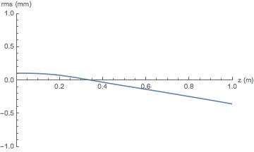
10 A
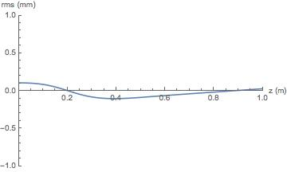
20 A
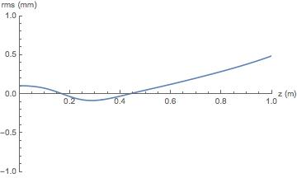
25 A
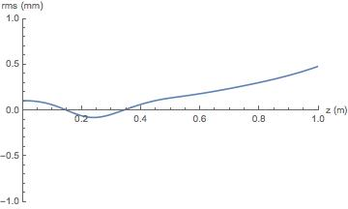
30 A
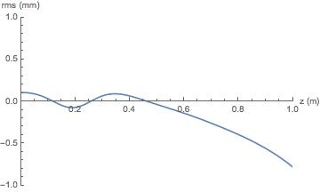
40 A
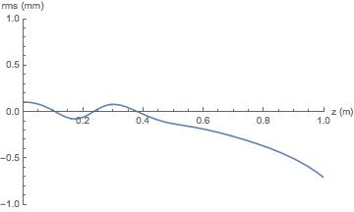
45 A

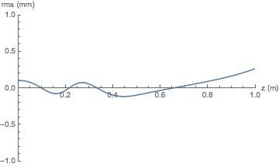
50 A
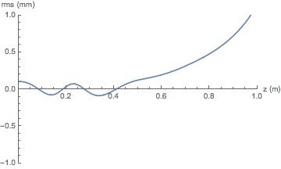
60 A
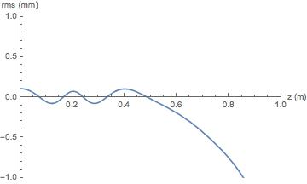
70 A
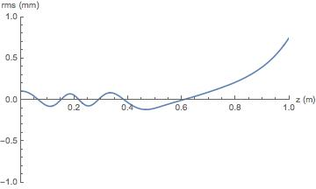
80 A
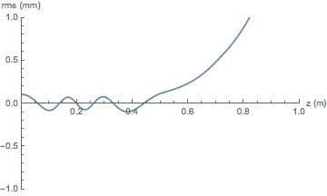
90 A
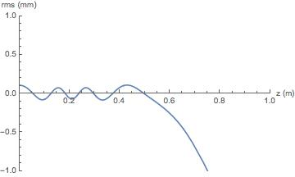
100 A

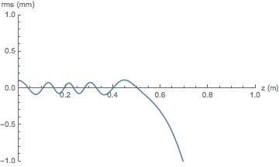
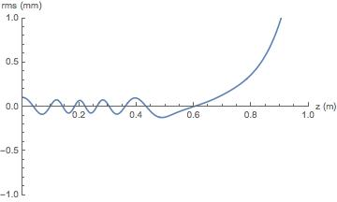
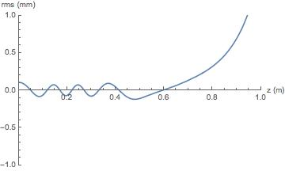
110 A
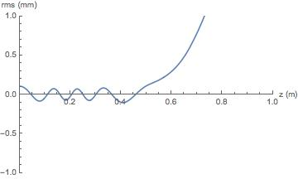
120 A
130 A
140 A
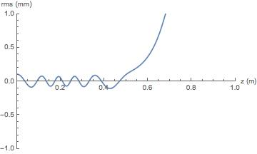
150 A
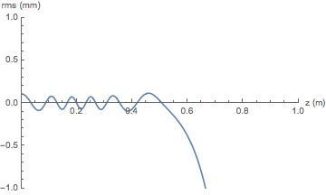
160 A

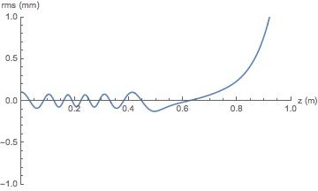
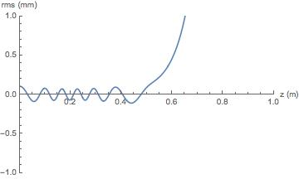
180 A
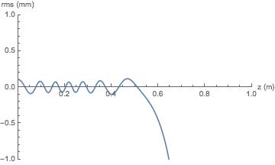
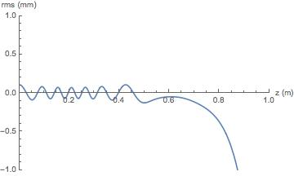
170 A
190 A
200 A
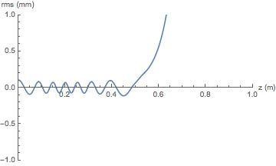
210 A

220 A

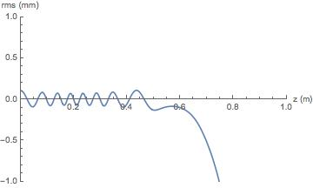


230 A
240 A
250 A
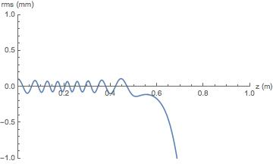
260 A
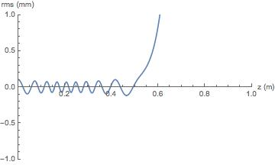
270 A

280 A

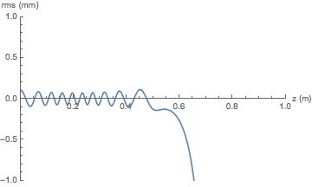
290 A

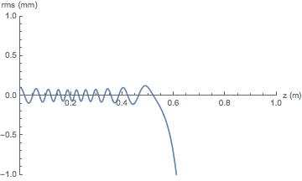
310 A

320 A

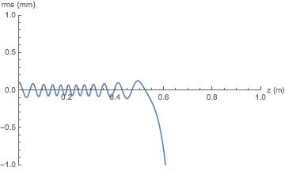
300 A
330 A
340 A



360 A

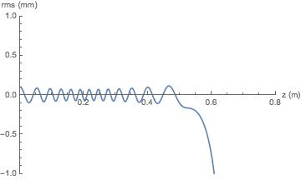
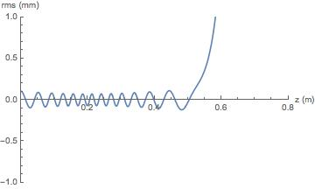
390 A
350 A
370 A
380 A
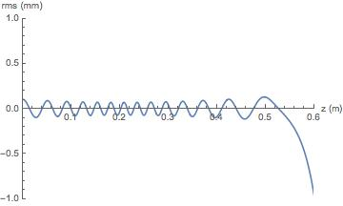
400 A

Sheet2
-0.28 | 0.296666623
-0.279 | 0.298429493
-0.278 | 0.300203725
-0.277 | 0.301989382
-0.276 | 0.303786524
Field Map
-0.28 | 0.296666623
-0.279 | 0.298429493
-0.278 | 0.300203725
-0.277 | 0.301989382
-0.276 | 0.303786524
-0.275 | 0.305595199
-0.274 | 0.30741545
-0.273 | 0.309247407
-0.272 | 0.311091095
-0.271 | 0.312946541
-0.27 | 0.314813838
-0.269 | 0.316693025
-0.268 | 0.318584174
-0.267 | 0.320487324
-0.266 | 0.322402535
-0.265 | 0.324329913
-0.264 | 0.326269491
-0.263 | 0.328221315
-0.262 | 0.330185444
-0.261 | 0.332161916
-0.26 | 0.334150806
-0.259 | 0.336152171
-0.258 | 0.338166069
-0.257 | 0.340192542
-0.256 | 0.34223165
-0.255 | 0.344283456
-0.254 | 0.346348001
-0.253 | 0.348425346
-0.252 | 0.350515542
-0.251 | 0.352618636
-0.25 | 0.354734679
-0.249 | 0.356863721
-0.248 | 0.359005814
-0.247 | 0.361161011
-0.246 | 0.363329351
-0.245 | 0.36551089
-0.244 | 0.367705672
-0.243 | 0.369913734
-0.242 | 0.372135129
-0.241 | 0.374369895
-0.24 | 0.376618077
-0.239 | 0.378879732
-0.238 | 0.381154882
-0.237 | 0.383443578
-0.236 | 0.385745858
-0.235 | 0.388061744
-0.234 | 0.390391291
-0.233 | 0.392734533
-0.232 | 0.3950915
-0.231 | 0.397462209
...
-0.275 | 0.305595199
-0.274 | 0.30741545
-0.273 | 0.309247407
-0.272 | 0.311091095
-0.271 | 0.312946541
-0.27 | 0.314813838
-0.269 | 0.316693025
-0.268 | 0.318584174
-0.267 | 0.320487324
-0.266 | 0.322402535
-0.265 | 0.324329913
-0.264 | 0.326269491
-0.263 | 0.328221315
-0.262 | 0.330185444
-0.261 | 0.332161916
-0.26 | 0.334150806
-0.259 | 0.336152171
-0.258 | 0.338166069
-0.257 | 0.340192542
-0.256 | 0.34223165
-0.255 | 0.344283456
-0.254 | 0.346348001
-0.253 | 0.348425346
-0.252 | 0.350515542
-0.251 | 0.352618636
-0.25 | 0.354734679
-0.249 | 0.356863721
-0.248 | 0.359005814
-0.247 | 0.361161011
-0.246 | 0.363329351
-0.245 | 0.36551089
-0.244 | 0.367705672
-0.243 | 0.369913734
-0.242 | 0.372135129
-0.241 | 0.374369895
-0.24 | 0.376618077
-0.239 | 0.378879732
-0.238 | 0.381154882
-0.237 | 0.383443578
-0.236 | 0.385745858
-0.235 | 0.388061744
-0.234 | 0.390391291
-0.233 | 0.392734533
-0.232 | 0.3950915
-0.231 | 0.397462209
-0.23 | 0.39984671
-0.229 | 0.402245046
-0.228 | 0.404657224
-0.227 | 0.407083285
-0.226 | 0.409523249
-0.225 | 0.411977132
-0.224 | 0.414444961
-0.223 | 0.416926772
-0.222 | 0.419422561
-0.221 | 0.421932385
-0.22 | 0.424456224
-0.219 | 0.426994113
-0.218 | 0.429546036
-0.217 | 0.432112045
-0.216 | 0.434692136
-0.215 | 0.437286315
-0.214 | 0.439894581
-0.213 | 0.442516948
-0.212 | 0.445153411
-0.211 | 0.44780396
-0.21 | 0.450468601
-0.209 | 0.453147336
-0.208 | 0.455840151
-0.207 | 0.458547012
-0.206 | 0.461267932
-0.205 | 0.464002916
-0.204 | 0.466751924
-0.203 | 0.469514937
-0.202 | 0.472291928
-0.201 | 0.475082881
-0.2 | 0.47788776
-0.199 | 0.48070653
-0.198 | 0.483539166
-0.197 | 0.486385631
-0.196 | 0.489245883
-0.195 | 0.49211988
-0.194 | 0.495007575
-0.193 | 0.497908927
-0.192 | 0.500823876
-0.191 | 0.503752353
-0.19 | 0.506694325
-0.189 | 0.50964972
-0.188 | 0.512618462
-0.187 | 0.515600489
-0.186 | 0.518595728
-0.185 | 0.521604113
-0.184 | 0.524625561
-0.183 | 0.527659932
-0.182 | 0.530707172
-0.181 | 0.533767225
-0.18 | 0.536839974
-0.179 | 0.539925389
-0.178 | 0.54302325
-0.177 | 0.546133479
-0.176 | 0.549256009
-0.175 | 0.55239062
-0.174 | 0.555537262
-0.173 | 0.558695801
-0.172 | 0.561866108
-0.171 | 0.565048056
-0.17 | 0.568241479
-0.169 | 0.571446259
-0.168 | 0.574662238
-0.167 | 0.577889217
-0.166 | 0.581127094
-0.165 | 0.584375658
-0.164 | 0.587634738
-0.163 | 0.590904281
-0.162 | 0.594183986
-0.161 | 0.597473713
-0.16 | 0.600773269
-0.159 | 0.604082371
-0.158 | 0.607400904
-0.157 | 0.610728647
-0.156 | 0.614065378
-0.155 | 0.617410907
-0.154 | 0.620764983
-0.153 | 0.624127359
-0.152 | 0.627497844
-0.151 | 0.630876141
-0.15 | 0.634262043
-0.149 | 0.637655334
-0.148 | 0.641055704
-0.147 | 0.644462901
-0.146 | 0.647876655
-0.145 | 0.651296699
-0.144 | 0.654722764
-0.143 | 0.658154575
-0.142 | 0.6615918
-0.141 | 0.665034124
-0.14 | 0.668481281
-0.139 | 0.671932942
-0.138 | 0.67538883
-0.137 | 0.678848576
-0.136 | 0.682311765
-0.135 | 0.685778303
-0.134 | 0.689247768
-0.133 | 0.692719697
-0.132 | 0.696193829
-0.131 | 0.699669797
-0.13 | 0.703147253
-0.129 | 0.706625725
-0.128 | 0.710104916
-0.127 | 0.713584469
-0.126 | 0.717063998
-0.125 | 0.720543039
-0.124 | 0.724021299
-0.123 | 0.727498299
-0.122 | 0.730973604
-0.121 | 0.734447069
-0.12 | 0.737918021
-0.119 | 0.74138607
-0.118 | 0.744850834
-0.117 | 0.748311784
-0.116 | 0.751768565
-0.115 | 0.755220673
-0.114 | 0.758667745
-0.113 | 0.762109393
-0.112 | 0.765545026
-0.111 | 0.768974166
-0.11 | 0.772396449
-0.109 | 0.775811397
-0.108 | 0.779218525
-0.107 | 0.78261736
-0.106 | 0.786007399
-0.105 | 0.789388197
-0.104 | 0.79275923
-0.103 | 0.796120062
-0.102 | 0.799470172
-0.101 | 0.802809022
-0.1 | 0.806136177
-0.099 | 0.809451105
-0.098 | 0.812753317
-0.097 | 0.816042346
-0.096 | 0.819317644
-0.095 | 0.822578684
-0.094 | 0.825825006
-0.093 | 0.829056073
-0.092 | 0.832271391
-0.091 | 0.835470422
-0.09 | 0.838652661
-0.089 | 0.841817581
-0.088 | 0.844964692
-0.087 | 0.848093679
-0.086 | 0.851203763
-0.085 | 0.854294301
-0.084 | 0.857365051
-0.083 | 0.860415454
-0.082 | 0.863444914
-0.081 | 0.866452953
-0.08 | 0.869439103
-0.079 | 0.87240278
-0.078 | 0.875343527
-0.077 | 0.878260735
-0.076 | 0.881153973
-0.075 | 0.884022924
-0.074 | 0.88686694
-0.073 | 0.889685621
-0.072 | 0.89247832
-0.071 | 0.895244458
-0.07 | 0.897983706
-0.069 | 0.900695441
-0.068 | 0.903379326
-0.067 | 0.906035017
-0.066 | 0.908661796
-0.065 | 0.911259232
-0.064 | 0.913826917
-0.063 | 0.916364315
-0.062 | 0.918871042
-0.061 | 0.921346592
-0.06 | 0.923790592
-0.059 | 0.926202438
-0.058 | 0.928581779
-0.057 | 0.930928567
-0.056 | 0.933242024
-0.055 | 0.935521564
-0.054 | 0.93776704
-0.053 | 0.939977783
-0.052 | 0.942153689
-0.051 | 0.944294409
-0.05 | 0.946399153
-0.049 | 0.948468218
-0.048 | 0.950500833
-0.047 | 0.95249631
-0.046 | 0.954454687
-0.045 | 0.956375498
-0.044 | 0.958258446
-0.043 | 0.960103272
-0.042 | 0.961909524
-0.041 | 0.963676849
-0.04 | 0.965405091
-0.039 | 0.96709379
-0.038 | 0.96874274
-0.037 | 0.970351751
-0.036 | 0.971920436
-0.035 | 0.973448536
-0.034 | 0.974935816
-0.033 | 0.97638205
-0.032 | 0.977786973
-0.031 | 0.979150342
-0.03 | 0.980471928
-0.029 | 0.981751604
-0.028 | 0.982989135
-0.027 | 0.984184245
-0.026 | 0.98533679
-0.025 | 0.986446525
-0.024 | 0.987513468
-0.023 | 0.988537228
-0.022 | 0.989517406
-0.021 | 0.990454928
-0.02 | 0.991349284
-0.019 | 0.992199498
-0.018 | 0.993006061
-0.017 | 0.993768971
-0.016 | 0.994488098
-0.015 | 0.995163261
-0.014 | 0.99579442
-0.013 | 0.996381656
-0.012 | 0.996924711
-0.011 | 0.997423568
-0.01 | 0.997878371
-0.009 | 0.998288915
-0.008 | 0.998655247
-0.007 | 0.998977501
-0.006 | 0.999255652
-0.005 | 0.999489651
-0.004 | 0.999679508
-0.003 | 0.999825491
-0.002 | 0.99992755
-0.001 | 0.999985679
0 | 1
0.001 | 0.999970321
0.002 | 0.999896994
0.003 | 0.999780108
0.004 | 0.999620004
0.005 | 0.999416549
0.006 | 0.999169771
0.007 | 0.998880608
0.008 | 0.998548328
0.009 | 0.998173618
0.01 | 0.997756544
0.011 | 0.99729678
0.012 | 0.996795052
0.013 | 0.996251325
0.014 | 0.995665932
0.015 | 0.995039203
0.016 | 0.99437126
0.017 | 0.993662379
0.018 | 0.992912826
0.019 | 0.992122776
0.02 | 0.99129263
0.021 | 0.990422461
0.022 | 0.989512827
0.023 | 0.988563491
0.024 | 0.987575448
0.025 | 0.986549749
0.026 | 0.985485337
0.027 | 0.984382709
0.028 | 0.983242708
0.029 | 0.98206517
0.03 | 0.98085075
0.031 | 0.979599745
0.032 | 0.978312667
0.033 | 0.976990382
0.034 | 0.975632604
0.035 | 0.974239802
0.036 | 0.972812461
0.037 | 0.971351169
0.038 | 0.969856234
0.039 | 0.968327878
0.04 | 0.966766838
0.041 | 0.965173468
0.042 | 0.963548287
0.043 | 0.961891497
0.044 | 0.960203731
0.045 | 0.958485889
0.046 | 0.956738078
0.047 | 0.954960767
0.048 | 0.953154559
0.049 | 0.951319241
0.05 | 0.949456056
0.051 | 0.947565684
0.052 | 0.945648144
0.053 | 0.943705026
0.054 | 0.941736003
0.055 | 0.939740961
0.056 | 0.937720616
0.057 | 0.935676968
0.058 | 0.933609987
0.059 | 0.931518801
0.06 | 0.929405152
0.061 | 0.927269531
0.062 | 0.92511231
0.063 | 0.922934072
0.064 | 0.920735292
0.065 | 0.918516582
0.066 | 0.916278543
0.067 | 0.91402199
0.068 | 0.911747271
0.069 | 0.909454682
0.07 | 0.907145124
0.071 | 0.904819195
0.072 | 0.902477096
0.073 | 0.900119477
0.074 | 0.897747132
0.075 | 0.895360676
0.076 | 0.892960388
0.077 | 0.890547141
0.078 | 0.888121411
0.079 | 0.885683146
0.08 | 0.883233613
0.081 | 0.880773176
0.082 | 0.878302242
0.083 | 0.875821813
0.084 | 0.87333195
0.085 | 0.870832909
0.086 | 0.868325636
0.087 | 0.865811034
0.088 | 0.863289476
0.089 | 0.860760057
0.09 | 0.858224359
0.091 | 0.855684844
0.092 | 0.853139978
0.093 | 0.850589906
0.094 | 0.848035792
0.095 | 0.845477849
0.096 | 0.842916583
0.097 | 0.840352291
0.098 | 0.837785683
0.099 | 0.835216867
0.1 | 0.832646648
0.101 | 0.830075336
0.102 | 0.827503175
0.103 | 0.824931121
0.104 | 0.822359028
0.105 | 0.819787256
0.106 | 0.817216368
0.107 | 0.814646312
0.108 | 0.812077631
0.109 | 0.809510753
0.11 | 0.806946067
0.111 | 0.804383235
0.112 | 0.801822389
0.113 | 0.799265507
0.114 | 0.796711671
0.115 | 0.794160673
0.116 | 0.791613425
0.117 | 0.789069046
0.118 | 0.786528155
0.119 | 0.783991304
0.12 | 0.781458246
0.121 | 0.77892887
0.122 | 0.776403314
0.123 | 0.773881547
0.124 | 0.771363502
0.125 | 0.768849201
0.126 | 0.766338488
0.127 | 0.763831215
0.128 | 0.761327148
0.129 | 0.758826085
0.13 | 0.756327782
0.131 | 0.753831846
0.132 | 0.75133796
0.133 | 0.748845607
0.134 | 0.746354475
0.135 | 0.743863924
0.136 | 0.741373502
0.137 | 0.738882677
0.138 | 0.736390277
0.139 | 0.733896552
0.14 | 0.731399694
0.141 | 0.728899022
0.142 | 0.726393785
0.143 | 0.723882157
0.144 | 0.721363817
0.145 | 0.718836523
0.146 | 0.716300103
0.147 | 0.713752053
0.148 | 0.711190985
0.149 | 0.708615888
0.15 | 0.70602445
0.151 | 0.703415605
0.152 | 0.700786358
0.153 | 0.6981349
0.154 | 0.695458441
0.155 | 0.69275272
0.156 | 0.690017853
0.157 | 0.687248635
0.158 | 0.684443365
0.159 | 0.681601734
0.16 | 0.678713843
0.161 | 0.67578429
0.162 | 0.67280719
0.163 | 0.669741035
0.164 | 0.6666681
0.165 | 0.663509729
0.166 | 0.660279779
0.167 | 0.656981667
0.168 | 0.65360913
0.169 | 0.650131962
0.17 | 0.646563879
0.171 | 0.642918511
0.172 | 0.63916165
0.173 | 0.635271979
0.174 | 0.631272191
0.175 | 0.627156794
0.176 | 0.622902518
0.177 | 0.61850536
0.178 | 0.613960304
0.179 | 0.609256993
0.18 | 0.604387978
0.181 | 0.599334928
0.182 | 0.594101532
0.183 | 0.588688357
0.184 | 0.583069072
0.185 | 0.57723151
0.186 | 0.571168292
0.187 | 0.564866247
0.188 | 0.558337997
0.189 | 0.551577763
0.19 | 0.544560639
0.191 | 0.537302037
0.192 | 0.529776958
0.193 | 0.521995291
0.194 | 0.513962872
0.195 | 0.505621905
0.196 | 0.497011577
0.197 | 0.488116751
0.198 | 0.478952481
0.199 | 0.469581743
0.2 | 0.459961398
0.201 | 0.450083639
0.202 | 0.439977296
0.203 | 0.429661177
0.204 | 0.419150709
0.205 | 0.408454924
0.206 | 0.397594502
0.207 | 0.386600109
0.208 | 0.375491751
0.209 | 0.364292247
0.21 | 0.353029037
0.211 | 0.341725485
0.212 | 0.330407566
0.213 | 0.319107139
0.214 | 0.307853275
0.215 | 0.296673714
0.216 | 0.285590608
0.217 | 0.274634077
0.218 | 0.263830492
0.219 | 0.2531834
0.22 | 0.24272809
0.221 | 0.232511192
0.222 | 0.222532905
0.223 | 0.212798242
0.224 | 0.203324449
0.225 | 0.194132408
0.226 | 0.185226576
0.227 | 0.176611057
0.228 | 0.168299452
0.229 | 0.160270694
0.23 | 0.152567292
0.231 | 0.145219209
0.232 | 0.138156296
0.233 | 0.131371893
0.234 | 0.124896818
0.235 | 0.118724567
0.236 | 0.112839412
0.237 | 0.107246645
0.238 | 0.101926868
0.239 | 0.09687332
0.24 | 0.092076223
0.241 | 0.087526506
0.242 | 0.083220872
0.243 | 0.079147217
0.244 | 0.075300134
0.245 | 0.071659066
0.246 | 0.068222372
0.247 | 0.064976495
0.248 | 0.061907933
0.249 | 0.059021099
0.25 | 0.056295018
0.251 | 0.05372276
0.252 | 0.051302529
0.253 | 0.049012965
0.254 | 0.046853288
0.255 | 0.044837526
0.256 | 0.04291844
0.257 | 0.041110492
0.258 | 0.039409778
0.259 | 0.037811524
0.26 | 0.036304391
0.261 | 0.034886901
0.262 | 0.033551465
0.263 | 0.032292425
0.264 | 0.031106275
0.265 | 0.029989376
0.266 | 0.028936787
0.267 | 0.027947303
0.268 | 0.027015293
0.269 | 0.026138508
0.27 | 0.025313886
0.271 | 0.02453534
0.272 | 0.023804135
0.273 | 0.023116423
0.274 | 0.02247037
0.275 | 0.021862599
0.276 | 0.021291744
0.277 | 0.02075908
0.278 | 0.020260719
0.279 | 0.019794456
0.28 | 0.019359096
0.281 | 0.018953754
0.282 | 0.018576531
0.283 | 0.018226061
0.284 | 0.017902473
0.285 | 0.017605117
0.286 | 0.017332615
0.287 | 0.017083124
0.288 | 0.016857547
0.289 | 0.016653775
0.29 | 0.016473709
0.291 | 0.016318688
0.292 | 0.016183251
0.293 | 0.016068392
0.294 | 0.01597601
0.295 | 0.015903939
0.296 | 0.015853161
0.297 | 0.015824396
0.298 | 0.015817207
0.299 | 0.015831976
0.3 | 0.015868779
0.301 | 0.015928153
0.302 | 0.016010467
0.303 | 0.016116135
0.304 | 0.016246137
0.305 | 0.016401012
0.306 | 0.016581588
0.307 | 0.016788482
0.308 | 0.017023168
0.309 | 0.017286582
0.31 | 0.017579637
0.311 | 0.017903947
0.312 | 0.01826065
0.313 | 0.018651528
0.314 | 0.019077782
0.315 | 0.019541847
0.316 | 0.020044886
0.317 | 0.02058748
0.318 | 0.021173722
0.319 | 0.021805893
0.32 | 0.022484929
0.321 | 0.023213438
0.322 | 0.023994964
0.323 | 0.024832979
0.324 | 0.025727551
0.325 | 0.02668176
0.326 | 0.027699215
0.327 | 0.028782999
0.328 | 0.029934196
0.329 | 0.03115514
0.33 | 0.032451603
0.331 | 0.03382568
0.332 | 0.035277798
0.333 | 0.036814384
0.334 | 0.038435974
0.335 | 0.040143449
0.336 | 0.041940107
0.337 | 0.043825061
0.338 | 0.045802243
0.339 | 0.047871996
0.34 | 0.050035861
0.341 | 0.052277578
0.342 | 0.054619908
0.343 | 0.057080867
0.344 | 0.059621775
0.345 | 0.06224088
0.346 | 0.064948658
0.347 | 0.06773704
0.348 | 0.070604606
0.349 | 0.073545669
0.35 | 0.076553461
0.351 | 0.079625081
0.352 | 0.08275085
0.353 | 0.085923868
0.354 | 0.089136297
0.355 | 0.092381402
0.356 | 0.095649361
0.357 | 0.098931043
0.358 | 0.102218494
0.359 | 0.105500792
0.36 | 0.108769399
0.361 | 0.112016861
0.362 | 0.115233413
0.363 | 0.118410768
0.364 | 0.121539237
0.365 | 0.124608543
0.366 | 0.127615364
0.367 | 0.130560555
0.368 | 0.13342948
0.369 | 0.136209119
0.37 | 0.138901214
0.371 | 0.141504216
0.372 | 0.144014005
0.373 | 0.146427974
0.374 | 0.148743407
0.375 | 0.150957213
0.376 | 0.153070888
0.377 | 0.155085329
0.378 | 0.156997575
0.379 | 0.158809451
0.38 | 0.160522106
0.381 | 0.162131482
0.382 | 0.163645443
0.383 | 0.165066574
0.384 | 0.166391936
0.385 | 0.167633582
0.386 | 0.168790557
0.387 | 0.16985389
0.388 | 0.170832653
0.389 | 0.171734021
0.39 | 0.172557576
0.391 | 0.173310432
0.392 | 0.173992736
0.393 | 0.174602606
0.394 | 0.175145969
0.395 | 0.175625253
0.396 | 0.176045024
0.397 | 0.176413096
0.398 | 0.17673415
0.399 | 0.176986433
0.4 | 0.17718145
0.401 | 0.177343953
0.402 | 0.177461666
0.403 | 0.177524996
0.404 | 0.17754622
0.405 | 0.177530984
0.406 | 0.177475067
0.407 | 0.177385636
0.408 | 0.17726165
0.409 | 0.177105645
0.41 | 0.176918776
0.411 | 0.176700864
0.412 | 0.176454663
0.413 | 0.176181895
0.414 | 0.175883577
0.415 | 0.175560945
0.416 | 0.175214854
0.417 | 0.174846403
0.418 | 0.174456787
0.419 | 0.174050011
0.42 | 0.173625182
0.421 | 0.173176282
0.422 | 0.172710117
0.423 | 0.17223015
0.424 | 0.171734304
0.425 | 0.171223817
0.426 | 0.170699241
0.427 | 0.170162341
0.428 | 0.169613168
0.429 | 0.169051591
0.43 | 0.168478284
0.431 | 0.167894135
0.432 | 0.167300679
0.433 | 0.166697943
0.434 | 0.166085955
0.435 | 0.165465992
0.436 | 0.164838436
0.437 | 0.164202781
0.438 | 0.163560023
0.439 | 0.16291129
0.44 | 0.162256548
0.441 | 0.1615956
0.442 | 0.160929073
0.443 | 0.160257808
0.444 | 0.15958207
0.445 | 0.158902117
0.446 | 0.158218256
0.447 | 0.157530586
0.448 | 0.15683956
0.449 | 0.156145809
0.45 | 0.155449246
0.451 | 0.154750043
0.452 | 0.154048652
0.453 | 0.153345349
0.454 | 0.152640347
0.455 | 0.151933798
0.456 | 0.151226009
0.457 | 0.150517135
0.458 | 0.14980748
0.459 | 0.149097261
0.46 | 0.148386535
0.461 | 0.14767562
0.462 | 0.146964647
0.463 | 0.146253657
0.464 | 0.145542934
0.465 | 0.144832605
0.466 | 0.14412276
0.467 | 0.143413699
0.468 | 0.142705653
0.469 | 0.141998251
0.47 | 0.141291844
0.471 | 0.140586808
0.472 | 0.139883037
0.473 | 0.139180828
0.474 | 0.138480177
0.475 | 0.137781146
0.476 | 0.13708388
0.477 | 0.136388442
0.478 | 0.135694958
0.479 | 0.135003479
0.48 | 0.134314101
0.481 | 0.133626901
0.482 | 0.132941959
0.483 | 0.132259379
0.484 | 0.131579206
0.485 | 0.130901493
0.486 | 0.130226309
0.487 | 0.129553722
0.488 | 0.128883785
0.489 | 0.128216542
0.49 | 0.127552059
0.491 | 0.126890395
0.492 | 0.126231576
0.493 | 0.125575633
0.494 | 0.124922622
0.495 | 0.12427262
0.496 | 0.123625635
0.497 | 0.122981612
0.498 | 0.122340654
0.499 | 0.121702889
0.5 | 0.121068283
0.501 | 0.120436835
0.502 | 0.11980857
0.503 | 0.119183489
0.504 | 0.118561645
0.505 | 0.117943052
0.506 | 0.117327732
0.507 | 0.116715686
0.508 | 0.116106948
0.509 | 0.115501612
0.51 | 0.114899591
0.511 | 0.114300868
0.512 | 0.113705508
0.513 | 0.113113514
0.514 | 0.112524911
0.515 | 0.111939698
0.516 | 0.11135785
0.517 | 0.110779414
0.518 | 0.110204387
0.519 | 0.109632718
0.52 | 0.109064456
0.521 | 0.108499575
0.522 | 0.107938102
0.523 | 0.107380042
0.524 | 0.106825377
0.525 | 0.10627412
0.526 | 0.105726259
0.527 | 0.10518177
0.528 | 0.104640706
0.529 | 0.104102884
0.53 | 0.103568471
0.531 | 0.103037378
0.532 | 0.102509742
0.533 | 0.101985762
0.534 | 0.101464924
0.535 | 0.100947394
0.536 | 0.100433195
0.537 | 0.099922363
0.538 | 0.099414862
0.539 | 0.098910573
0.54 | 0.09840963
0.541 | 0.097911904
0.542 | 0.097417466
0.543 | 0.096926298
0.544 | 0.096438376
0.545 | 0.095953736
0.546 | 0.095472287
0.547 | 0.094994062
0.548 | 0.094519035
0.549 | 0.094047305
0.55 | 0.093578748
0.551 | 0.093113239
0.552 | 0.092650885
0.553 | 0.092191702
0.554 | 0.09173565
0.555 | 0.091282649
0.556 | 0.09083277
0.557 | 0.090386163
0.558 | 0.08994256
0.559 | 0.08950188
0.56 | 0.089064286
0.561 | 0.088629685
0.562 | 0.0881981
0.563 | 0.087769516
0.564 | 0.087343892
0.565 | 0.086921321
0.566 | 0.086501687
0.567 | 0.086084918
0.568 | 0.085671121
0.569 | 0.085260219
0.57 | 0.084852168
0.571 | 0.084447035
0.572 | 0.084044771
0.573 | 0.083645319
0.574 | 0.083248719
0.575 | 0.082854895
0.576 | 0.082463854
0.577 | 0.082075646
0.578 | 0.081690245
0.579 | 0.081307441
0.58 | 0.080927322
0.581 | 0.080550216
0.582 | 0.080175824
0.583 | 0.079804073
0.584 | 0.07943502
0.585 | 0.079068558
0.586 | 0.07870475
0.587 | 0.078343537
0.588 | 0.077984954
0.589 | 0.077629167
0.59 | 0.077275959
0.591 | 0.07692516
0.592 | 0.076576953
0.593 | 0.07623132
0.594 | 0.075888206
0.595 | 0.075547665
0.596 | 0.075209642
0.597 | 0.074874073
0.598 | 0.074540985
0.599 | 0.074210433
0.6 | 0.073882328
0.601 | 0.073556623
0.602 | 0.073233356
0.603 | 0.072912505
0.604 | 0.072594034
0.605 | 0.07227798
0.606 | 0.071964327
0.607 | 0.071652966
0.608 | 0.071343991
0.609 | 0.071037319
0.61 | 0.070732969
0.611 | 0.070430997
0.612 | 0.07013129
0.613 | 0.069833856
0.614 | 0.069538733
0.615 | 0.069245809
0.616 | 0.068955027
0.617 | 0.068666723
0.618 | 0.068380664
0.619 | 0.068096803
0.62 | 0.067815178
0.621 | 0.067535636
0.622 | 0.067258309
0.623 | 0.06698307
0.624 | 0.066709989
0.625 | 0.066439179
0.626 | 0.0661705
0.627 | 0.065903901
0.628 | 0.065639409
0.629 | 0.065377038
0.63 | 0.065116771
0.631 | 0.064858612
0.632 | 0.06460253
0.633 | 0.064348378
0.634 | 0.064096337
0.635 | 0.063846438
0.636 | 0.063598537
0.637 | 0.063352566
0.638 | 0.063108617
0.639 | 0.062866728
0.64 | 0.062626825
0.641 | 0.062388947
0.642 | 0.06215303
0.643 | 0.061919035
0.644 | 0.061686988
0.645 | 0.061456933
0.646 | 0.061228827
0.647 | 0.061002661
0.648 | 0.060778411
0.649 | 0.060555987
0.65 | 0.060335477
0.651 | 0.060116901
0.652 | 0.059900215
0.653 | 0.059685412
0.654 | 0.059472477
0.655 | 0.059261373
0.656 | 0.059052094
0.657 | 0.058844696
0.658 | 0.058639107
0.659 | 0.058435338
0.66 | 0.058233397
0.661 | 0.058033298
0.662 | 0.057834989
0.663 | 0.057638376
0.664 | 0.057443538
0.665 | 0.057250548
0.666 | 0.057059329
0.667 | 0.056869816
0.668 | 0.056682046
0.669 | 0.056496042
0.67 | 0.056311752
0.671 | 0.056129212
0.672 | 0.055948376
0.673 | 0.055769154
0.674 | 0.055591655
0.675 | 0.055415825
0.676 | 0.055241651
0.677 | 0.055069203
0.678 | 0.054898404
0.679 | 0.054729225
0.68 | 0.054561684
0.681 | 0.054395801
0.682 | 0.05423152
0.683 | 0.054068816
0.684 | 0.05390772
0.685 | 0.053748186
0.686 | 0.053590225
0.687 | 0.053433824
0.688 | 0.053278966
0.689 | 0.053125673
0.69 | 0.05297389
0.691 | 0.052823628
0.692 | 0.052674872
0.693 | 0.052527636
0.694 | 0.052381871
0.695 | 0.052237493
0.696 | 0.052094597
0.697 | 0.051953149
0.698 | 0.051813098
0.699 | 0.051674474
0.7 | 0.051537241
0.701 | 0.051401556
0.702 | 0.051266857
0.703 | 0.051133671
0.704 | 0.051001819
0.705 | 0.050871245
0.706 | 0.050741959
0.707 | 0.050613945
0.708 | 0.050487148
0.709 | 0.050361612
0.71 | 0.050237277
0.711 | 0.050114096
0.712 | 0.049992073
0.713 | 0.049871157
0.714 | 0.049751344
0.715 | 0.049632613
0.716 | 0.049514922
0.717 | 0.049398232
0.718 | 0.049282529
0.719 | 0.049167784
0.72 | 0.049053938
0.721 | 0.048940975
0.722 | 0.048828858
0.723 | 0.048717535
0.724 | 0.048606973
0.725 | 0.048497129
0.726 | 0.048387958
0.727 | 0.048279414
0.728 | 0.048171443
0.729 | 0.048063996
0.73 | 0.047957019
0.731 | 0.047850458
0.732 | 0.047744247
0.733 | 0.047638335
0.734 | 0.047532647
0.735 | 0.047427105
0.736 | 0.047321642
0.737 | 0.047216163
0.738 | 0.047110611
0.739 | 0.047004921
0.74 | 0.046898962
0.741 | 0.046792655
0.742 | 0.046685892
0.743 | 0.046578569
0.744 | 0.046470588
0.745 | 0.046361521
0.746 | 0.046252081
0.747 | 0.046141381
0.748 | 0.046029502
0.749 | 0.045916266
0.75 | 0.045801555
0.751 | 0.045685174
0.752 | 0.045566994
0.753 | 0.045446847
0.754 | 0.045324508
0.755 | 0.045199825
0.756 | 0.04507253
0.757 | 0.044942441
0.758 | 0.044809299
0.759 | 0.044672756
0.76 | 0.044532681
0.761 | 0.044388804
0.762 | 0.044240668
0.763 | 0.044088408
0.764 | 0.04393149
0.765 | 0.043768937
0.766 | 0.043600632
0.767 | 0.043427089
0.768 | 0.043246958
0.769 | 0.043061387
0.77 | 0.042868046
0.771 | 0.042664962
0.772 | 0.042454952
0.773 | 0.042237911
0.774 | 0.042012139
0.775 | 0.041774323
0.776 | 0.041526333
0.777 | 0.04126894
0.778 | 0.041000115
0.779 | 0.040719578
0.78 | 0.040426354
0.781 | 0.040120292
0.782 | 0.039800491
0.783 | 0.039466623
0.784 | 0.039117707
0.785 | 0.038752956
0.786 | 0.038372238
0.787 | 0.037975093
0.788 | 0.037560577
0.789 | 0.037127767
0.79 | 0.036677078
0.791 | 0.036208409
0.792 | 0.035720327
0.793 | 0.035212669
0.794 | 0.034686175
0.795 | 0.034140394
0.796 | 0.033574927
0.797 | 0.032990142
0.798 | 0.03238708
0.799 | 0.031764473
0.8 | 0.031123213
0.801 | 0.030466025
0.802 | 0.029793003
0.803 | 0.029103405
0.804 | 0.02839868
0.805 | 0.027681164
0.806 | 0.02695232
0.807 | 0.026212691
0.808 | 0.025464125
0.809 | 0.024708393
0.81 | 0.023947385
0.811 | 0.023183474
0.812 | 0.022418183
0.813 | 0.021652975
0.814 | 0.020890234
0.815 | 0.020132069
0.816 | 0.019380097
0.817 | 0.018635542
0.818 | 0.01790053
0.819 | 0.017178053
0.82 | 0.01646859
0.821 | 0.015773555
0.822 | 0.01509392
0.823 | 0.014431455
0.824 | 0.013786842
0.825 | 0.013159826
0.826 | 0.012552724
0.827 | 0.011965393
0.828 | 0.011398099
0.829 | 0.010851212
0.83 | 0.010325879
0.831 | 0.009823101
0.832 | 0.009341084
0.833 | 0.008878559
0.834 | 0.008436596
0.835 | 0.008016088
0.836 | 0.007615603
0.837 | 0.00723414
0.838 | 0.00687143
0.839 | 0.006526734
0.84 | 0.006199638
0.841 | 0.0058897
0.842 | 0.005595772
0.843 | 0.005317907
0.844 | 0.005055116
0.845 | 0.004807617
0.846 | 0.004573735
0.847 | 0.00435306
0.848 | 0.004145003
0.849 | 0.003948608
0.85 | 0.003763843
0.851 | 0.00358923
0.852 | 0.003425056
0.853 | 0.003270183
0.854 | 0.003124262
0.855 | 0.002987162
0.856 | 0.002858203
0.857 | 0.002736802
0.858 | 0.002622792
0.859 | 0.002515116
0.86 | 0.002414091
0.861 | 0.002319652
0.862 | 0.002230387
0.863 | 0.002146944
0.864 | 0.002068943
0.865 | 0.001995233
0.866 | 0.001926068
0.867 | 0.001862023
0.868 | 0.001799886
0.869 | 0.00174335
0.87 | 0.001690933
0.871 | 0.001641196
0.872 | 0.001594761
0.873 | 0.001551696
0.874 | 0.001511667
0.875 | 0.001474333
0.876 | 0.001439744
0.877 | 0.00140779
0.878 | 0.001378319
0.879 | 0.001351285
0.88 | 0.001326568
0.881 | 0.001304102
0.882 | 0.001283851
0.883 | 0.001265633
0.884 | 0.001249453
0.885 | 0.001235341
0.886 | 0.001223189
0.887 | 0.001213016
0.888 | 0.001204802
0.889 | 0.001198184
0.89 | 0.001193421
0.891 | 0.001190966
0.892 | 0.001190399
0.893 | 0.001191265
0.894 | 0.001194235
0.895 | 0.001199546
0.896 | 0.001206487
0.897 | 0.001215353
0.898 | 0.00122635
0.899 | 0.001239352
0.9 | 0.001254447
0.901 | 0.001271652
0.902 | 0.001291188
0.903 | 0.001313057
0.904 | 0.001337324
0.905 | 0.001364153
0.906 | 0.001393701
0.907 | 0.001425621
0.908 | 0.00146073
0.909 | 0.001499365
0.91 | 0.001540809
0.911 | 0.001585707
0.912 | 0.001634213
0.913 | 0.001686244
0.914 | 0.001742021
0.915 | 0.001802086
0.916 | 0.001866561
0.917 | 0.001935375
0.918 | 0.002008942
0.919 | 0.002087473
0.92 | 0.00217152
0.921 | 0.002260616
0.922 | 0.002354977
0.923 | 0.002457153
0.924 | 0.002566162
0.925 | 0.002681032
0.926 | 0.002803099
0.927 | 0.002932764
0.928 | 0.003070102
0.929 | 0.003215568
0.93 | 0.003369436
0.931 | 0.003532355
0.932 | 0.003704358
0.933 | 0.00388547
0.934 | 0.004076403
0.935 | 0.004276397
0.936 | 0.004486969
0.937 | 0.004705938
0.938 | 0.004936543
0.939 | 0.005180445
0.94 | 0.005433195
0.941 | 0.005695475
0.942 | 0.00596787
0.943 | 0.006252248
0.944 | 0.006547423
0.945 | 0.00685288
0.946 | 0.007168047
0.947 | 0.007491367
0.948 | 0.007823795
0.949 | 0.008164831
0.95 | 0.008513398
0.951 | 0.008869101
0.952 | 0.009230863
0.953 | 0.009598109
0.954 | 0.009970077
0.955 | 0.010345079
0.956 | 0.010722497
0.957 | 0.011102016
0.958 | 0.011482152
0.959 | 0.011861666
0.96 | 0.012239755
0.961 | 0.012615072
0.962 | 0.012986922
0.963 | 0.01335444
0.964 | 0.013716415
0.965 | 0.014072258
0.966 | 0.014421018
0.967 | 0.01476145
0.968 | 0.015093517
0.969 | 0.015416927
0.97 | 0.01573041
0.971 | 0.016033591
0.972 | 0.016326228
0.973 | 0.016608274
0.974 | 0.016879377
0.975 | 0.017138851
0.976 | 0.017387155
0.977 | 0.017624346
0.978 | 0.017850024
0.979 | 0.01806371
0.98 | 0.018266483
0.981 | 0.01845891
0.982 | 0.018640378
0.983 | 0.01881114
0.984 | 0.018971806
0.985 | 0.019122379
0.986 | 0.019263097
0.987 | 0.019394238
0.988 | 0.01951631
0.989 | 0.019629623
0.99 | 0.019734355
0.991 | 0.01983087
0.992 | 0.019919573
0.993 | 0.020000717
0.994 | 0.02007457
0.995 | 0.020141542
0.996 | 0.020201838
0.997 | 0.020255878
0.998 | 0.020303649
0.999 | 0.020345976
1 | 0.02038283
1.001 | 0.020413966
1.002 | 0.020440034
1.003 | 0.020461443
1.004 | 0.020478405
1.005 | 0.020491005
1.006 | 0.020499457
1.007 | 0.020504031
1.008 | 0.020504784
1.009 | 0.020501793
1.01 | 0.020495379
1.011 | 0.02048599
1.012 | 0.020473492
1.013 | 0.020457978
1.014 | 0.020439682
1.015 | 0.020418772
1.016 | 0.020395367
1.017 | 0.020369542
1.018 | 0.020341468
1.019 | 0.020311197
1.02 | 0.020278856
1.021 | 0.020244021
1.022 | 0.02020863
1.023 | 0.020170793
1.024 | 0.020131338
1.025 | 0.020090214
1.026 | 0.020047604
1.027 | 0.02000359
1.028 | 0.019958194
1.029 | 0.019911439
1.03 | 0.019863457
1.031 | 0.01981442
1.032 | 0.019764298
1.033 | 0.019713122
1.034 | 0.019660941
1.035 | 0.01960789
1.036 | 0.019553982
1.037 | 0.01949923
1.038 | 0.019443715
1.039 | 0.019387458
1.04 | 0.019330524
1.041 | 0.01927293
1.042 | 0.019214731
1.043 | 0.019155972
1.044 | 0.01909666
1.045 | 0.019036937
1.046 | 0.018976775
1.047 | 0.01891604
1.048 | 0.018854908
1.049 | 0.018793466
1.05 | 0.018731681
1.051 | 0.018669581
1.052 | 0.01860719
1.053 | 0.018544569
1.054 | 0.018481708
1.055 | 0.018418617
1.056 | 0.01835533
1.057 | 0.018291872
1.058 | 0.018228266
1.059 | 0.018164532
1.06 | 0.01810069
1.061 | 0.01803676
1.062 | 0.017972754
1.063 | 0.017908687
1.064 | 0.01784458
1.065 | 0.017780448
1.066 | 0.017716304
1.067 | 0.017652154
1.068 | 0.017588019
1.069 | 0.017523922
1.07 | 0.017459864
1.071 | 0.017395858
1.072 | 0.017331917
1.073 | 0.017268052
1.074 | 0.017204272
1.075 | 0.017140588
1.076 | 0.017077011
1.077 | 0.017013549
1.078 | 0.016950211
1.079 | 0.016887003
1.08 | 0.016823936
1.081 | 0.016761018
1.082 | 0.016698255
1.083 | 0.016635658
1.084 | 0.016573229
1.085 | 0.016510974
1.086 | 0.016448901
1.087 | 0.016387014
1.088 | 0.016325321
1.089 | 0.016263825
1.09 | 0.016202531
1.091 | 0.016141445
1.092 | 0.01608057
1.093 | 0.016019912
1.094 | 0.015959474
1.095 | 0.015899268
1.096 | 0.015839286
1.097 | 0.015779534
1.098 | 0.015720021
1.099 | 0.015660736
1.1 | 0.015601693
1.101 | 0.015542895
1.102 | 0.015484339
1.103 | 0.015426034
1.104 | 0.015367979
1.105 | 0.015310175
1.106 | 0.015252627
1.107 | 0.015195328
1.108 | 0.015138286
1.109 | 0.015081505
1.11 | 0.01502498
1.111 | 0.014968722
1.112 | 0.014912726
1.113 | 0.014856989
1.114 | 0.014801515
1.115 | 0.014746303
1.116 | 0.014691359
1.117 | 0.014636667
1.118 | 0.014582253
1.119 | 0.014528104
1.12 | 0.014474202
1.121 | 0.014420602
1.122 | 0.014367283
1.123 | 0.014314191
1.124 | 0.014261352
1.125 | 0.014208815
1.126 | 0.014156555
1.127 | 0.014104524
1.128 | 0.01405275
1.129 | 0.014001294
1.13 | 0.013950108
1.131 | 0.013899151
1.132 | 0.01384846
1.133 | 0.013798039
1.134 | 0.01374788
1.135 | 0.013697983
1.136 | 0.013648349
1.137 | 0.013598975
1.138 | 0.013549859
1.139 | 0.013500998
1.14 | 0.013452398
1.141 | 0.013404048
1.142 | 0.013355957
1.143 | 0.013308134
1.144 | 0.013260568
1.145 | 0.013213224
1.146 | 0.013166139
1.147 | 0.01311935
1.148 | 0.013072797
1.149 | 0.013026476
1.15 | 0.012980413
1.151 | 0.012934588
1.152 | 0.012889009
1.153 | 0.012843678
1.154 | 0.012798588
1.155 | 0.012753744
1.156 | 0.012709144
1.157 | 0.012664787
1.158 | 0.012620663
1.159 | 0.012576762
1.16 | 0.012533109
1.161 | 0.012489708
1.162 | 0.012446529
1.163 | 0.012403574
1.164 | 0.012360853
1.165 | 0.012318371
1.166 | 0.012276117
1.167 | 0.01223408
1.168 | 0.012192269
1.169 | 0.012150689
1.17 | 0.012109334
1.171 | 0.012068195
1.172 | 0.012027274
1.173 | 0.011986578
1.174 | 0.011946097
1.175 | 0.011905836
1.176 | 0.011865788
1.177 | 0.011825954
1.178 | 0.011786337
1.179 | 0.011746922
1.18 | 0.011707715
1.181 | 0.011668721
1.182 | 0.011629935
1.183 | 0.011591348
1.184 | 0.01155297
1.185 | 0.011514794
1.186 | 0.011476817
1.187 | 0.011439051
1.188 | 0.011401482
1.189 | 0.011364106
1.19 | 0.011326927
1.191 | 0.011289949
1.192 | 0.011253161
1.193 | 0.011216566
1.194 | 0.011180163
1.195 | 0.011143945
1.196 | 0.011107915
1.197 | 0.011072077
1.198 | 0.011036425
1.199 | 0.011000963
1.2 | 0.010965682
1.201 | 0.010930575
1.202 | 0.010895654
1.203 | 0.010860914
1.204 | 0.010826348
1.205 | 0.010791961
1.206 | 0.010757754
1.207 | 0.010723719
1.208 | 0.010689856
1.209 | 0.010656171
1.21 | 0.010622656
1.211 | 0.010589311
1.212 | 0.010556135
1.213 | 0.010523127
1.214 | 0.010490287
1.215 | 0.01045761
1.216 | 0.010425099
1.217 | 0.010392755
1.218 | 0.010360571
1.219 | 0.010328544
1.22 | 0.010296678
1.221 | 0.010264971
1.222 | 0.010233424
1.223 | 0.010202023
1.224 | 0.010170777
1.225 | 0.010139699
1.226 | 0.010108778
1.227 | 0.010078016
1.228 | 0.010047399
1.229 | 0.010016927
1.23 | 0.009986606
1.231 | 0.009956426
1.232 | 0.009926391
1.233 | 0.009896512
1.234 | 0.009866779
1.235 | 0.009837187
1.236 | 0.009807738
1.237 | 0.00977843
1.238 | 0.009749263
1.239 | 0.009720234
1.24 | 0.009691345
1.241 | 0.009662598
1.242 | 0.009633988
1.243 | 0.009605511
1.244 | 0.00957717
1.245 | 0.009548961
1.246 | 0.009520887
1.247 | 0.00949295
1.248 | 0.009465145
1.249 | 0.00943747
1.25 | 0.009409923
1.251 | 0.009382504
1.252 | 0.009355213
1.253 | 0.009328053
1.254 | 0.009301018
1.255 | 0.009274108
1.256 | 0.009247324
1.257 | 0.009220666
1.258 | 0.009194131
1.259 | 0.009167713
1.26 | 0.009141419
1.261 | 0.009115246
1.262 | 0.009089192
1.263 | 0.009063259
1.264 | 0.009037444
1.265 | 0.009011744
1.266 | 0.008986162
1.267 | 0.008960695
1.268 | 0.008935342
1.269 | 0.008910104
1.27 | 0.00888498
1.271 | 0.008859966
1.272 | 0.008835066
1.273 | 0.008810284
1.274 | 0.00878561
1.275 | 0.008761042
1.276 | 0.008736584
1.277 | 0.008712235
1.278 | 0.008687994
1.279 | 0.008663858
1.28 | 0.008639827
1.281 | 0.008615906
1.282 | 0.008592091
1.283 | 0.008568376
1.284 | 0.008544765
1.285 | 0.008521257
1.286 | 0.008497853
1.287 | 0.008474549
1.288 | 0.008451346
1.289 | 0.008428245
1.29 | 0.008405243
1.291 | 0.00838234
1.292 | 0.008359536
1.293 | 0.008336827
1.294 | 0.008314214
1.295 | 0.008291701
1.296 | 0.008269284
1.297 | 0.008246964
1.298 | 0.008224737
1.299 | 0.008202602
1.3 | 0.008180562
1.301 | 0.008158615
1.302 | 0.008136759
1.303 | 0.008114994
1.304 | 0.008093322
1.305 | 0.008071739
1.306 | 0.008050246
1.307 | 0.008028839
1.308 | 0.008007522
1.309 | 0.007986296
1.31 | 0.007965154
1.311 | 0.007944109
1.312 | 0.007923147
1.313 | 0.007902269
1.314 | 0.007881479
1.315 | 0.007860772
1.316 | 0.00784015
1.317 | 0.007819612
1.318 | 0.007799158
1.319 | 0.00777878
1.32 | 0.007758487
1.321 | 0.007738274
1.322 | 0.007718143
1.323 | 0.007698095
1.324 | 0.007678132
1.325 | 0.007658251
1.326 | 0.007638451
1.327 | 0.007618728
1.328 | 0.007599079
1.329 | 0.007579507
1.33 | 0.007560011
1.331 | 0.007540593
1.332 | 0.007521251
1.333 | 0.007501989
1.334 | 0.007482804
1.335 | 0.007463693
1.336 | 0.007444657
1.337 | 0.007425696
1.338 | 0.00740681
1.339 | 0.007387999
1.34 | 0.007369263
1.341 | 0.007350602
1.342 | 0.007332
1.343 | 0.007313467
1.344 | 0.007295004
1.345 | 0.007276611
1.346 | 0.007258288
1.347 | 0.007240035
1.348 | 0.007221852
1.349 | 0.007203739
1.35 | 0.007185695
1.351 | 0.007167722
1.352 | 0.007149818
1.353 | 0.007131984
1.354 | 0.00711422
1.355 | 0.007096536
1.356 | 0.007078919
1.357 | 0.007061363
1.358 | 0.007043868
1.359 | 0.007026435
1.36 | 0.007009063
1.361 | 0.006991751
1.362 | 0.006974501
1.363 | 0.006957312
1.364 | 0.006940185
1.365 | 0.006923118
1.366 | 0.006906112
1.367 | 0.006889168
1.368 | 0.006872285
1.369 | 0.006855463
1.37 | 0.006838702
1.371 | 0.006822002
1.372 | 0.006805363
1.373 | 0.006788785
1.374 | 0.006772269
1.375 | 0.006755886
1.376 | 0.006739553
1.377 | 0.006723267
1.378 | 0.006707026
1.379 | 0.006690832
1.38 | 0.006674683
1.381 | 0.006658581
1.382 | 0.006642525
1.383 | 0.006626515
1.384 | 0.00661055
1.385 | 0.006594632
1.386 | 0.00657876
1.387 | 0.006562934
1.388 | 0.006547154
1.389 | 0.00653142
1.39 | 0.006515732
1.391 | 0.00650009
1.392 | 0.006484494
1.393 | 0.006468945
1.394 | 0.006453441
1.395 | 0.006437983
1.396 | 0.006422572
1.397 | 0.006407206
1.398 | 0.006391863
1.399 | 0.006376562
1.4 | 0.006361307
1.401 | 0.006346099
1.402 | 0.006330936
1.403 | 0.006315818
1.404 | 0.006300747
1.405 | 0.006285722
1.406 | 0.006270742
1.407 | 0.006255808
1.408 | 0.00624092
1.409 | 0.006226078
1.41 | 0.006211282
1.411 | 0.006196532
1.412 | 0.006181827
1.413 | 0.006167169
1.414 | 0.006152556
1.415 | 0.006137989
1.416 | 0.006123468
1.417 | 0.006108992
1.418 | 0.006094563
1.419 | 0.006080179
1.42 | 0.006065842
1.421 | 0.006051209
1.422 | 0.006036632
1.423 | 0.006022111
1.424 | 0.006007645
1.425 | 0.005993235
1.426 | 0.005978881
1.427 | 0.005964583
1.428 | 0.00595034
1.429 | 0.005936153
1.43 | 0.005922021
1.431 | 0.005907945
1.432 | 0.005893925
1.433 | 0.005879961
1.434 | 0.005866052
1.435 | 0.005852199
1.436 | 0.005838402
1.437 | 0.00582466
1.438 | 0.005810974
1.439 | 0.005797344
1.44 | 0.00578377
1.441 | 0.005770251
1.442 | 0.005756788
1.443 | 0.00574338
1.444 | 0.005730028
1.445 | 0.005716732
1.446 | 0.005703492
1.447 | 0.005690307
1.448 | 0.005677178
1.449 | 0.005664105
1.45 | 0.005651087
1.451 | 0.005639326
1.452 | 0.005627934
1.453 | 0.005616542
1.454 | 0.00560515
1.455 | 0.005593758
1.456 | 0.005582367
1.457 | 0.005570975
1.458 | 0.005559583
1.459 | 0.005548191
1.46 | 0.005536799
1.461 | 0.005525407
1.462 | 0.005514015
1.463 | 0.005502623
1.464 | 0.005491232
1.465 | 0.00547984
1.466 | 0.005468448
1.467 | 0.005457056
1.468 | 0.005445664
1.469 | 0.005434272
1.47 | 0.00542288
1.471 | 0.005411489
1.472 | 0.005400097
1.473 | 0.005388705
1.474 | 0.005377313
1.475 | 0.005365921
1.476 | 0.005354529
1.477 | 0.005343137
1.478 | 0.005331746
1.479 | 0.005320354
1.48 | 0.005308962
1.481 | 0.00529757
1.482 | 0.005286178
1.483 | 0.005274786
1.484 | 0.005263394
1.485 | 0.005252003
1.486 | 0.005240611
1.487 | 0.005229219
1.488 | 0.005217827
1.489 | 0.005206435
1.49 | 0.005195043
1.491 | 0.005183651
1.492 | 0.00517226
1.493 | 0.005160868
1.494 | 0.005149476
1.495 | 0.005138084
1.496 | 0.00512711
1.497 | 0.005117115
1.498 | 0.00510712
1.499 | 0.005097125
1.5 | 0.005087131
1.501 | 0.005077136
1.502 | 0.005067141
1.503 | 0.005057146
1.504 | 0.005047152
1.505 | 0.005037157
1.506 | 0.005027162
1.507 | 0.005017167
1.508 | 0.005007173
1.509 | 0.004997178
1.51 | 0.004987183
1.511 | 0.004977188
1.512 | 0.004967194
1.513 | 0.004957199
1.514 | 0.004947204
1.515 | 0.00493721
1.516 | 0.004927215
1.517 | 0.00491722
1.518 | 0.004907225
1.519 | 0.004897231
1.52 | 0.004887236
1.521 | 0.004877241
1.522 | 0.004867246
1.523 | 0.004857252
1.524 | 0.004847257
1.525 | 0.004837262
1.526 | 0.004827267
1.527 | 0.004817273
1.528 | 0.004807278
1.529 | 0.004797283
1.53 | 0.004787288
1.531 | 0.004777294
1.532 | 0.004767299
1.533 | 0.004757304
1.534 | 0.004747309
1.535 | 0.004737315
1.536 | 0.00472732
1.537 | 0.004717325
1.538 | 0.00470733
1.539 | 0.004697336
1.54 | 0.004687341
1.541 | 0.004677346
1.542 | 0.004667351
1.543 | 0.004657357
1.544 | 0.004647362
1.545 | 0.004637367
1.546 | 0.004627372
1.547 | 0.004617378
1.548 | 0.004607383
1.549 | 0.004597388
1.55 | 0.004587394
1.551 | 0.004577399
1.552 | 0.004567404
1.553 | 0.004557409
1.554 | 0.004547415
1.555 | 0.00453742
1.556 | 0.004527425
1.557 | 0.00451743
1.558 | 0.004507436
1.559 | 0.004497441
1.56 | 0.004487446
1.561 | 0.004477451
1.562 | 0.004467457
1.563 | 0.004457462
1.564 | 0.004447467
1.565 | 0.004439498
1.566 | 0.004431607
1.567 | 0.004423716
1.568 | 0.004415825
1.569 | 0.004407934
1.57 | 0.004400042
1.571 | 0.004392151
1.572 | 0.00438426
1.573 | 0.004376369
1.574 | 0.004368478
1.575 | 0.004360587
1.576 | 0.004352695
1.577 | 0.004344804
1.578 | 0.004336913
1.579 | 0.004329022
1.58 | 0.004321131
1.581 | 0.004313239
1.582 | 0.004305348
1.583 | 0.004297457
1.584 | 0.004289566
1.585 | 0.004281675
1.586 | 0.004273783
1.587 | 0.004265892
1.588 | 0.004258001
1.589 | 0.00425011
1.59 | 0.004242219
1.591 | 0.004234327
1.592 | 0.004226436
1.593 | 0.004218545
1.594 | 0.004210654
1.595 | 0.004202763
1.596 | 0.004194872
1.597 | 0.00418698
1.598 | 0.004179089
1.599 | 0.004171198
1.6 | 0.004163307
1.601 | 0.004155416
1.602 | 0.004147524
1.603 | 0.004139633
1.604 | 0.004131742
1.605 | 0.004123851
1.606 | 0.00411596
1.607 | 0.004108068
1.608 | 0.004100177
1.609 | 0.004092286
1.61 | 0.004084395
1.611 | 0.004076504
1.612 | 0.004068612
1.613 | 0.004060721
1.614 | 0.00405283
1.615 | 0.004044939
1.616 | 0.004037048
1.617 | 0.004029157
1.618 | 0.004021265
1.619 | 0.004013374
1.62 | 0.004005483
1.621 | 0.003997592
1.622 | 0.003989701
1.623 | 0.003981809
1.624 | 0.003973918
1.625 | 0.003966027
1.626 | 0.003958136
1.627 | 0.003950245
1.628 | 0.003942353
1.629 | 0.003934462
1.63 | 0.003926571
1.631 | 0.00391868
1.632 | 0.003910789
1.633 | 0.003902897
1.634 | 0.003895006
1.635 | 0.003887115
1.636 | 0.003879224
1.637 | 0.003871333
1.638 | 0.003863442
1.639 | 0.00385555
1.64 | 0.003847659
1.641 | 0.003839768
1.642 | 0.003831877
1.643 | 0.003823986
1.644 | 0.003816094
1.645 | 0.003808203
1.646 | 0.003800312
1.647 | 0.003792421
1.648 | 0.00378453
1.649 | 0.003776638
1.65 | 0.003768747
1.651 | 0.003760856
1.652 | 0.003752965
1.653 | 0.003745074
1.654 | 0.003737182
1.655 | 0.003729291
1.656 | 0.0037214
1.657 | 0.003713509
1.658 | 0.003705618
1.659 | 0.003697727
1.66 | 0.003689835
1.661 | 0.003681944
1.662 | 0.003674053
1.663 | 0.003666162
1.664 | 0.003658271
1.665 | 0.0036522
1.666 | 0.003646481
1.667 | 0.003640762
1.668 | 0.003635044
1.669 | 0.003629325
1.67 | 0.003623606
1.671 | 0.003617888
1.672 | 0.003612169
1.673 | 0.00360645
1.674 | 0.003600732
1.675 | 0.003595013
1.676 | 0.003589294
1.677 | 0.003583576
1.678 | 0.003577857
1.679 | 0.003572139
1.68 | 0.00356642
1.681 | 0.003560701
1.682 | 0.003554983
1.683 | 0.003549264
1.684 | 0.003543545
1.685 | 0.003537827
1.686 | 0.003532108
1.687 | 0.003526389
1.688 | 0.003520671
1.689 | 0.003514952
1.69 | 0.003509233
1.691 | 0.003503515
1.692 | 0.003497796
1.693 | 0.003492077
1.694 | 0.003486359
1.695 | 0.00348064
1.696 | 0.003474922
1.697 | 0.003469203
1.698 | 0.003463484
1.699 | 0.003457766
1.7 | 0.003452047
1.701 | 0.003446328
1.702 | 0.00344061
1.703 | 0.003434891
1.704 | 0.003429172
1.705 | 0.003423454
1.706 | 0.003417735
1.707 | 0.003412016
1.708 | 0.003406298
1.709 | 0.003400579
1.71 | 0.00339486
1.711 | 0.003389142
1.712 | 0.003383423
1.713 | 0.003377704
1.714 | 0.003371986
1.715 | 0.003366267
1.716 | 0.003360549
1.717 | 0.00335483
1.718 | 0.003349111
1.719 | 0.0015
1.72 | 0

