Sheet1
Coordinate System : The Z axis (primary) is defined by a line constructed between the upstream and downstream apertures. Roll is controlled by the magnet steel. The origin is defined by the center of the constructed Z axis.

VALUES IN MM AND DEGREES |  |  |  |  |  |  |  |  |  |  |  |  |  | uncompensated |  |  |  | compensated
 | X (mm) | Y (mm) | Z (mm) | BL | X (mm) | Y (mm) | Z (mm) | BR | X (mm) | Y (mm) | Z (mm) |  |  | BL |  |  |  | bl
US_FLANGE | -0.09 | 0.06 | -190.00 | p1 US | 7.39 | 21.46 | -80.19 | p1 US | -7.41 | 19.46 | -76.60 |  |  | p1 | 4.39 | 21.46 | -80.19 | 7.39
US_PLATE_APERTURE | 0.00 | 0.00 | -189.97 | p2 US | 7.45 | 11.84 | -77.79 | p2 US | -7.46 | 11.99 | -74.90 | Min. US Dist.= | 14.80 | p2 | 4.45 | 11.84 | -77.79 | 7.45
DS_FLANGE | 0.08 | 0.01 | 189.85 | p3 US | 7.51 | 2.90 | -75.78 | p3 US | -7.52 | 1.40 | -73.66 |  |  | p3 | 4.51 | 2.90 | -75.78 | 7.51
DS_PLATE_APERTURE | 0.00 | 0.00 | 189.97 | p4 US | 7.59 | -8.64 | -73.34 | p4 US | -7.62 | -13.60 | -73.02 | Max. US Dist.= | 15.31 | p4 | 4.59 | -8.64 | -73.34 | 7.59
 |  |  |  | p5 US | 7.65 | -19.11 | -71.75 | p5 US | -7.66 | -19.06 | -73.69 |  |  | p5 | 4.65 | -19.11 | -71.75 | 7.65
 |  |  |  | AVG. | 7.52 |  |  | AVG. | -7.53 |  |  | Avg. US Dist.= | 15.05 | p6 | 4.56 | -10.09 | 78.81 | 7.56
ROTATIONS | RX FROM Y (PITCH) | RY FROM Z (Yaw) | RZ FROM X (Roll) |  |  |  |  |  |  |  |  |  |  | p7 | 4.50 | -2.39 | 79.07 | 7.50
BL Electrode |  | -90.0102 | -179.5730 | p6 DS | 7.56 | -10.09 | 78.81 | p6 DS | -7.63 | -11.85 | 78.91 |  |  | p8 | 4.46 | 4.64 | 80.34 | 7.46
BR Electrode |  | 89.9959 | -0.3349 | p7 DS | 7.50 | -2.39 | 79.07 | p7 DS | -7.57 | -4.83 | 79.90 | Min. DS Dist.= | 14.77 | p9 | 4.38 | 12.44 | 81.56 | 7.38
DS_FLANGE | 90.0554 | 0.0204 |  | p8 DS | 7.46 | 4.64 | 80.34 | p8 DS | -7.52 | 4.26 | 82.24 |  |  | p10 | 4.34 | 20.11 | 83.90 | 7.34
DS_PLATE_APERTURE | 90.0212 | -0.0070 |  | p9 DS | 7.38 | 12.44 | 81.56 | p9 DS | -7.47 | 11.17 | 83.98 | Max. DS Dist.= | 15.19
US_FLANGE | -90.1947 | -179.9656 |  | p10 DS | 7.34 | 20.11 | 83.90 | p10 DS | -7.43 | 17.38 | 85.60 |  |  | BR
US_PLATE_APERTURE | -90.1663 | -179.9652 |  | AVG. | 7.45 |  |  | AVG. | -7.52 |  |  | Avg. DS Dist.= | 14.97 | p1 | -4.41 | 19.46 | -76.60 | -7.41
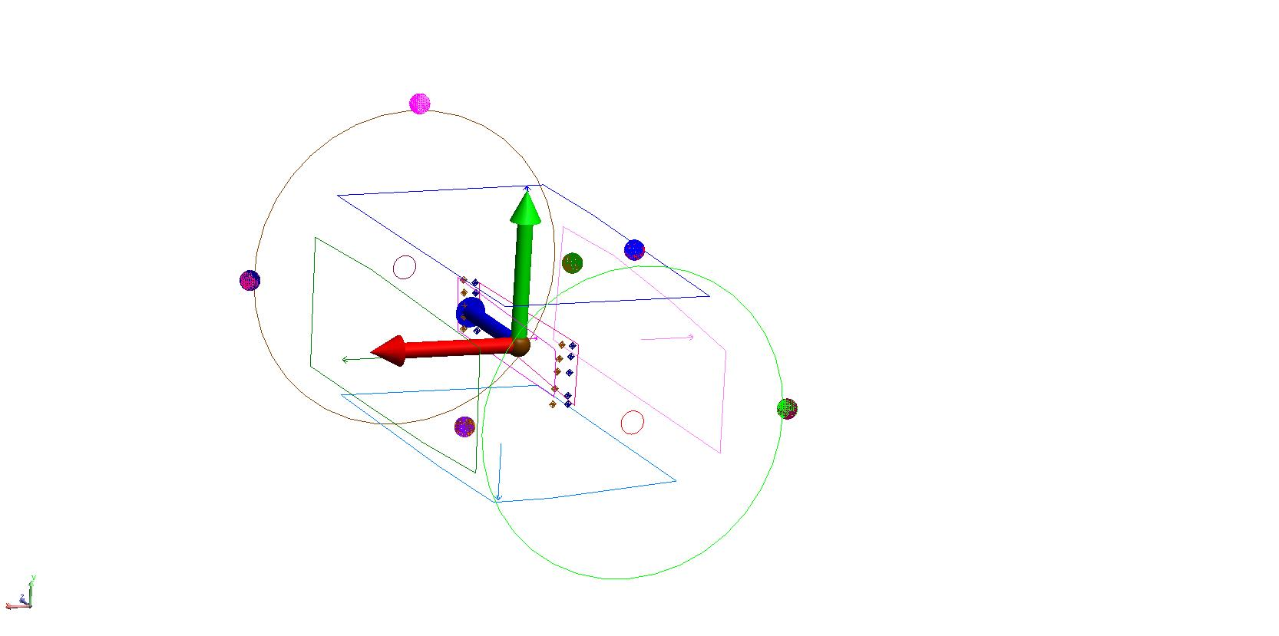
 | MIN | AVG | MAX |  |  |  |  |  |  |  |  |  |  | p2 | -4.46 | 11.99 | -74.90 | -7.46
DISTANCE BETWEEN ELECTRODES | 14.78 | 15.02 | 15.31 |  |  |  |  |  |  |  |  |  |  | p3 | -4.52 | 1.40 | -73.66 | -7.52
*** These distances are based on best-fit plane |  |  |  |  |  |  |  |  |  |  |  |  |  | p4 | -4.62 | -13.60 | -73.02 | -7.62
 | Horizontal Wien |  |  |  |  |  |  |  |  |  |  |  |  | p5 | -4.66 | -19.06 | -73.69 | -7.66
 | Electrode gap US | Electrode gap DS | Difference US-DS |  |  |  |  |  |  |  |  |  |  | p6 | -4.63 | -11.85 | 78.91 | -7.63
 | 15.31 | 15.19 | 0.12 |  |  |  |  |  |  |  |  |  |  | p7 | -4.57 | -4.83 | 79.90 | -7.57
 | 15.21 | 15.07 | 0.14 |  |  |  |  |  |  |  |  |  |  | p8 | -4.52 | 4.26 | 82.24 | -7.52
 | 15.03 | 14.98 | 0.05 |  |  |  |  |  |  |  |  |  |  | p9 | -4.47 | 11.17 | 83.98 | -7.47
 | 14.91 | 14.85 | 0.06 |  |  |  |  |  |  |  |  |  |  | p10 | -4.43 | 17.38 | 85.60 | -7.43
 | 14.80 | 14.77 | 0.03

