gun to quarter
 | Element | Z position | Note | Notes2
this | 350kV Gun | 0 |  | ion pump #1 on gun
section | Corrector #1, H and V | Same Z | on 2.5" pipe | all on "NEG tube", | colored sections represent things that have something in common
should | BPM 1 |  | on 2.5" pipe | We don't need to install | like occupy same longitudinal location or same vacuum chamber
look very | Solenoid #1 |  |  | the bpms right away, or ever
similar to | Corrector #2, H and V | Same Z | on 2.5" pipe | but I will include them in our count
CEBAF | BPM 2 |  | on 2.5" pipe |  | 2 | skew quads per Alex
injector | 4.5" valve #1, pneumatic preferred |  | 4.5" flange |  | 9 | sets of corrector pairs |  |  | total number of magnet cards: 25 |  | 31 | including one set of steering magnets on spectrometer line, and two skew quads
from | Viewer#1 |  | a common chamber |  | 9 | ion pumps |  |  |  |  |  | plus include 2 quads
gun to | ion pump #2 |  | John's design |  | 9 | ion pump supplies
wien | NEG pump modules |  |  |  | 8 | BPMS
 | Bend magnet |  |  |  | 4 | valves | (one 4.5", and 3 2.75")
 | Viewer#2 |  |  |  | 7 | viewers
 | ion pump #3 |  |  |  | 7 | solenoids
 | Corrector#3, H and V | Same Z | on 1.5" pipe | plus quad over top of corrector | 2 | insertable cups
 | BPM 3 |  | on 1.5" pipe |  | 1 | differential pump cans
 | Solenoid#2 |  |  |  | 4 | apertures
 | Viewer#3 | Same Z | on 6 way cross |  | 8 | current monitoring with picoammeters |  | anode, two insertable cups, potentially four apertures, spectrometer dump
 | ion pump #4 |  |  |  | 1 | 15 degree dipole
 | Hwien |  |  |  | 1 | ~ 30 degree dipole for spectrometer |  |  |  | apertures need independent ammeter, the cups and dumps could share one
 | Viewer#4 | Same Z | on 6 way cross |  | 1 | yao cavity
 | Insertable Cup FC1 |  |  |  | 1 | Brock cavity somewhere?
 | ion pump #5
 | Corrector#4, H and V | Same Z | on 1.5" pipe | plus quad over top of corrector
 | BPM 4 |  | on 1.5" pipe
 | Valve #2, can be manual
 | Can we put two apertures in this area, seprated by ~ 75cm, to define our launch into chopper? Can the Wien exit face plate be a smaller hole?
 | Solenoid#3
 | Chopper 1 |  |  | Grouping describes the chopper
 | Corrector#5, H and V
 | BPM 5 |  | on 2.5" pipe
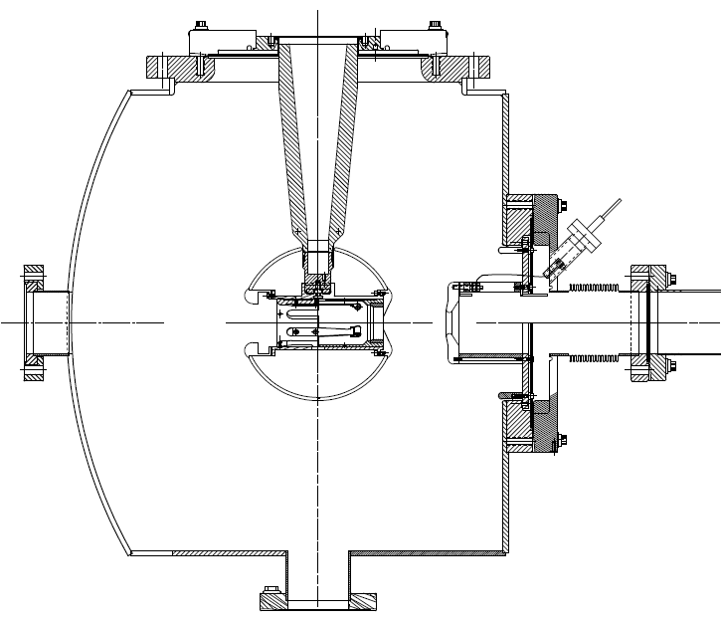
Gun
Bend
Wien
Buncher
1497 MHz choppers
A4
A2
1/4CM
A3
A1
1
2
3
4
5
6
7
spectrometer
 | Solenoid#4
 | Slit | inside common chamber
 | Viewer#5 | can be CEBAF chamber that we modify
 | ion pump #6
 | NEG pump
 | Solenoid#5 | same current supply as Solenoid#5
 | Corrector#6, H and V
 | BPM 6 |  | on 2.5" pipe
 | Chopper 2
 | Solenoid #6
 | Valve #3, can be manual
region | Corrector #7, H and V | Same Z
between | BPM 7
the chopper | Viewer#6 |  | common 6 way cross
and the | Ion pump #7
1/4CM | 750 MHz buncher
 | Aperture A3
 | dipole magnet to spectrometer….more on this below
 | Corrector #8, H and V | Same Z
 | BPM 8
 | Alex wants two skew quads somewhere in this region….
 | Yao cavity
 | Viewer#7 |  | common 6 way cross
 | Insertable Cup FC1
 | Ion Pump #8
 | Aperture A4, can it be inside a narrow dif pump can? With ion pump #9
 | Solenoid #7 (if modeling says we need it)
 | Valve #4, pneumatic 2.75"
 | 1/4 CM

 | The spectrometer does not need to be complicated, it is not for measuring energy, since beam energy = gun voltage
 | It will be used to set buncher/laser phases, buncher amplitude

 | 30 degree dipole magnet and vacuum can
 | steering magnet
 | ion pump
 | viewer
 | brock cavity?
 | harp?
 | dump

