Sheet1
Be target, ver.1 - hole in W-shielding |  |  |  |  | Te = 12 GeV |  | Ie = 5 μA

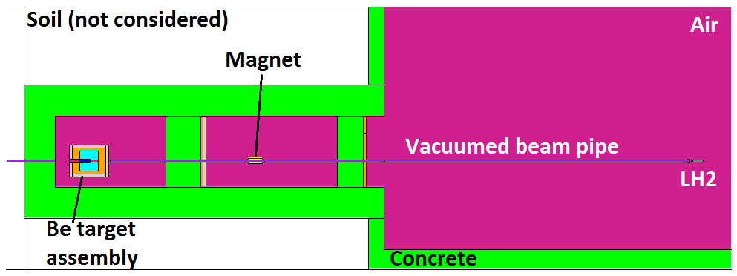

Side view:
(vertical XS)

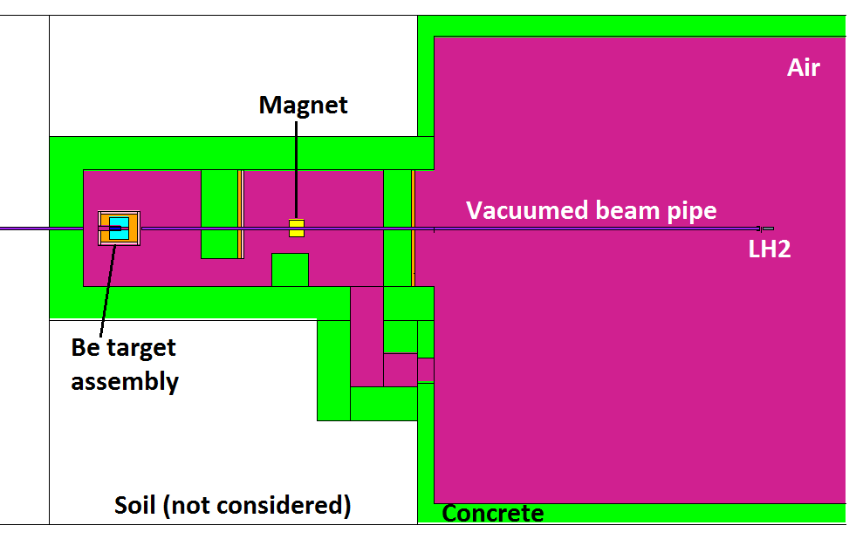

Top view:
(horizontal XS)

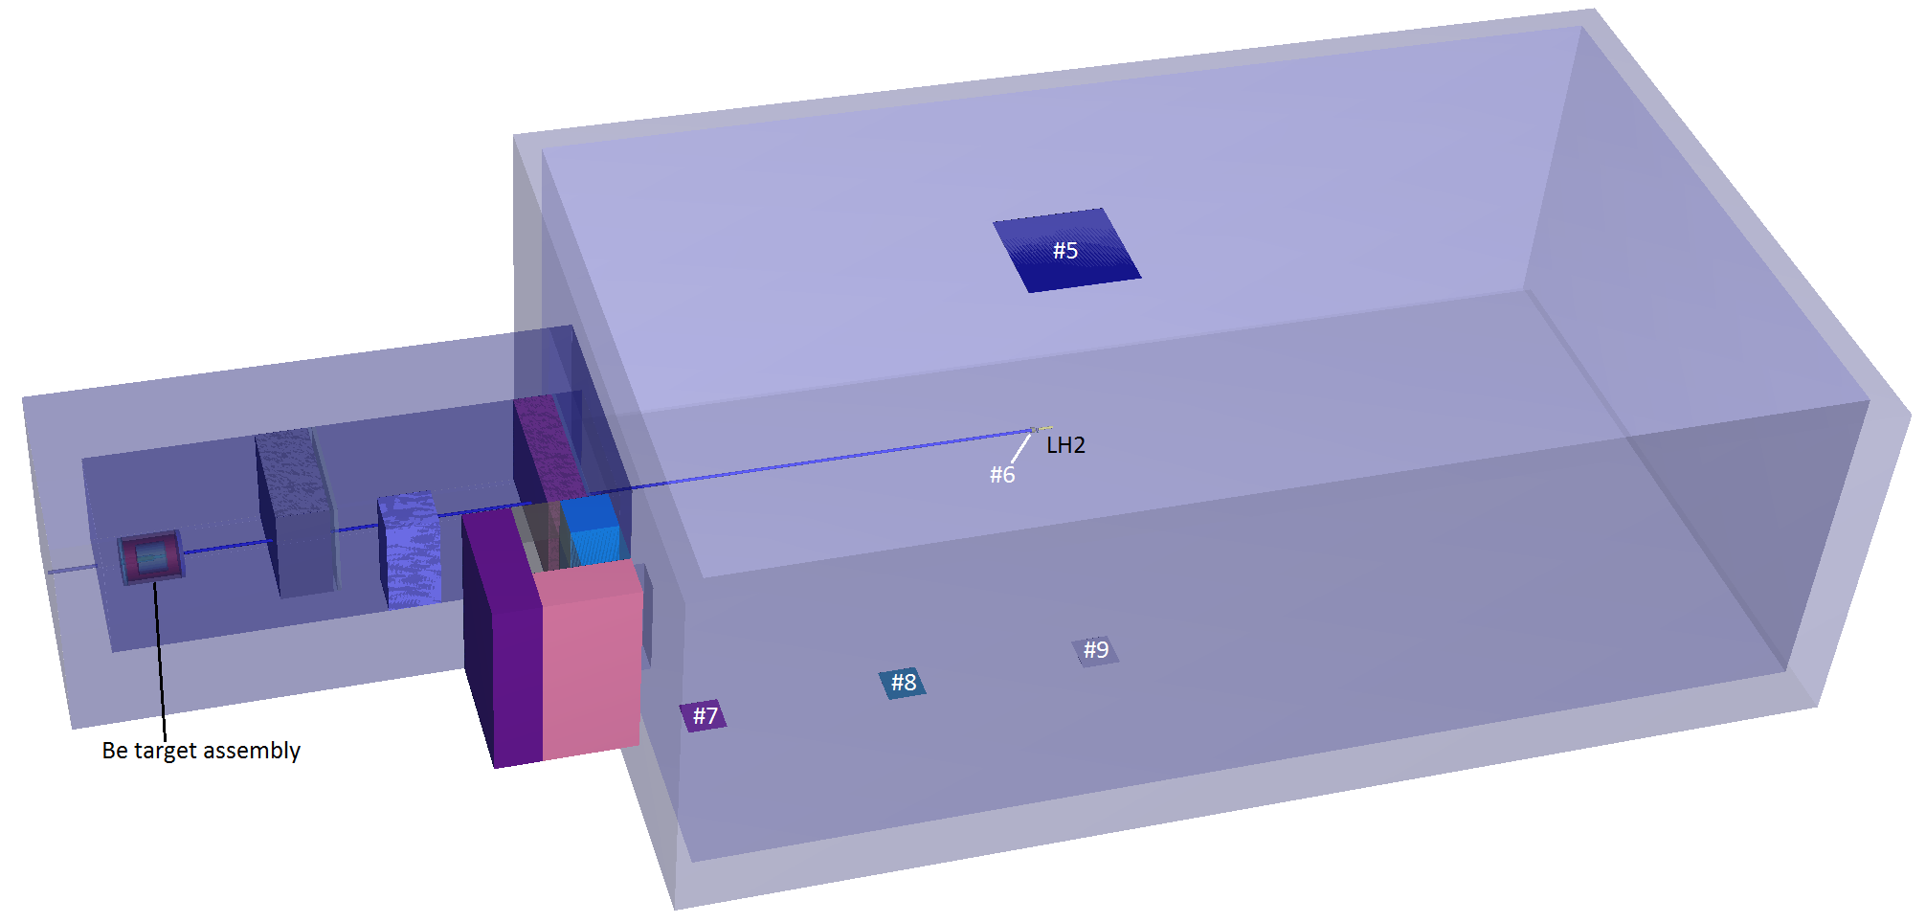

Neutron flux and doses |  |  |  | ~3e8 e-events
 |  |  |  |  |  |  |  |  |  |  |  |  |  |  |  |  |  |  |  |  |  |  |  |  |  |  |  |  |  |  |  |  |  |  |  | Tally #1 - norm to #6
Tally: | Ø 7 cm, ΔL = 1 cm |  |  | Ø 7 cm, ΔL = 1 cm |  |  | Ø 7 cm, ΔL = 1 cm |  |  | Ø 7 cm, ΔL = 1 cm |  |  |  |  | Tally #1: | ΔE, MeV |  | N/(s cm2) | ± | ± ratio | N/(s cm2 MeV) | ± |  |  |  |  |  | Tally #6: | ΔE, MeV |  | N/(s cm2) | ± | ± ratio | N/(s cm2 MeV) | ± | N/(s cm2 MeV) | ±
1 |  |  | 2 |  |  | 3 |  |  | 4
N flux in Tally #1
N flux in Tally #6
N/(s cm2) | ± ratio | ± | N/(s cm2) | ± ratio | ± | N/(s cm2) | ± ratio | ± | N/(s cm2) | ± ratio | ± |  |  |  |  | 0.00E+00 | 1.00E-09 | 0.000E+00 | 0.000E+00 | 0 | 0.00E+00 | 0.00E+00 |  |  |  |  |  |  | 0.00E+00 | 1.00E-09 | 0.000E+00 | 0.000E+00 | 0 | 0.00E+00 | 0.00E+00 | 0.00E+00 | 0.00E+00
N flux in Tally #1
N flux in Tally #6
1.77E+04 | 0.1389 | 2.46E+03 | 3.18E+02 | 0.7114 | 2.26E+02 | 3.94E+03 | 0.189 | 7.45E+02 | 8.44E+02 | 0.4082 | 3.45E+02 |  |  |  |  | 1.00E-09 | 1.00E-08 | 0.000E+00 | 0.000E+00 | 0 | 0.00E+00 | 0.00E+00 |  |  |  |  |  |  | 1.00E-09 | 1.00E-08 | 0.000E+00 | 0.000E+00 | 0 | 0.00E+00 | 0.00E+00 | 0.00E+00 | 0.00E+00
 |  |  |  |  |  |  |  |  |  |  |  |  |  |  |  | 1.00E-08 | 2.50E-08 | 0.000E+00 | 0.000E+00 | 0 | 0.00E+00 | 0.00E+00 |  |  |  |  |  |  | 1.00E-08 | 2.50E-08 | 0.000E+00 | 0.000E+00 | 0 | 0.00E+00 | 0.00E+00 | 0.00E+00 | 0.00E+00
 |  |  |  |  |  |  |  |  |  |  |  |  |  |  |  | 2.50E-08 | 1.00E-07 | 0.000E+00 | 0.000E+00 | 0 | 0.00E+00 | 0.00E+00 |  |  |  |  |  |  | 2.50E-08 | 1.00E-07 | 0.000E+00 | 0.000E+00 | 0 | 0.00E+00 | 0.00E+00 | 0.00E+00 | 0.00E+00
 | 3 × 3 m, ΔL = 1 cm |  |  | ΔL = 10 cm, OØ 8 cm, IØ 7 cm |  |  | 1 × 1 m, ΔL = 1 cm |  |  | 1 × 1 m, ΔL = 1 cm |  |  | 1 × 1 m, ΔL = 1 cm |  |  | 1.00E-07 | 2.00E-07 | 0.000E+00 | 0.000E+00 | 0 | 0.00E+00 | 0.00E+00 |  |  |  |  |  |  | 1.00E-07 | 2.00E-07 | 0.000E+00 | 0.000E+00 | 0 | 0.00E+00 | 0.00E+00 | 0.00E+00 | 0.00E+00
5 |  |  | 6 |  |  | 7 |  |  | 8 |  |  | 9 |  |  |  | 2.00E-07 | 5.00E-07 | 0.000E+00 | 0.000E+00 | 0 | 0.00E+00 | 0.00E+00 |  |  |  |  |  |  | 2.00E-07 | 5.00E-07 | 0.000E+00 | 0.000E+00 | 0 | 0.00E+00 | 0.00E+00 | 0.00E+00 | 0.00E+00
mrem/h | ± ratio | ± | N/(s cm2) | ± ratio | ± | mrem/h | ± ratio | ± | mrem/h | ± ratio | ± | mrem/h | ± ratio | ± |  | 5.00E-07 | 1.00E-06 | 0.000E+00 | 0.000E+00 | 0 | 0.00E+00 | 0.00E+00 |  |  |  |  |  |  | 5.00E-07 | 1.00E-06 | 0.000E+00 | 0.000E+00 | 0 | 0.00E+00 | 0.00E+00 | 0.00E+00 | 0.00E+00
1.95E+00 | 0.2932 | 5.73E-01 | 3.67E+03 | 0.1768 | 6.49E+02 | 3.12E-02 | 0.8089 | 2.52E-02 | 4.64E+00 | 0.7038 | 3.27E+00 | 7.21E-01 | 0.5755 | 4.15E-01 |  | 1.00E-06 | 2.00E-06 | 0.000E+00 | 0.000E+00 | 0 | 0.00E+00 | 0.00E+00 |  |  |  |  |  |  | 1.00E-06 | 2.00E-06 | 0.000E+00 | 0.000E+00 | 0 | 0.00E+00 | 0.00E+00 | 0.00E+00 | 0.00E+00
 |  |  |  |  |  |  |  |  |  |  |  |  |  |  |  | 2.00E-06 | 5.00E-06 | 0.000E+00 | 0.000E+00 | 0 | 0.00E+00 | 0.00E+00 |  |  |  |  |  |  | 2.00E-06 | 5.00E-06 | 0.000E+00 | 0.000E+00 | 0 | 0.00E+00 | 0.00E+00 | 0.00E+00 | 0.00E+00
 |  |  |  |  |  |  |  |  |  |  |  |  |  |  |  | 5.00E-06 | 1.00E-05 | 0.000E+00 | 0.000E+00 | 0 | 0.00E+00 | 0.00E+00 |  |  |  |  |  |  | 5.00E-06 | 1.00E-05 | 0.000E+00 | 0.000E+00 | 0 | 0.00E+00 | 0.00E+00 | 0.00E+00 | 0.00E+00
 |  |  |  |  |  |  |  |  |  |  |  |  |  |  |  | 1.00E-05 | 2.00E-05 | 0.000E+00 | 0.000E+00 | 0 | 0.00E+00 | 0.00E+00 |  |  |  |  |  |  | 1.00E-05 | 2.00E-05 | 0.000E+00 | 0.000E+00 | 0 | 0.00E+00 | 0.00E+00 | 0.00E+00 | 0.00E+00
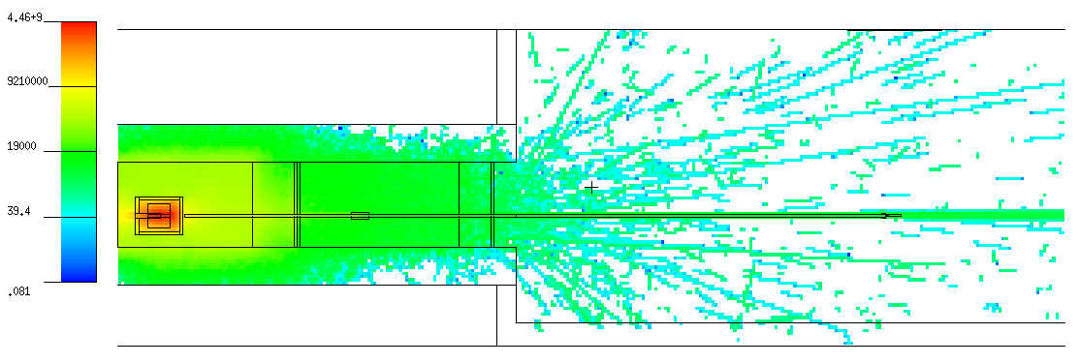
 |  |  |  |  |  |  |  |  |  |  |  |  |  |  |  | 2.00E-05 | 5.00E-05 | 0.000E+00 | 0.000E+00 | 0 | 0.00E+00 | 0.00E+00 |  |  |  |  |  |  | 2.00E-05 | 5.00E-05 | 0.000E+00 | 0.000E+00 | 0 | 0.00E+00 | 0.00E+00 | 0.00E+00 | 0.00E+00
 |  |  |  |  |  |  |  |  |  |  |  |  |  |  |  | 5.00E-05 | 1.00E-04 | 0.000E+00 | 0.000E+00 | 0 | 0.00E+00 | 0.00E+00 |  |  |  |  |  |  | 5.00E-05 | 1.00E-04 | 0.000E+00 | 0.000E+00 | 0 | 0.00E+00 | 0.00E+00 | 0.00E+00 | 0.00E+00
 |  |  |  |  |  |  |  |  |  |  |  |  |  |  |  | 1.00E-04 | 2.00E-04 | 0.000E+00 | 0.000E+00 | 0 | 0.00E+00 | 0.00E+00 |  |  |  |  |  |  | 1.00E-04 | 2.00E-04 | 0.000E+00 | 0.000E+00 | 0 | 0.00E+00 | 0.00E+00 | 0.00E+00 | 0.00E+00
 |  |  |  |  |  |  |  |  |  |  |  |  |  |  |  | 2.00E-04 | 5.00E-04 | 0.000E+00 | 0.000E+00 | 0 | 0.00E+00 | 0.00E+00 |  |  |  |  |  |  | 2.00E-04 | 5.00E-04 | 0.000E+00 | 0.000E+00 | 0 | 0.00E+00 | 0.00E+00 | 0.00E+00 | 0.00E+00
 |  |  |  |  |  |  |  |  |  |  |  |  |  |  |  | 5.00E-04 | 1.00E-03 | 0.000E+00 | 0.000E+00 | 0 | 0.00E+00 | 0.00E+00 |  |  |  |  |  |  | 5.00E-04 | 1.00E-03 | 0.000E+00 | 0.000E+00 | 0 | 0.00E+00 | 0.00E+00 | 0.00E+00 | 0.00E+00
 |  |  |  |  |  |  |  |  |  |  |  |  |  |  |  | 1.00E-03 | 2.00E-03 | 0.000E+00 | 0.000E+00 | 0 | 0.00E+00 | 0.00E+00 |  |  |  |  |  |  | 1.00E-03 | 2.00E-03 | 0.000E+00 | 0.000E+00 | 0 | 0.00E+00 | 0.00E+00 | 0.00E+00 | 0.00E+00
 |  |  |  |  |  |  |  |  |  |  |  |  |  |  |  | 2.00E-03 | 5.00E-03 | 0.000E+00 | 0.000E+00 | 0 | 0.00E+00 | 0.00E+00 |  |  |  |  |  |  | 2.00E-03 | 5.00E-03 | 0.000E+00 | 0.000E+00 | 0 | 0.00E+00 | 0.00E+00 | 0.00E+00 | 0.00E+00
 |  |  |  |  |  |  |  |  |  |  |  |  |  |  |  | 5.00E-03 | 1.00E-02 | 0.000E+00 | 0.000E+00 | 0 | 0.00E+00 | 0.00E+00 |  |  |  |  |  |  | 5.00E-03 | 1.00E-02 | 0.000E+00 | 0.000E+00 | 0 | 0.00E+00 | 0.00E+00 | 0.00E+00 | 0.00E+00
N flux in Tally #1, norm to #6
Side view: |  |  |  |  |  |  |  |  |  |  |  |  |  |  |  | 1.00E-02 | 2.00E-02 | 0.000E+00 | 0.000E+00 | 0 | 0.00E+00 | 0.00E+00 |  |  |  |  |  |  | 1.00E-02 | 2.00E-02 | 0.000E+00 | 0.000E+00 | 0 | 0.00E+00 | 0.00E+00 | 0.00E+00 | 0.00E+00
(vertical XS) |  |  |  |  |  |  |  |  |  |  |  |  |  |  |  | 2.00E-02 | 3.00E-02 | 0.000E+00 | 0.000E+00 | 0 | 0.00E+00 | 0.00E+00 |  |  |  |  |  |  | 2.00E-02 | 3.00E-02 | 0.000E+00 | 0.000E+00 | 0 | 0.00E+00 | 0.00E+00 | 0.00E+00 | 0.00E+00
 |  |  |  |  |  |  |  |  |  |  |  |  |  |  |  | 3.00E-02 | 5.00E-02 | 0.000E+00 | 0.000E+00 | 0 | 0.00E+00 | 0.00E+00 |  |  |  |  |  |  | 3.00E-02 | 5.00E-02 | 0.000E+00 | 0.000E+00 | 0 | 0.00E+00 | 0.00E+00 | 0.00E+00 | 0.00E+00
 |  |  |  |  |  |  |  |  |  |  |  |  |  |  |  | 5.00E-02 | 7.00E-02 | 0.000E+00 | 0.000E+00 | 0 | 0.00E+00 | 0.00E+00 |  |  |  |  |  |  | 5.00E-02 | 7.00E-02 | 0.000E+00 | 0.000E+00 | 0 | 0.00E+00 | 0.00E+00 | 0.00E+00 | 0.00E+00
 |  |  |  |  |  |  |  |  |  |  |  |  |  |  |  | 7.00E-02 | 1.00E-01 | 0.000E+00 | 0.000E+00 | 0 | 0.00E+00 | 0.00E+00 |  |  |  |  |  |  | 7.00E-02 | 1.00E-01 | 0.000E+00 | 0.000E+00 | 0 | 0.00E+00 | 0.00E+00 | 0.00E+00 | 0.00E+00
 |  |  |  |  |  |  |  |  |  |  |  |  |  |  |  | 1.00E-01 | 1.50E-01 | 0.000E+00 | 0.000E+00 | 0 | 0.00E+00 | 0.00E+00 |  |  |  |  |  |  | 1.00E-01 | 1.50E-01 | 0.000E+00 | 0.000E+00 | 0 | 0.00E+00 | 0.00E+00 | 0.00E+00 | 0.00E+00
 |  |  |  |  |  |  |  |  |  |  |  |  |  |  |  | 1.50E-01 | 2.00E-01 | 1.401E+03 | 1.401E+03 | 1 | 2.80E+04 | 2.80E+04 |  |  |  |  |  |  | 1.50E-01 | 2.00E-01 | 0.000E+00 | 0.000E+00 | 0 | 0.00E+00 | 0.00E+00 | 5.82E+03 | 5.82E+03
 |  |  |  |  |  |  |  |  |  |  |  |  |  |  |  | 2.00E-01 | 3.00E-01 | 0.000E+00 | 0.000E+00 | 0 | 0.00E+00 | 0.00E+00 |  |  |  |  |  |  | 2.00E-01 | 3.00E-01 | 0.000E+00 | 0.000E+00 | 0 | 0.00E+00 | 0.00E+00 | 0.00E+00 | 0.00E+00
 |  |  |  |  |  |  |  |  |  |  |  |  |  |  |  | 3.00E-01 | 5.00E-01 | 0.000E+00 | 0.000E+00 | 0 | 0.00E+00 | 0.00E+00 |  |  |  |  |  |  | 3.00E-01 | 5.00E-01 | 0.000E+00 | 0.000E+00 | 0 | 0.00E+00 | 0.00E+00 | 0.00E+00 | 0.00E+00
 |  |  |  |  |  |  |  |  |  |  |  |  |  |  |  | 5.00E-01 | 7.00E-01 | 0.000E+00 | 0.000E+00 | 0 | 0.00E+00 | 0.00E+00 |  |  |  |  |  |  | 5.00E-01 | 7.00E-01 | 0.000E+00 | 0.000E+00 | 0 | 0.00E+00 | 0.00E+00 | 0.00E+00 | 0.00E+00
 |  |  |  |  |  |  |  |  |  |  |  |  |  |  |  | 7.00E-01 | 9.00E-01 | 1.404E+03 | 1.404E+03 | 1 | 7.02E+03 | 7.02E+03 |  |  |  |  |  |  | 7.00E-01 | 9.00E-01 | 1.089E+02 | 1.089E+02 | 1 | 5.45E+02 | 5.45E+02 | 1.46E+03 | 1.46E+03
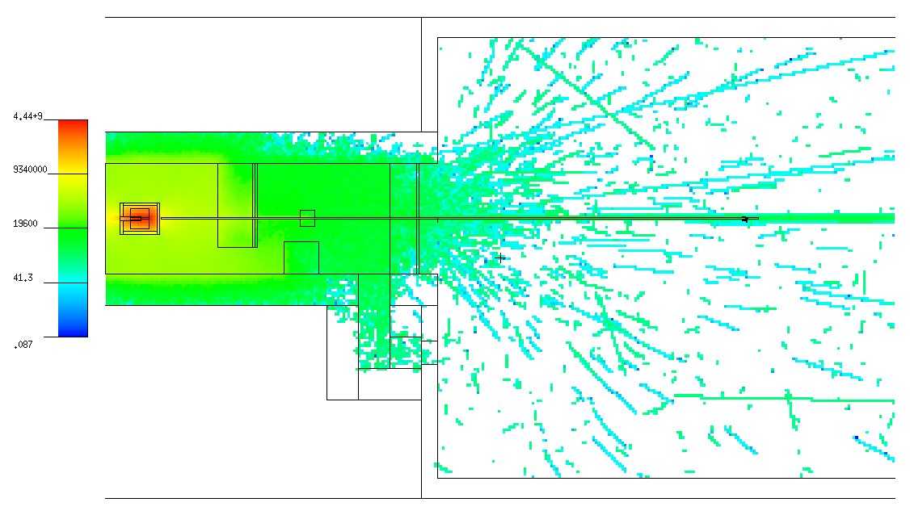
 |  |  |  |  |  |  |  |  |  |  |  |  |  |  |  | 9.00E-01 | 1.00E+00 | 0.000E+00 | 0.000E+00 | 0 | 0.00E+00 | 0.00E+00 |  |  |  |  |  |  | 9.00E-01 | 1.00E+00 | 0.000E+00 | 0.000E+00 | 0 | 0.00E+00 | 0.00E+00 | 0.00E+00 | 0.00E+00
 |  |  |  |  |  |  |  |  |  |  |  |  |  |  |  | 1.00E+00 | 1.20E+00 | 0.000E+00 | 0.000E+00 | 0 | 0.00E+00 | 0.00E+00 |  |  |  |  |  |  | 1.00E+00 | 1.20E+00 | 0.000E+00 | 0.000E+00 | 0 | 0.00E+00 | 0.00E+00 | 0.00E+00 | 0.00E+00
 |  |  |  |  |  |  |  |  |  |  |  |  |  |  |  | 1.20E+00 | 2.00E+00 | 0.000E+00 | 0.000E+00 | 0 | 0.00E+00 | 0.00E+00 |  |  |  |  |  |  | 1.20E+00 | 2.00E+00 | 0.000E+00 | 0.000E+00 | 0 | 0.00E+00 | 0.00E+00 | 0.00E+00 | 0.00E+00
 |  |  |  |  |  |  |  |  |  |  |  |  |  |  |  | 2.00E+00 | 3.00E+00 | 0.000E+00 | 0.000E+00 | 0 | 0.00E+00 | 0.00E+00 |  |  |  |  |  |  | 2.00E+00 | 3.00E+00 | 0.000E+00 | 0.000E+00 | 0 | 0.00E+00 | 0.00E+00 | 0.00E+00 | 0.00E+00
 |  |  |  |  |  |  |  |  |  |  |  |  |  |  |  | 3.00E+00 | 4.00E+00 | 0.000E+00 | 0.000E+00 | 0 | 0.00E+00 | 0.00E+00 |  |  |  |  |  |  | 3.00E+00 | 4.00E+00 | 0.000E+00 | 0.000E+00 | 0 | 0.00E+00 | 0.00E+00 | 0.00E+00 | 0.00E+00
 |  |  |  |  |  |  |  |  |  |  |  |  |  |  |  | 4.00E+00 | 5.00E+00 | 1.407E+02 | 1.407E+02 | 1 | 1.41E+02 | 1.41E+02 |  |  |  |  |  |  | 4.00E+00 | 5.00E+00 | 0.000E+00 | 0.000E+00 | 0 | 0.00E+00 | 0.00E+00 | 2.92E+01 | 2.92E+01
 |  |  |  |  |  |  |  |  |  |  |  |  |  |  |  | 5.00E+00 | 6.00E+00 | 0.000E+00 | 0.000E+00 | 0 | 0.00E+00 | 0.00E+00 |  |  |  |  |  |  | 5.00E+00 | 6.00E+00 | 0.000E+00 | 0.000E+00 | 0 | 0.00E+00 | 0.00E+00 | 0.00E+00 | 0.00E+00
 |  |  |  |  |  |  |  |  |  |  |  |  |  |  |  | 6.00E+00 | 7.00E+00 | 0.000E+00 | 0.000E+00 | 0 | 0.00E+00 | 0.00E+00 |  |  |  |  |  |  | 6.00E+00 | 7.00E+00 | 0.000E+00 | 0.000E+00 | 0 | 0.00E+00 | 0.00E+00 | 0.00E+00 | 0.00E+00
 |  |  |  |  |  |  |  |  |  |  |  |  |  |  |  | 7.00E+00 | 8.00E+00 | 0.000E+00 | 0.000E+00 | 0 | 0.00E+00 | 0.00E+00 |  |  |  |  |  |  | 7.00E+00 | 8.00E+00 | 0.000E+00 | 0.000E+00 | 0 | 0.00E+00 | 0.00E+00 | 0.00E+00 | 0.00E+00
 |  |  |  |  |  |  |  |  |  |  |  |  |  |  |  | 8.00E+00 | 9.00E+00 | 0.000E+00 | 0.000E+00 | 0 | 0.00E+00 | 0.00E+00 |  |  |  |  |  |  | 8.00E+00 | 9.00E+00 | 0.000E+00 | 0.000E+00 | 0 | 0.00E+00 | 0.00E+00 | 0.00E+00 | 0.00E+00
 |  |  |  |  |  |  |  |  |  |  |  |  |  |  |  | 9.00E+00 | 1.00E+01 | 0.000E+00 | 0.000E+00 | 0 | 0.00E+00 | 0.00E+00 |  |  |  |  |  |  | 9.00E+00 | 1.00E+01 | 0.000E+00 | 0.000E+00 | 0 | 0.00E+00 | 0.00E+00 | 0.00E+00 | 0.00E+00
Top view: |  |  |  |  |  |  |  |  |  |  |  |  |  |  |  | 1.00E+01 | 1.20E+01 | 0.000E+00 | 0.000E+00 | 0 | 0.00E+00 | 0.00E+00 |  |  |  |  |  |  | 1.00E+01 | 1.20E+01 | 0.000E+00 | 0.000E+00 | 0 | 0.00E+00 | 0.00E+00 | 0.00E+00 | 0.00E+00
(horizontal XS) |  |  |  |  |  |  |  |  |  |  |  |  |  |  |  | 1.20E+01 | 1.40E+01 | 0.000E+00 | 0.000E+00 | 0 | 0.00E+00 | 0.00E+00 |  |  |  |  |  |  | 1.20E+01 | 1.40E+01 | 0.000E+00 | 0.000E+00 | 0 | 0.00E+00 | 0.00E+00 | 0.00E+00 | 0.00E+00
 |  |  |  |  |  |  |  |  |  |  |  |  |  |  |  | 1.40E+01 | 1.50E+01 | 0.000E+00 | 0.000E+00 | 0 | 0.00E+00 | 0.00E+00 |  |  |  |  |  |  | 1.40E+01 | 1.50E+01 | 0.000E+00 | 0.000E+00 | 0 | 0.00E+00 | 0.00E+00 | 0.00E+00 | 0.00E+00
 |  |  |  |  |  |  |  |  |  |  |  |  |  |  |  | 1.50E+01 | 1.60E+01 | 0.000E+00 | 0.000E+00 | 0 | 0.00E+00 | 0.00E+00 |  |  |  |  |  |  | 1.50E+01 | 1.60E+01 | 0.000E+00 | 0.000E+00 | 0 | 0.00E+00 | 0.00E+00 | 0.00E+00 | 0.00E+00
 |  |  |  |  |  |  |  |  |  |  |  |  |  |  |  | 1.60E+01 | 1.80E+01 | 0.000E+00 | 0.000E+00 | 0 | 0.00E+00 | 0.00E+00 |  |  |  |  |  |  | 1.60E+01 | 1.80E+01 | 0.000E+00 | 0.000E+00 | 0 | 0.00E+00 | 0.00E+00 | 0.00E+00 | 0.00E+00
 |  |  |  |  |  |  |  |  |  |  |  |  |  |  |  | 1.80E+01 | 2.00E+01 | 0.000E+00 | 0.000E+00 | 0 | 0.00E+00 | 0.00E+00 |  |  |  |  |  |  | 1.80E+01 | 2.00E+01 | 0.000E+00 | 0.000E+00 | 0 | 0.00E+00 | 0.00E+00 | 0.00E+00 | 0.00E+00
 |  |  |  |  |  |  |  |  |  |  |  |  |  |  |  | 2.00E+01 | 3.00E+01 | 0.000E+00 | 0.000E+00 | 0 | 0.00E+00 | 0.00E+00 |  |  |  |  |  |  | 2.00E+01 | 3.00E+01 | 0.000E+00 | 0.000E+00 | 0 | 0.00E+00 | 0.00E+00 | 0.00E+00 | 0.00E+00
 |  |  |  |  |  |  |  |  |  |  |  |  |  |  |  | 3.00E+01 | 5.00E+01 | 1.407E+02 | 1.407E+02 | 1 | 7.04E+00 | 7.04E+00 |  |  |  |  |  |  | 3.00E+01 | 5.00E+01 | 0.000E+00 | 0.000E+00 | 0 | 0.00E+00 | 0.00E+00 | 1.46E+00 | 1.46E+00
 |  |  |  |  |  |  |  |  |  |  |  |  |  |  |  | 5.00E+01 | 7.50E+01 | 0.000E+00 | 0.000E+00 | 0 | 0.00E+00 | 0.00E+00 |  |  |  |  |  |  | 5.00E+01 | 7.50E+01 | 0.000E+00 | 0.000E+00 | 0 | 0.00E+00 | 0.00E+00 | 0.00E+00 | 0.00E+00
 |  |  |  |  |  |  |  |  |  |  |  |  |  |  |  | 7.50E+01 | 1.00E+02 | 1.407E+02 | 1.407E+02 | 1 | 5.63E+00 | 5.63E+00 |  |  |  |  |  |  | 7.50E+01 | 1.00E+02 | 0.000E+00 | 0.000E+00 | 0 | 0.00E+00 | 0.00E+00 | 1.17E+00 | 1.17E+00
 |  |  |  |  |  |  |  |  |  |  |  |  |  |  |  | 1.00E+02 | 1.30E+02 | 4.221E+02 | 2.437E+02 | 0.5774 | 1.41E+01 | 8.12E+00 |  |  |  |  |  |  | 1.00E+02 | 1.30E+02 | 2.298E+02 | 1.625E+02 | 0.7071 | 7.66E+00 | 5.42E+00 | 2.92E+00 | 1.69E+00
 |  |  |  |  |  |  |  |  |  |  |  |  |  |  |  | 1.30E+02 | 1.50E+02 | 4.221E+02 | 2.437E+02 | 0.5774 | 2.11E+01 | 1.22E+01 |  |  |  |  |  |  | 1.30E+02 | 1.50E+02 | 1.149E+02 | 1.149E+02 | 1 | 5.75E+00 | 5.75E+00 | 4.38E+00 | 2.53E+00
 |  |  |  |  |  |  |  |  |  |  |  |  |  |  |  | 1.50E+02 | 1.80E+02 | 1.689E+03 | 4.875E+02 | 0.2887 | 5.63E+01 | 1.62E+01 |  |  |  |  |  |  | 1.50E+02 | 1.80E+02 | 1.149E+02 | 1.149E+02 | 1 | 3.83E+00 | 3.83E+00 | 1.17E+01 | 3.37E+00
 |  |  |  |  |  |  |  |  |  |  |  |  |  |  |  | 1.80E+02 | 2.20E+02 | 3.285E+03 | 6.866E+02 | 0.209 | 8.21E+01 | 1.72E+01 |  |  |  |  |  |  | 1.80E+02 | 2.20E+02 | 5.746E+02 | 2.569E+02 | 0.4472 | 1.44E+01 | 6.42E+00 | 1.71E+01 | 3.56E+00
 |  |  |  |  |  |  |  |  |  |  |  |  |  |  |  | 2.20E+02 | 5.00E+02 | 5.398E+03 | 8.691E+02 | 0.161 | 1.93E+01 | 3.10E+00 |  |  |  |  |  |  | 2.20E+02 | 5.00E+02 | 1.724E+03 | 4.451E+02 | 0.2582 | 6.16E+00 | 1.59E+00 | 4.00E+00 | 6.45E-01
 |  |  |  |  |  |  |  |  |  |  |  |  |  |  |  | 5.00E+02 | 1.00E+03 | 1.689E+03 | 4.876E+02 | 0.2887 | 3.38E+00 | 9.75E-01 |  |  |  |  |  |  | 5.00E+02 | 1.00E+03 | 3.447E+02 | 1.991E+02 | 0.5774 | 6.89E-01 | 3.98E-01 | 7.01E-01 | 2.02E-01
 |  |  |  |  |  |  |  |  |  |  |  |  |  |  |  | 1.00E+03 | 2.00E+03 | 8.443E+02 | 3.446E+02 | 0.4082 | 8.44E-01 | 3.45E-01 |  |  |  |  |  |  | 1.00E+03 | 2.00E+03 | 1.149E+02 | 1.149E+02 | 1 | 1.15E-01 | 1.15E-01 | 1.75E-01 | 7.16E-02
 |  |  |  |  |  |  |  |  |  |  |  |  |  |  |  | 2.00E+03 | 5.00E+03 | 4.221E+02 | 2.437E+02 | 0.5774 | 1.41E-01 | 8.12E-02 |  |  |  |  |  |  | 2.00E+03 | 5.00E+03 | 3.447E+02 | 1.991E+02 | 0.5774 | 1.15E-01 | 6.64E-02 | 2.92E-02 | 1.69E-02
 |  |  |  |  |  |  |  |  |  |  |  |  |  |  |  | 5.00E+03 | 8.00E+03 | 2.814E+02 | 1.990E+02 | 0.7071 | 9.38E-02 | 6.63E-02 |  |  |  |  |  |  | 5.00E+03 | 8.00E+03 | 0.000E+00 | 0.000E+00 | 0 | 0.00E+00 | 0.00E+00 | 1.95E-02 | 1.38E-02

 |  |  |  |  |  |  |  |  |  |  |  |  |  |  |  |  | Σ = | 1.768E+04 |  |  |  |  |  |  |  |  |  |  |  | Σ = | 3.671E+03

Gamma flux and doses |  |  |  | 2e8 e-events

Tally: | Ø 7 cm, ΔL = 1 cm |  |  | Ø 7 cm, ΔL = 1 cm |  |  | Ø 7 cm, ΔL = 1 cm |  |  | Ø 7 cm, ΔL = 1 cm |  |  |  |  | Tally #1: | ΔE, MeV |  | G/(s cm2) | ± | ± ratio | ΔE, MeV |  | G/(s cm2) | ± | ± ratio | G/(s cm2 MeV) | ±
1 |  |  | 2 |  |  | 3 |  |  | 4
G/(s cm2) | ± ratio | ± | G/(s cm2) | ± ratio | ± | G/(s cm2) | ± ratio | ± | G/(s cm2) | ± ratio | ± |  |  |  |  | 0.00E+00 | 1.00E-02 | 0.000E+00 | 0.000E+00 | 0 | 0.00E+00 | 1.00E-02 | 0.000E+00 | 0.000E+00 | 0 | 0.00E+00 | 0.00E+00
G flux in Tally #1
G flux in Tally #1
2.79E+04 | 0.0854 | 2.38E+03 | 0.00E+00 | 0 | 0.00E+00 | 2.40E+04 | 0.0921 | 2.21E+03 | 0.00E+00 | 0 | 0.00E+00 |  |  |  |  | 1.00E-02 | 1.50E-02 | 0.000E+00 | 0.000E+00 | 0 | 1.00E-02 | 1.50E-02 | 0.000E+00 | 0.000E+00 | 0 | 0.00E+00 | 0.00E+00
 |  |  |  |  |  |  |  |  |  |  |  |  |  |  |  | 1.50E-02 | 2.00E-02 | 0.000E+00 | 0.000E+00 | 0 | 1.50E-02 | 2.00E-02 | 0.000E+00 | 0.000E+00 | 0 | 0.00E+00 | 0.00E+00
 |  |  |  |  |  |  |  |  |  |  |  |  |  |  |  | 2.00E-02 | 3.00E-02 | 0.000E+00 | 0.000E+00 | 0 | 2.00E-02 | 3.00E-02 | 0.000E+00 | 0.000E+00 | 0 | 0.00E+00 | 0.00E+00
 | 3 × 3 m, ΔL = 1 cm |  |  | ΔL = 10 cm, OØ 8 cm, IØ 7 cm |  |  | 1 × 1 m, ΔL = 1 cm |  |  | 1 × 1 m, ΔL = 1 cm |  |  | 1 × 1 m, ΔL = 1 cm |  |  | 3.00E-02 | 4.00E-02 | 0.000E+00 | 0.000E+00 | 0 | 3.00E-02 | 4.00E-02 | 0.000E+00 | 0.000E+00 | 0 | 0.00E+00 | 0.00E+00
5 |  |  | 6 |  |  | 7 |  |  | 8 |  |  | 9 |  |  |  | 4.00E-02 | 5.00E-02 | 0.000E+00 | 0.000E+00 | 0 | 4.00E-02 | 5.00E-02 | 0.000E+00 | 0.000E+00 | 0 | 0.00E+00 | 0.00E+00
mrem/h | ± ratio | ± | G/(s cm2) | ± ratio | ± | mrem/h | ± ratio | ± | mrem/h | ± ratio | ± | mrem/h | ± ratio | ± |  | 5.00E-02 | 6.00E-02 | 0.000E+00 | 0.000E+00 | 0 | 5.00E-02 | 6.00E-02 | 0.000E+00 | 0.000E+00 | 0 | 0.00E+00 | 0.00E+00
6.69E-03 | 0.9687 | 6.48E-03 | 6.64E+02 | 0.5 | 3.32E+02 | 1.48E-02 | 1 | 1.48E-02 | 9.44E-03 | 1 | 9.44E-03 | 0.00E+00 | 0 | 0.00E+00 |  | 6.00E-02 | 7.00E-02 | 0.000E+00 | 0.000E+00 | 0 | 6.00E-02 | 7.00E-02 | 0.000E+00 | 0.000E+00 | 0 | 0.00E+00 | 0.00E+00
 |  |  |  |  |  |  |  |  |  |  |  |  |  |  |  | 7.00E-02 | 8.00E-02 | 0.000E+00 | 0.000E+00 | 0 | 7.00E-02 | 8.00E-02 | 0.000E+00 | 0.000E+00 | 0 | 0.00E+00 | 0.00E+00
 |  |  |  |  |  |  |  |  |  |  |  |  |  |  |  | 8.00E-02 | 1.00E-01 | 0.000E+00 | 0.000E+00 | 0 | 8.00E-02 | 1.00E-01 | 0.000E+00 | 0.000E+00 | 0 | 0.00E+00 | 0.00E+00
 |  |  |  |  |  |  |  |  |  |  |  |  |  |  |  | 1.00E-01 | 1.50E-01 | 0.000E+00 | 0.000E+00 | 0 | 1.00E-01 | 1.50E-01 | 0.000E+00 | 0.000E+00 | 0 | 0.00E+00 | 0.00E+00
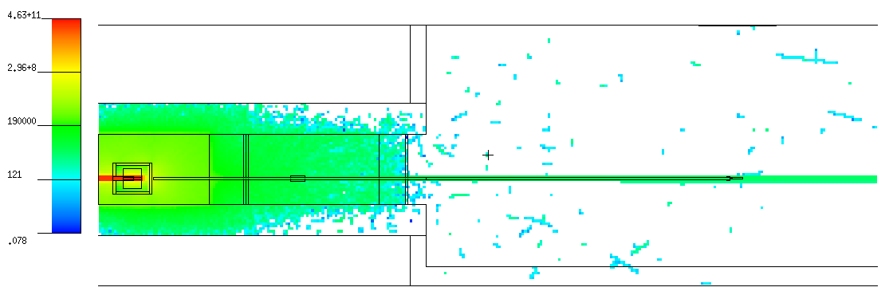
 |  |  |  |  |  |  |  |  |  |  |  |  |  |  |  | 1.50E-01 | 2.00E-01 | 0.000E+00 | 0.000E+00 | 0 | 1.50E-01 | 2.00E-01 | 0.000E+00 | 0.000E+00 | 0 | 0.00E+00 | 0.00E+00
 |  |  |  |  |  |  |  |  |  |  |  |  |  |  |  | 2.00E-01 | 3.00E-01 | 0.000E+00 | 0.000E+00 | 0 | 2.00E-01 | 3.00E-01 | 0.000E+00 | 0.000E+00 | 0 | 0.00E+00 | 0.00E+00
 |  |  |  |  |  |  |  |  |  |  |  |  |  |  |  | 3.00E-01 | 4.00E-01 | 0.000E+00 | 0.000E+00 | 0 | 3.00E-01 | 4.00E-01 | 0.000E+00 | 0.000E+00 | 0 | 0.00E+00 | 0.00E+00
 |  |  |  |  |  |  |  |  |  |  |  |  |  |  |  | 4.00E-01 | 5.00E-01 | 0.000E+00 | 0.000E+00 | 0 | 4.00E-01 | 5.00E-01 | 0.000E+00 | 0.000E+00 | 0 | 0.00E+00 | 0.00E+00
 |  |  |  |  |  |  |  |  |  |  |  |  |  |  |  | 5.00E-01 | 5.11E-01 | 0.000E+00 | 0.000E+00 | 0 | 5.00E-01 | 6.00E-01 | 0.000E+00 | 0.000E+00 | 0 | 0.00E+00 | 0.00E+00
 |  |  |  |  |  |  |  |  |  |  |  |  |  |  |  | 5.11E-01 | 6.00E-01 | 0.000E+00 | 0.000E+00 | 0 | 6.00E-01 | 8.00E-01 | 0.000E+00 | 0.000E+00 | 0 | 0.00E+00 | 0.00E+00
 |  |  |  |  |  |  |  |  |  |  |  |  |  |  |  | 6.00E-01 | 6.62E-01 | 0.000E+00 | 0.000E+00 | 0 | 8.00E-01 | 1.00E+00 | 0.000E+00 | 0.000E+00 | 0 | 0.00E+00 | 0.00E+00
 |  |  |  |  |  |  |  |  |  |  |  |  |  |  |  | 6.62E-01 | 8.00E-01 | 0.000E+00 | 0.000E+00 | 0 | 1.00E+00 | 1.50E+00 | 2.033E+02 | 2.033E+02 | 1 | 4.07E+02 | 4.07E+02
Side view: |  |  |  |  |  |  |  |  |  |  |  |  |  |  |  | 8.00E-01 | 1.00E+00 | 0.000E+00 | 0.000E+00 | 0 | 1.50E+00 | 2.00E+00 | 4.066E+02 | 2.875E+02 | 0.7071 | 8.13E+02 | 5.75E+02
(vertical XS) |  |  |  |  |  |  |  |  |  |  |  |  |  |  |  | 1.00E+00 | 1.12E+00 | 0.000E+00 | 0.000E+00 | 0 | 2.00E+00 | 3.00E+00 | 3.456E+03 | 8.382E+02 | 0.2425 | 3.46E+03 | 8.38E+02
 |  |  |  |  |  |  |  |  |  |  |  |  |  |  |  | 1.12E+00 | 1.33E+00 | 0.000E+00 | 0.000E+00 | 0 | 3.00E+00 | 4.00E+00 | 8.946E+03 | 1.349E+03 | 0.1508 | 8.95E+03 | 1.35E+03
 |  |  |  |  |  |  |  |  |  |  |  |  |  |  |  | 1.33E+00 | 1.50E+00 | 2.033E+02 | 2.033E+02 | 1 | 4.00E+00 | 5.00E+00 | 7.116E+03 | 1.203E+03 | 0.169 | 7.12E+03 | 1.20E+03
 |  |  |  |  |  |  |  |  |  |  |  |  |  |  |  | 1.50E+00 | 2.00E+00 | 4.066E+02 | 2.875E+02 | 0.7071 | 5.00E+00 | 6.00E+00 | 2.846E+03 | 7.609E+02 | 0.2673 | 2.85E+03 | 7.61E+02
 |  |  |  |  |  |  |  |  |  |  |  |  |  |  |  | 2.00E+00 | 3.00E+00 | 3.456E+03 | 8.382E+02 | 0.2425 | 6.00E+00 | 8.00E+00 | 3.660E+03 | 8.625E+02 | 0.23566956262 | 1.83E+03 | 4.31E+02
 |  |  |  |  |  |  |  |  |  |  |  |  |  |  |  | 3.00E+00 | 4.00E+00 | 8.946E+03 | 1.349E+03 | 0.1508 | 8.00E+00 | 1.00E+01 | 6.100E+02 | 3.522E+02 | 0.5774 | 3.05E+02 | 1.76E+02
 |  |  |  |  |  |  |  |  |  |  |  |  |  |  |  | 4.00E+00 | 5.00E+00 | 7.116E+03 | 1.203E+03 | 0.169 | 1.00E+01 | 1.50E+01 | 6.100E+02 | 3.522E+02 | 0.5774 | 1.22E+02 | 7.04E+01
 |  |  |  |  |  |  |  |  |  |  |  |  |  |  |  | 5.00E+00 | 6.00E+00 | 2.846E+03 | 7.609E+02 | 0.2673 | 1.50E+01 | 2.00E+01 | 0.000E+00 | 0.000E+00 | 0 | 0.00E+00 | 0.00E+00
 |  |  |  |  |  |  |  |  |  |  |  |  |  |  |  | 6.00E+00 | 6.13E+00 | 2.033E+02 | 2.033E+02 | 1 | 2.00E+01 | 3.00E+01 | 0.000E+00 | 0.000E+00 | 0 | 0.00E+00 | 0.00E+00
 |  |  |  |  |  |  |  |  |  |  |  |  |  |  |  | 6.13E+00 | 8.00E+00 | 3.456E+03 | 8.382E+02 | 0.2425 | 3.00E+01 | 4.00E+01 | 0.000E+00 | 0.000E+00 | 0 | 0.00E+00 | 0.00E+00
 |  |  |  |  |  |  |  |  |  |  |  |  |  |  |  | 8.00E+00 | 1.00E+01 | 6.100E+02 | 3.522E+02 | 0.5774 | 4.00E+01 | 5.00E+01 | 0.000E+00 | 0.000E+00 | 0 | 0.00E+00 | 0.00E+00
 |  |  |  |  |  |  |  |  |  |  |  |  |  |  |  | 1.00E+01 | 1.50E+01 | 6.100E+02 | 3.522E+02 | 0.5774 | 5.00E+01 | 6.00E+01 | 0.000E+00 | 0.000E+00 | 0 | 0.00E+00 | 0.00E+00
 |  |  |  |  |  |  |  |  |  |  |  |  |  |  |  | 1.50E+01 | 2.00E+01 | 0.000E+00 | 0.000E+00 | 0 | 6.00E+01 | 8.00E+01 | 0.000E+00 | 0.000E+00 | 0 | 0.00E+00 | 0.00E+00
 |  |  |  |  |  |  |  |  |  |  |  |  |  |  |  | 2.00E+01 | 3.00E+01 | 0.000E+00 | 0.000E+00 | 0 | 8.00E+01 | 1.00E+02 | 0.000E+00 | 0.000E+00 | 0 | 0.00E+00 | 0.00E+00
 |  |  |  |  |  |  |  |  |  |  |  |  |  |  |  | 3.00E+01 | 4.00E+01 | 0.000E+00 | 0.000E+00 | 0 | 1.00E+02 | 1.50E+02 | 0.000E+00 | 0.000E+00 | 0 | 0.00E+00 | 0.00E+00
 |  |  |  |  |  |  |  |  |  |  |  |  |  |  |  | 4.00E+01 | 5.00E+01 | 0.000E+00 | 0.000E+00 | 0 | 1.50E+02 | 2.00E+02 | 0.000E+00 | 0.000E+00 | 0 | 0.00E+00 | 0.00E+00
 |  |  |  |  |  |  |  |  |  |  |  |  |  |  |  | 5.00E+01 | 6.00E+01 | 0.000E+00 | 0.000E+00 | 0 | 2.00E+02 | 3.00E+02 | 0.000E+00 | 0.000E+00 | 0 | 0.00E+00 | 0.00E+00
Top view: |  |  |  |  |  |  |  |  |  |  |  |  |  |  |  | 6.00E+01 | 8.00E+01 | 0.000E+00 | 0.000E+00 | 0 | 3.00E+02 | 4.00E+02 | 0.000E+00 | 0.000E+00 | 0 | 0.00E+00 | 0.00E+00
(horizontal XS) |  |  |  |  |  |  |  |  |  |  |  |  |  |  |  | 8.00E+01 | 1.00E+02 | 0.000E+00 | 0.000E+00 | 0 | 4.00E+02 | 5.00E+02 | 0.000E+00 | 0.000E+00 | 0 | 0.00E+00 | 0.00E+00
 |  |  |  |  |  |  |  |  |  |  |  |  |  |  |  | 1.00E+02 | 1.50E+02 | 0.000E+00 | 0.000E+00 | 0 | 5.00E+02 | 6.00E+02 | 0.000E+00 | 0.000E+00 | 0 | 0.00E+00 | 0.00E+00
 |  |  |  |  |  |  |  |  |  |  |  |  |  |  |  | 1.50E+02 | 2.00E+02 | 0.000E+00 | 0.000E+00 | 0 | 6.00E+02 | 8.00E+02 | 0.000E+00 | 0.000E+00 | 0 | 0.00E+00 | 0.00E+00
 |  |  |  |  |  |  |  |  |  |  |  |  |  |  |  | 2.00E+02 | 3.00E+02 | 0.000E+00 | 0.000E+00 | 0 | 8.00E+02 | 1.00E+03 | 0.000E+00 | 0.000E+00 | 0 | 0.00E+00 | 0.00E+00
 |  |  |  |  |  |  |  |  |  |  |  |  |  |  |  | 3.00E+02 | 4.00E+02 | 0.000E+00 | 0.000E+00 | 0 | 1.00E+03 | 1.50E+03 | 0.000E+00 | 0.000E+00 | 0 | 0.00E+00 | 0.00E+00
 |  |  |  |  |  |  |  |  |  |  |  |  |  |  |  | 4.00E+02 | 5.00E+02 | 0.000E+00 | 0.000E+00 | 0 | 1.50E+03 | 2.00E+03 | 0.000E+00 | 0.000E+00 | 0 | 0.00E+00 | 0.00E+00
 |  |  |  |  |  |  |  |  |  |  |  |  |  |  |  | 5.00E+02 | 6.00E+02 | 0.000E+00 | 0.000E+00 | 0 | 2.00E+03 | 3.00E+03 | 0.000E+00 | 0.000E+00 | 0 | 0.00E+00 | 0.00E+00
 |  |  |  |  |  |  |  |  |  |  |  |  |  |  |  | 6.00E+02 | 8.00E+02 | 0.000E+00 | 0.000E+00 | 0 | 3.00E+03 | 4.00E+03 | 0.000E+00 | 0.000E+00 | 0 | 0.00E+00 | 0.00E+00
 |  |  |  |  |  |  |  |  |  |  |  |  |  |  |  | 8.00E+02 | 1.00E+03 | 0.000E+00 | 0.000E+00 | 0 | 4.00E+03 | 5.00E+03 | 0.000E+00 | 0.000E+00 | 0 | 0.00E+00 | 0.00E+00
 |  |  |  |  |  |  |  |  |  |  |  |  |  |  |  | 1.00E+03 | 1.50E+03 | 0.000E+00 | 0.000E+00 | 0 | 5.00E+03 | 6.00E+03 | 0.000E+00 | 0.000E+00 | 0 | 0.00E+00 | 0.00E+00
 |  |  |  |  |  |  |  |  |  |  |  |  |  |  |  | 1.50E+03 | 2.00E+03 | 0.000E+00 | 0.000E+00 | 0 | 6.00E+03 | 8.00E+03 | 0.000E+00 | 0.000E+00 | 0 | 0.00E+00 | 0.00E+00
 |  |  |  |  |  |  |  |  |  |  |  |  |  |  |  | 2.00E+03 | 3.00E+03 | 0.000E+00 | 0.000E+00 | 0 | 8.00E+03 | 1.00E+04 | 0.000E+00 | 0.000E+00 | 0 | 0.00E+00 | 0.00E+00
 |  |  |  |  |  |  |  |  |  |  |  |  |  |  |  | 3.00E+03 | 4.00E+03 | 0.000E+00 | 0.000E+00 | 0
 |  |  |  |  |  |  |  |  |  |  |  |  |  |  |  | 4.00E+03 | 5.00E+03 | 0.000E+00 | 0.000E+00 | 0 |  | Σ = | 2.785E+04
 |  |  |  |  |  |  |  |  |  |  |  |  |  |  |  | 5.00E+03 | 6.00E+03 | 0.000E+00 | 0.000E+00 | 0
 |  |  |  |  |  |  |  |  |  |  |  |  |  |  |  | 6.00E+03 | 8.00E+03 | 0.000E+00 | 0.000E+00 | 0
 |  |  |  |  |  |  |  |  |  |  |  |  |  |  |  | 8.00E+03 | 1.00E+04 | 0.000E+00 | 0.000E+00 | 0

 |  |  |  |  |  |  |  |  |  |  |  |  |  |  |  |  | Σ = | 2.785E+04

Be target, ver.2 - hole in Pb-shielding |  |  |  |  | Te = 12 GeV |  | Ie = 5 μA

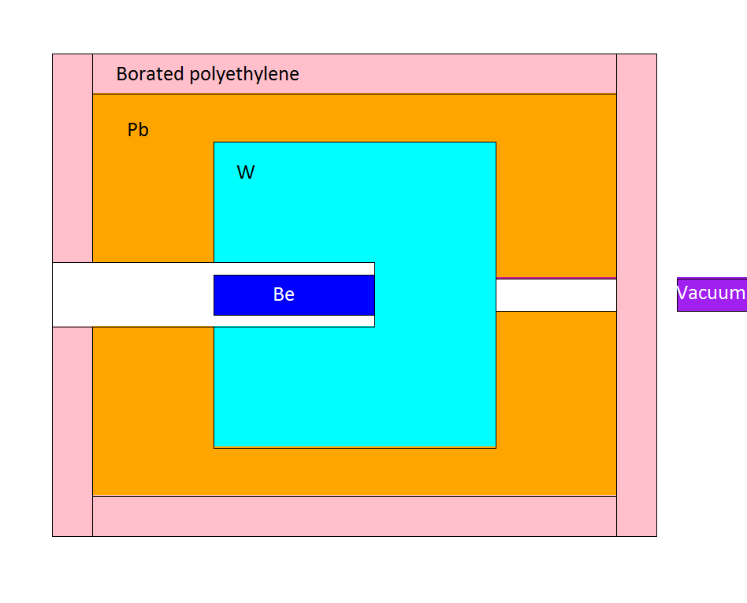

Side view:
(vertical XS)

Neutron flux and doses |  |  |  | 2.5e7 e-events

N flux in Tally #1
N flux in Tally #6
Tally: | Ø 7 cm, ΔL = 1 cm |  |  | Ø 7 cm, ΔL = 1 cm |  |  | Ø 7 cm, ΔL = 1 cm |  |  | Ø 7 cm, ΔL = 1 cm |  |  |  |  | Tally #1: | ΔE, MeV |  | N/(s cm2) | ± | ± ratio | N/(s cm2 MeV) | ± |  |  |  |  |  | Tally #6: | ΔE, MeV |  | N/(s cm2) | ± | ± ratio | N/(s cm2 MeV) | ±
1 |  |  | 2 |  |  | 3 |  |  | 4
N/(s cm2) | ± ratio | ± | N/(s cm2) | ± ratio | ± | N/(s cm2) | ± ratio | ± | N/(s cm2) | ± ratio | ± |  |  |  |  | 0.00E+00 | 1.00E-09 | 0.000E+00 | 0.000E+00 | 0 | 0.00E+00 | 0.00E+00 |  |  |  |  |  |  | 0.00E+00 | 1.00E-09 | 0.000E+00 | 0.000E+00 | 0 | 0.00E+00 | 0.00E+00
N flux in Tally #1
N flux in Tally #6
1.62E+03 | 1 | 1.62E+03 | 0.00E+00 | 0 | 0.00E+00 | 1.62E+03 | 1 | 1.62E+03 | 0.00E+00 | 0 | 0.00E+00 |  |  |  |  | 1.00E-09 | 1.00E-08 | 0.000E+00 | 0.000E+00 | 0 | 0.00E+00 | 0.00E+00 |  |  |  |  |  |  | 1.00E-09 | 1.00E-08 | 0.000E+00 | 0.000E+00 | 0 | 0.00E+00 | 0.00E+00
 |  |  |  |  |  |  |  |  |  |  |  |  |  |  |  | 1.00E-08 | 2.50E-08 | 0.000E+00 | 0.000E+00 | 0 | 0.00E+00 | 0.00E+00 |  |  |  |  |  |  | 1.00E-08 | 2.50E-08 | 0.000E+00 | 0.000E+00 | 0 | 0.00E+00 | 0.00E+00
 |  |  |  |  |  |  |  |  |  |  |  |  |  |  |  | 2.50E-08 | 1.00E-07 | 0.000E+00 | 0.000E+00 | 0 | 0.00E+00 | 0.00E+00 |  |  |  |  |  |  | 2.50E-08 | 1.00E-07 | 0.000E+00 | 0.000E+00 | 0 | 0.00E+00 | 0.00E+00
 | 3 × 3 m, ΔL = 1 cm |  |  | ΔL = 10 cm, OØ 8 cm, IØ 7 cm |  |  | 1 × 1 m, ΔL = 1 cm |  |  | 1 × 1 m, ΔL = 1 cm |  |  | 1 × 1 m, ΔL = 1 cm |  |  | 1.00E-07 | 2.00E-07 | 0.000E+00 | 0.000E+00 | 0 | 0.00E+00 | 0.00E+00 |  |  |  |  |  |  | 1.00E-07 | 2.00E-07 | 0.000E+00 | 0.000E+00 | 0 | 0.00E+00 | 0.00E+00
5 |  |  | 6 |  |  | 7 |  |  | 8 |  |  | 9 |  |  |  | 2.00E-07 | 5.00E-07 | 0.000E+00 | 0.000E+00 | 0 | 0.00E+00 | 0.00E+00 |  |  |  |  |  |  | 2.00E-07 | 5.00E-07 | 0.000E+00 | 0.000E+00 | 0 | 0.00E+00 | 0.00E+00
mrem/h | ± ratio | ± | N/(s cm2) | ± ratio | ± | mrem/h | ± ratio | ± | mrem/h | ± ratio | ± | mrem/h | ± ratio | ± |  | 5.00E-07 | 1.00E-06 | 0.000E+00 | 0.000E+00 | 0 | 0.00E+00 | 0.00E+00 |  |  |  |  |  |  | 5.00E-07 | 1.00E-06 | 0.000E+00 | 0.000E+00 | 0 | 0.00E+00 | 0.00E+00
0.00E+00 | 0 | 0.00E+00 | 0.00E+00 | 0 | 0.00E+00 | 0.00E+00 | 0 | 0.00E+00 | 0.00E+00 | 0 | 0.00E+00 | 0.00E+00 | 0 | 0.00E+00 |  | 1.00E-06 | 2.00E-06 | 0.000E+00 | 0.000E+00 | 0 | 0.00E+00 | 0.00E+00 |  |  |  |  |  |  | 1.00E-06 | 2.00E-06 | 0.000E+00 | 0.000E+00 | 0 | 0.00E+00 | 0.00E+00
 |  |  |  |  |  |  |  |  |  |  |  |  |  |  |  | 2.00E-06 | 5.00E-06 | 0.000E+00 | 0.000E+00 | 0 | 0.00E+00 | 0.00E+00 |  |  |  |  |  |  | 2.00E-06 | 5.00E-06 | 0.000E+00 | 0.000E+00 | 0 | 0.00E+00 | 0.00E+00
 |  |  |  |  |  |  |  |  |  |  |  |  |  |  |  | 5.00E-06 | 1.00E-05 | 0.000E+00 | 0.000E+00 | 0 | 0.00E+00 | 0.00E+00 |  |  |  |  |  |  | 5.00E-06 | 1.00E-05 | 0.000E+00 | 0.000E+00 | 0 | 0.00E+00 | 0.00E+00
 |  |  |  |  |  |  |  |  |  |  |  |  |  |  |  | 1.00E-05 | 2.00E-05 | 0.000E+00 | 0.000E+00 | 0 | 0.00E+00 | 0.00E+00 |  |  |  |  |  |  | 1.00E-05 | 2.00E-05 | 0.000E+00 | 0.000E+00 | 0 | 0.00E+00 | 0.00E+00
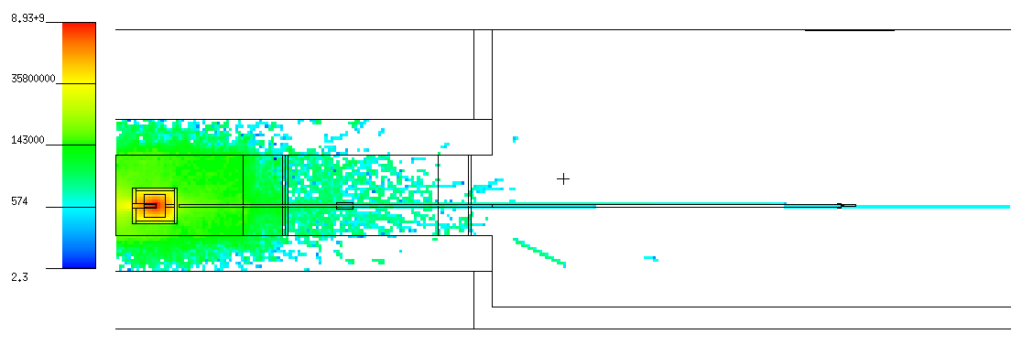
 |  |  |  |  |  |  |  |  |  |  |  |  |  |  |  | 2.00E-05 | 5.00E-05 | 0.000E+00 | 0.000E+00 | 0 | 0.00E+00 | 0.00E+00 |  |  |  |  |  |  | 2.00E-05 | 5.00E-05 | 0.000E+00 | 0.000E+00 | 0 | 0.00E+00 | 0.00E+00
 |  |  |  |  |  |  |  |  |  |  |  |  |  |  |  | 5.00E-05 | 1.00E-04 | 0.000E+00 | 0.000E+00 | 0 | 0.00E+00 | 0.00E+00 |  |  |  |  |  |  | 5.00E-05 | 1.00E-04 | 0.000E+00 | 0.000E+00 | 0 | 0.00E+00 | 0.00E+00
 |  |  |  |  |  |  |  |  |  |  |  |  |  |  |  | 1.00E-04 | 2.00E-04 | 0.000E+00 | 0.000E+00 | 0 | 0.00E+00 | 0.00E+00 |  |  |  |  |  |  | 1.00E-04 | 2.00E-04 | 0.000E+00 | 0.000E+00 | 0 | 0.00E+00 | 0.00E+00
 |  |  |  |  |  |  |  |  |  |  |  |  |  |  |  | 2.00E-04 | 5.00E-04 | 0.000E+00 | 0.000E+00 | 0 | 0.00E+00 | 0.00E+00 |  |  |  |  |  |  | 2.00E-04 | 5.00E-04 | 0.000E+00 | 0.000E+00 | 0 | 0.00E+00 | 0.00E+00
 |  |  |  |  |  |  |  |  |  |  |  |  |  |  |  | 5.00E-04 | 1.00E-03 | 0.000E+00 | 0.000E+00 | 0 | 0.00E+00 | 0.00E+00 |  |  |  |  |  |  | 5.00E-04 | 1.00E-03 | 0.000E+00 | 0.000E+00 | 0 | 0.00E+00 | 0.00E+00
 |  |  |  |  |  |  |  |  |  |  |  |  |  |  |  | 1.00E-03 | 2.00E-03 | 0.000E+00 | 0.000E+00 | 0 | 0.00E+00 | 0.00E+00 |  |  |  |  |  |  | 1.00E-03 | 2.00E-03 | 0.000E+00 | 0.000E+00 | 0 | 0.00E+00 | 0.00E+00
 |  |  |  |  |  |  |  |  |  |  |  |  |  |  |  | 2.00E-03 | 5.00E-03 | 0.000E+00 | 0.000E+00 | 0 | 0.00E+00 | 0.00E+00 |  |  |  |  |  |  | 2.00E-03 | 5.00E-03 | 0.000E+00 | 0.000E+00 | 0 | 0.00E+00 | 0.00E+00
 |  |  |  |  |  |  |  |  |  |  |  |  |  |  |  | 5.00E-03 | 1.00E-02 | 0.000E+00 | 0.000E+00 | 0 | 0.00E+00 | 0.00E+00 |  |  |  |  |  |  | 5.00E-03 | 1.00E-02 | 0.000E+00 | 0.000E+00 | 0 | 0.00E+00 | 0.00E+00
Side view: |  |  |  |  |  |  |  |  |  |  |  |  |  |  |  | 1.00E-02 | 2.00E-02 | 0.000E+00 | 0.000E+00 | 0 | 0.00E+00 | 0.00E+00 |  |  |  |  |  |  | 1.00E-02 | 2.00E-02 | 0.000E+00 | 0.000E+00 | 0 | 0.00E+00 | 0.00E+00
(vertical XS) |  |  |  |  |  |  |  |  |  |  |  |  |  |  |  | 2.00E-02 | 3.00E-02 | 0.000E+00 | 0.000E+00 | 0 | 0.00E+00 | 0.00E+00 |  |  |  |  |  |  | 2.00E-02 | 3.00E-02 | 0.000E+00 | 0.000E+00 | 0 | 0.00E+00 | 0.00E+00
 |  |  |  |  |  |  |  |  |  |  |  |  |  |  |  | 3.00E-02 | 5.00E-02 | 0.000E+00 | 0.000E+00 | 0 | 0.00E+00 | 0.00E+00 |  |  |  |  |  |  | 3.00E-02 | 5.00E-02 | 0.000E+00 | 0.000E+00 | 0 | 0.00E+00 | 0.00E+00
 |  |  |  |  |  |  |  |  |  |  |  |  |  |  |  | 5.00E-02 | 7.00E-02 | 0.000E+00 | 0.000E+00 | 0 | 0.00E+00 | 0.00E+00 |  |  |  |  |  |  | 5.00E-02 | 7.00E-02 | 0.000E+00 | 0.000E+00 | 0 | 0.00E+00 | 0.00E+00
 |  |  |  |  |  |  |  |  |  |  |  |  |  |  |  | 7.00E-02 | 1.00E-01 | 0.000E+00 | 0.000E+00 | 0 | 0.00E+00 | 0.00E+00 |  |  |  |  |  |  | 7.00E-02 | 1.00E-01 | 0.000E+00 | 0.000E+00 | 0 | 0.00E+00 | 0.00E+00
 |  |  |  |  |  |  |  |  |  |  |  |  |  |  |  | 1.00E-01 | 1.50E-01 | 0.000E+00 | 0.000E+00 | 0 | 0.00E+00 | 0.00E+00 |  |  |  |  |  |  | 1.00E-01 | 1.50E-01 | 0.000E+00 | 0.000E+00 | 0 | 0.00E+00 | 0.00E+00
 |  |  |  |  |  |  |  |  |  |  |  |  |  |  |  | 1.50E-01 | 2.00E-01 | 0.000E+00 | 0.000E+00 | 0 | 0.00E+00 | 0.00E+00 |  |  |  |  |  |  | 1.50E-01 | 2.00E-01 | 0.000E+00 | 0.000E+00 | 0 | 0.00E+00 | 0.00E+00
 |  |  |  |  |  |  |  |  |  |  |  |  |  |  |  | 2.00E-01 | 3.00E-01 | 0.000E+00 | 0.000E+00 | 0 | 0.00E+00 | 0.00E+00 |  |  |  |  |  |  | 2.00E-01 | 3.00E-01 | 0.000E+00 | 0.000E+00 | 0 | 0.00E+00 | 0.00E+00
 |  |  |  |  |  |  |  |  |  |  |  |  |  |  |  | 3.00E-01 | 5.00E-01 | 0.000E+00 | 0.000E+00 | 0 | 0.00E+00 | 0.00E+00 |  |  |  |  |  |  | 3.00E-01 | 5.00E-01 | 0.000E+00 | 0.000E+00 | 0 | 0.00E+00 | 0.00E+00
 |  |  |  |  |  |  |  |  |  |  |  |  |  |  |  | 5.00E-01 | 7.00E-01 | 0.000E+00 | 0.000E+00 | 0 | 0.00E+00 | 0.00E+00 |  |  |  |  |  |  | 5.00E-01 | 7.00E-01 | 0.000E+00 | 0.000E+00 | 0 | 0.00E+00 | 0.00E+00
 |  |  |  |  |  |  |  |  |  |  |  |  |  |  |  | 7.00E-01 | 9.00E-01 | 0.000E+00 | 0.000E+00 | 0 | 0.00E+00 | 0.00E+00 |  |  |  |  |  |  | 7.00E-01 | 9.00E-01 | 0.000E+00 | 0.000E+00 | 0 | 0.00E+00 | 0.00E+00
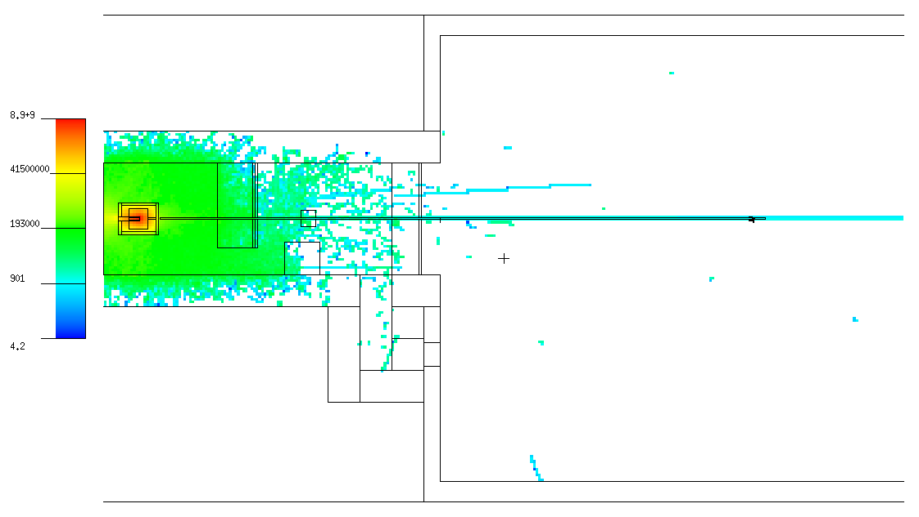
 |  |  |  |  |  |  |  |  |  |  |  |  |  |  |  | 9.00E-01 | 1.00E+00 | 0.000E+00 | 0.000E+00 | 0 | 0.00E+00 | 0.00E+00 |  |  |  |  |  |  | 9.00E-01 | 1.00E+00 | 0.000E+00 | 0.000E+00 | 0 | 0.00E+00 | 0.00E+00
 |  |  |  |  |  |  |  |  |  |  |  |  |  |  |  | 1.00E+00 | 1.20E+00 | 0.000E+00 | 0.000E+00 | 0 | 0.00E+00 | 0.00E+00 |  |  |  |  |  |  | 1.00E+00 | 1.20E+00 | 0.000E+00 | 0.000E+00 | 0 | 0.00E+00 | 0.00E+00
 |  |  |  |  |  |  |  |  |  |  |  |  |  |  |  | 1.20E+00 | 2.00E+00 | 0.000E+00 | 0.000E+00 | 0 | 0.00E+00 | 0.00E+00 |  |  |  |  |  |  | 1.20E+00 | 2.00E+00 | 0.000E+00 | 0.000E+00 | 0 | 0.00E+00 | 0.00E+00
 |  |  |  |  |  |  |  |  |  |  |  |  |  |  |  | 2.00E+00 | 3.00E+00 | 0.000E+00 | 0.000E+00 | 0 | 0.00E+00 | 0.00E+00 |  |  |  |  |  |  | 2.00E+00 | 3.00E+00 | 0.000E+00 | 0.000E+00 | 0 | 0.00E+00 | 0.00E+00
 |  |  |  |  |  |  |  |  |  |  |  |  |  |  |  | 3.00E+00 | 4.00E+00 | 0.000E+00 | 0.000E+00 | 0 | 0.00E+00 | 0.00E+00 |  |  |  |  |  |  | 3.00E+00 | 4.00E+00 | 0.000E+00 | 0.000E+00 | 0 | 0.00E+00 | 0.00E+00
 |  |  |  |  |  |  |  |  |  |  |  |  |  |  |  | 4.00E+00 | 5.00E+00 | 0.000E+00 | 0.000E+00 | 0 | 0.00E+00 | 0.00E+00 |  |  |  |  |  |  | 4.00E+00 | 5.00E+00 | 0.000E+00 | 0.000E+00 | 0 | 0.00E+00 | 0.00E+00
 |  |  |  |  |  |  |  |  |  |  |  |  |  |  |  | 5.00E+00 | 6.00E+00 | 0.000E+00 | 0.000E+00 | 0 | 0.00E+00 | 0.00E+00 |  |  |  |  |  |  | 5.00E+00 | 6.00E+00 | 0.000E+00 | 0.000E+00 | 0 | 0.00E+00 | 0.00E+00
 |  |  |  |  |  |  |  |  |  |  |  |  |  |  |  | 6.00E+00 | 7.00E+00 | 0.000E+00 | 0.000E+00 | 0 | 0.00E+00 | 0.00E+00 |  |  |  |  |  |  | 6.00E+00 | 7.00E+00 | 0.000E+00 | 0.000E+00 | 0 | 0.00E+00 | 0.00E+00
 |  |  |  |  |  |  |  |  |  |  |  |  |  |  |  | 7.00E+00 | 8.00E+00 | 0.000E+00 | 0.000E+00 | 0 | 0.00E+00 | 0.00E+00 |  |  |  |  |  |  | 7.00E+00 | 8.00E+00 | 0.000E+00 | 0.000E+00 | 0 | 0.00E+00 | 0.00E+00
 |  |  |  |  |  |  |  |  |  |  |  |  |  |  |  | 8.00E+00 | 9.00E+00 | 0.000E+00 | 0.000E+00 | 0 | 0.00E+00 | 0.00E+00 |  |  |  |  |  |  | 8.00E+00 | 9.00E+00 | 0.000E+00 | 0.000E+00 | 0 | 0.00E+00 | 0.00E+00
 |  |  |  |  |  |  |  |  |  |  |  |  |  |  |  | 9.00E+00 | 1.00E+01 | 0.000E+00 | 0.000E+00 | 0 | 0.00E+00 | 0.00E+00 |  |  |  |  |  |  | 9.00E+00 | 1.00E+01 | 0.000E+00 | 0.000E+00 | 0 | 0.00E+00 | 0.00E+00
Top view: |  |  |  |  |  |  |  |  |  |  |  |  |  |  |  | 1.00E+01 | 1.20E+01 | 0.000E+00 | 0.000E+00 | 0 | 0.00E+00 | 0.00E+00 |  |  |  |  |  |  | 1.00E+01 | 1.20E+01 | 0.000E+00 | 0.000E+00 | 0 | 0.00E+00 | 0.00E+00
(horizontal XS) |  |  |  |  |  |  |  |  |  |  |  |  |  |  |  | 1.20E+01 | 1.40E+01 | 0.000E+00 | 0.000E+00 | 0 | 0.00E+00 | 0.00E+00 |  |  |  |  |  |  | 1.20E+01 | 1.40E+01 | 0.000E+00 | 0.000E+00 | 0 | 0.00E+00 | 0.00E+00
 |  |  |  |  |  |  |  |  |  |  |  |  |  |  |  | 1.40E+01 | 1.50E+01 | 0.000E+00 | 0.000E+00 | 0 | 0.00E+00 | 0.00E+00 |  |  |  |  |  |  | 1.40E+01 | 1.50E+01 | 0.000E+00 | 0.000E+00 | 0 | 0.00E+00 | 0.00E+00
 |  |  |  |  |  |  |  |  |  |  |  |  |  |  |  | 1.50E+01 | 1.60E+01 | 0.000E+00 | 0.000E+00 | 0 | 0.00E+00 | 0.00E+00 |  |  |  |  |  |  | 1.50E+01 | 1.60E+01 | 0.000E+00 | 0.000E+00 | 0 | 0.00E+00 | 0.00E+00
 |  |  |  |  |  |  |  |  |  |  |  |  |  |  |  | 1.60E+01 | 1.80E+01 | 0.000E+00 | 0.000E+00 | 0 | 0.00E+00 | 0.00E+00 |  |  |  |  |  |  | 1.60E+01 | 1.80E+01 | 0.000E+00 | 0.000E+00 | 0 | 0.00E+00 | 0.00E+00
 |  |  |  |  |  |  |  |  |  |  |  |  |  |  |  | 1.80E+01 | 2.00E+01 | 0.000E+00 | 0.000E+00 | 0 | 0.00E+00 | 0.00E+00 |  |  |  |  |  |  | 1.80E+01 | 2.00E+01 | 0.000E+00 | 0.000E+00 | 0 | 0.00E+00 | 0.00E+00
 |  |  |  |  |  |  |  |  |  |  |  |  |  |  |  | 2.00E+01 | 3.00E+01 | 0.000E+00 | 0.000E+00 | 0 | 0.00E+00 | 0.00E+00 |  |  |  |  |  |  | 2.00E+01 | 3.00E+01 | 0.000E+00 | 0.000E+00 | 0 | 0.00E+00 | 0.00E+00
 |  |  |  |  |  |  |  |  |  |  |  |  |  |  |  | 3.00E+01 | 5.00E+01 | 0.000E+00 | 0.000E+00 | 0 | 0.00E+00 | 0.00E+00 |  |  |  |  |  |  | 3.00E+01 | 5.00E+01 | 0.000E+00 | 0.000E+00 | 0 | 0.00E+00 | 0.00E+00
 |  |  |  |  |  |  |  |  |  |  |  |  |  |  |  | 5.00E+01 | 7.50E+01 | 0.000E+00 | 0.000E+00 | 0 | 0.00E+00 | 0.00E+00 |  |  |  |  |  |  | 5.00E+01 | 7.50E+01 | 0.000E+00 | 0.000E+00 | 0 | 0.00E+00 | 0.00E+00
 |  |  |  |  |  |  |  |  |  |  |  |  |  |  |  | 7.50E+01 | 1.00E+02 | 0.000E+00 | 0.000E+00 | 0 | 0.00E+00 | 0.00E+00 |  |  |  |  |  |  | 7.50E+01 | 1.00E+02 | 0.000E+00 | 0.000E+00 | 0 | 0.00E+00 | 0.00E+00
 |  |  |  |  |  |  |  |  |  |  |  |  |  |  |  | 1.00E+02 | 1.30E+02 | 0.000E+00 | 0.000E+00 | 0 | 0.00E+00 | 0.00E+00 |  |  |  |  |  |  | 1.00E+02 | 1.30E+02 | 0.000E+00 | 0.000E+00 | 0 | 0.00E+00 | 0.00E+00
 |  |  |  |  |  |  |  |  |  |  |  |  |  |  |  | 1.30E+02 | 1.50E+02 | 0.000E+00 | 0.000E+00 | 0 | 0.00E+00 | 0.00E+00 |  |  |  |  |  |  | 1.30E+02 | 1.50E+02 | 0.000E+00 | 0.000E+00 | 0 | 0.00E+00 | 0.00E+00
 |  |  |  |  |  |  |  |  |  |  |  |  |  |  |  | 1.50E+02 | 1.80E+02 | 1.620E+03 | 1.620E+03 | 1 | 5.40E+01 | 5.40E+01 |  |  |  |  |  |  | 1.50E+02 | 1.80E+02 | 0.000E+00 | 0.000E+00 | 0 | 0.00E+00 | 0.00E+00
 |  |  |  |  |  |  |  |  |  |  |  |  |  |  |  | 1.80E+02 | 2.20E+02 | 0.000E+00 | 0.000E+00 | 0 | 0.00E+00 | 0.00E+00 |  |  |  |  |  |  | 1.80E+02 | 2.20E+02 | 0.000E+00 | 0.000E+00 | 0 | 0.00E+00 | 0.00E+00
 |  |  |  |  |  |  |  |  |  |  |  |  |  |  |  | 2.20E+02 | 5.00E+02 | 0.000E+00 | 0.000E+00 | 0 | 0.00E+00 | 0.00E+00 |  |  |  |  |  |  | 2.20E+02 | 5.00E+02 | 0.000E+00 | 0.000E+00 | 0 | 0.00E+00 | 0.00E+00
 |  |  |  |  |  |  |  |  |  |  |  |  |  |  |  | 5.00E+02 | 1.00E+03 | 0.000E+00 | 0.000E+00 | 0 | 0.00E+00 | 0.00E+00 |  |  |  |  |  |  | 5.00E+02 | 1.00E+03 | 0.000E+00 | 0.000E+00 | 0 | 0.00E+00 | 0.00E+00
 |  |  |  |  |  |  |  |  |  |  |  |  |  |  |  | 1.00E+03 | 2.00E+03 | 0.000E+00 | 0.000E+00 | 0 | 0.00E+00 | 0.00E+00 |  |  |  |  |  |  | 1.00E+03 | 2.00E+03 | 0.000E+00 | 0.000E+00 | 0 | 0.00E+00 | 0.00E+00
 |  |  |  |  |  |  |  |  |  |  |  |  |  |  |  | 2.00E+03 | 5.00E+03 | 0.000E+00 | 0.000E+00 | 0 | 0.00E+00 | 0.00E+00 |  |  |  |  |  |  | 2.00E+03 | 5.00E+03 | 0.000E+00 | 0.000E+00 | 0 | 0.00E+00 | 0.00E+00
 |  |  |  |  |  |  |  |  |  |  |  |  |  |  |  | 5.00E+03 | 8.00E+03 | 0.000E+00 | 0.000E+00 | 0 | 0.00E+00 | 0.00E+00 |  |  |  |  |  |  | 5.00E+03 | 8.00E+03 | 0.000E+00 | 0.000E+00 | 0 | 0.00E+00 | 0.00E+00

 |  |  |  |  |  |  |  |  |  |  |  |  |  |  |  |  | Σ = | 1.620E+03 |  |  |  |  |  |  |  |  |  |  |  | Σ = | 0.000E+00

Gamma flux and doses |  |  |  | 0e8 e-events

Tally: | Ø 7 cm, ΔL = 1 cm |  |  | Ø 7 cm, ΔL = 1 cm |  |  | Ø 7 cm, ΔL = 1 cm |  |  | Ø 7 cm, ΔL = 1 cm |  |  |  |  | Tally #1: | ΔE, MeV |  | G/(s cm2) | ± | ± ratio | ΔE, MeV |  | G/(s cm2) | ± | ± ratio | G/(s cm2 MeV) | ±
1 |  |  | 2 |  |  | 3 |  |  | 4
G/(s cm2) | ± ratio | ± | G/(s cm2) | ± ratio | ± | G/(s cm2) | ± ratio | ± | G/(s cm2) | ± ratio | ± |  |  |  |  | 0.00E+00 | 1.00E-02 | 0.000E+00 | 0.000E+00 | 0 | 0.00E+00 | 1.00E-02 | 0.000E+00 | 0.000E+00 | 0 | 0.00E+00 | 0.00E+00
G flux in Tally #1
G flux in Tally #1
0.00E+00 | 0 | 0.00E+00 | 0.00E+00 | 0 | 0.00E+00 | 0.00E+00 | 0 | 0.00E+00 | 0.00E+00 | 0 | 0.00E+00 |  |  |  |  | 1.00E-02 | 1.50E-02 | 0.000E+00 | 0.000E+00 | 0 | 1.00E-02 | 1.50E-02 | 0.000E+00 | 0.000E+00 | 0 | 0.00E+00 | 0.00E+00
 |  |  |  |  |  |  |  |  |  |  |  |  |  |  |  | 1.50E-02 | 2.00E-02 | 0.000E+00 | 0.000E+00 | 0 | 1.50E-02 | 2.00E-02 | 0.000E+00 | 0.000E+00 | 0 | 0.00E+00 | 0.00E+00
 |  |  |  |  |  |  |  |  |  |  |  |  |  |  |  | 2.00E-02 | 3.00E-02 | 0.000E+00 | 0.000E+00 | 0 | 2.00E-02 | 3.00E-02 | 0.000E+00 | 0.000E+00 | 0 | 0.00E+00 | 0.00E+00
 | 3 × 3 m, ΔL = 1 cm |  |  | ΔL = 10 cm, OØ 8 cm, IØ 7 cm |  |  | 1 × 1 m, ΔL = 1 cm |  |  | 1 × 1 m, ΔL = 1 cm |  |  | 1 × 1 m, ΔL = 1 cm |  |  | 3.00E-02 | 4.00E-02 | 0.000E+00 | 0.000E+00 | 0 | 3.00E-02 | 4.00E-02 | 0.000E+00 | 0.000E+00 | 0 | 0.00E+00 | 0.00E+00
5 |  |  | 6 |  |  | 7 |  |  | 8 |  |  | 9 |  |  |  | 4.00E-02 | 5.00E-02 | 0.000E+00 | 0.000E+00 | 0 | 4.00E-02 | 5.00E-02 | 0.000E+00 | 0.000E+00 | 0 | 0.00E+00 | 0.00E+00
mrem/h | ± ratio | ± | G/(s cm2) | ± ratio | ± | mrem/h | ± ratio | ± | mrem/h | ± ratio | ± | mrem/h | ± ratio | ± |  | 5.00E-02 | 6.00E-02 | 0.000E+00 | 0.000E+00 | 0 | 5.00E-02 | 6.00E-02 | 0.000E+00 | 0.000E+00 | 0 | 0.00E+00 | 0.00E+00
0.00E+00 | 0 | 0.00E+00 | 0.00E+00 | 0 | 0.00E+00 | 0.00E+00 | 0 | 0.00E+00 | 0.00E+00 | 0 | 0.00E+00 | 0.00E+00 | 0 | 0.00E+00 |  | 6.00E-02 | 7.00E-02 | 0.000E+00 | 0.000E+00 | 0 | 6.00E-02 | 7.00E-02 | 0.000E+00 | 0.000E+00 | 0 | 0.00E+00 | 0.00E+00
 |  |  |  |  |  |  |  |  |  |  |  |  |  |  |  | 7.00E-02 | 8.00E-02 | 0.000E+00 | 0.000E+00 | 0 | 7.00E-02 | 8.00E-02 | 0.000E+00 | 0.000E+00 | 0 | 0.00E+00 | 0.00E+00
 |  |  |  |  |  |  |  |  |  |  |  |  |  |  |  | 8.00E-02 | 1.00E-01 | 0.000E+00 | 0.000E+00 | 0 | 8.00E-02 | 1.00E-01 | 0.000E+00 | 0.000E+00 | 0 | 0.00E+00 | 0.00E+00
 |  |  |  |  |  |  |  |  |  |  |  |  |  |  |  | 1.00E-01 | 1.50E-01 | 0.000E+00 | 0.000E+00 | 0 | 1.00E-01 | 1.50E-01 | 0.000E+00 | 0.000E+00 | 0 | 0.00E+00 | 0.00E+00
 |  |  |  |  |  |  |  |  |  |  |  |  |  |  |  | 1.50E-01 | 2.00E-01 | 0.000E+00 | 0.000E+00 | 0 | 1.50E-01 | 2.00E-01 | 0.000E+00 | 0.000E+00 | 0 | 0.00E+00 | 0.00E+00
 |  |  |  |  |  |  |  |  |  |  |  |  |  |  |  | 2.00E-01 | 3.00E-01 | 0.000E+00 | 0.000E+00 | 0 | 2.00E-01 | 3.00E-01 | 0.000E+00 | 0.000E+00 | 0 | 0.00E+00 | 0.00E+00
 |  |  |  |  |  |  |  |  |  |  |  |  |  |  |  | 3.00E-01 | 4.00E-01 | 0.000E+00 | 0.000E+00 | 0 | 3.00E-01 | 4.00E-01 | 0.000E+00 | 0.000E+00 | 0 | 0.00E+00 | 0.00E+00
 |  |  |  |  |  |  |  |  |  |  |  |  |  |  |  | 4.00E-01 | 5.00E-01 | 0.000E+00 | 0.000E+00 | 0 | 4.00E-01 | 5.00E-01 | 0.000E+00 | 0.000E+00 | 0 | 0.00E+00 | 0.00E+00
 |  |  |  |  |  |  |  |  |  |  |  |  |  |  |  | 5.00E-01 | 5.11E-01 | 0.000E+00 | 0.000E+00 | 0 | 5.00E-01 | 6.00E-01 | 0.000E+00 | 0.000E+00 | 0 | 0.00E+00 | 0.00E+00
 |  |  |  |  |  |  |  |  |  |  |  |  |  |  |  | 5.11E-01 | 6.00E-01 | 0.000E+00 | 0.000E+00 | 0 | 6.00E-01 | 8.00E-01 | 0.000E+00 | 0.000E+00 | 0 | 0.00E+00 | 0.00E+00
 |  |  |  |  |  |  |  |  |  |  |  |  |  |  |  | 6.00E-01 | 6.62E-01 | 0.000E+00 | 0.000E+00 | 0 | 8.00E-01 | 1.00E+00 | 0.000E+00 | 0.000E+00 | 0 | 0.00E+00 | 0.00E+00
 |  |  |  |  |  |  |  |  |  |  |  |  |  |  |  | 6.62E-01 | 8.00E-01 | 0.000E+00 | 0.000E+00 | 0 | 1.00E+00 | 1.50E+00 | 0.000E+00 | 0.000E+00 | 0 | 0.00E+00 | 0.00E+00
Side view: |  |  |  |  |  |  |  |  |  |  |  |  |  |  |  | 8.00E-01 | 1.00E+00 | 0.000E+00 | 0.000E+00 | 0 | 1.50E+00 | 2.00E+00 | 0.000E+00 | 0.000E+00 | 0 | 0.00E+00 | 0.00E+00
(vertical XS) |  |  |  |  |  |  |  |  |  |  |  |  |  |  |  | 1.00E+00 | 1.12E+00 | 0.000E+00 | 0.000E+00 | 0 | 2.00E+00 | 3.00E+00 | 0.000E+00 | 0.000E+00 | 0 | 0.00E+00 | 0.00E+00
 |  |  |  |  |  |  |  |  |  |  |  |  |  |  |  | 1.12E+00 | 1.33E+00 | 0.000E+00 | 0.000E+00 | 0 | 3.00E+00 | 4.00E+00 | 0.000E+00 | 0.000E+00 | 0 | 0.00E+00 | 0.00E+00
 |  |  |  |  |  |  |  |  |  |  |  |  |  |  |  | 1.33E+00 | 1.50E+00 | 0.000E+00 | 0.000E+00 | 0 | 4.00E+00 | 5.00E+00 | 0.000E+00 | 0.000E+00 | 0 | 0.00E+00 | 0.00E+00
 |  |  |  |  |  |  |  |  |  |  |  |  |  |  |  | 1.50E+00 | 2.00E+00 | 0.000E+00 | 0.000E+00 | 0 | 5.00E+00 | 6.00E+00 | 0.000E+00 | 0.000E+00 | 0 | 0.00E+00 | 0.00E+00
 |  |  |  |  |  |  |  |  |  |  |  |  |  |  |  | 2.00E+00 | 3.00E+00 | 0.000E+00 | 0.000E+00 | 0 | 6.00E+00 | 8.00E+00 | 0.000E+00 | 0.000E+00 | 0 | 0.00E+00 | 0.00E+00
 |  |  |  |  |  |  |  |  |  |  |  |  |  |  |  | 3.00E+00 | 4.00E+00 | 0.000E+00 | 0.000E+00 | 0 | 8.00E+00 | 1.00E+01 | 0.000E+00 | 0.000E+00 | 0 | 0.00E+00 | 0.00E+00
 |  |  |  |  |  |  |  |  |  |  |  |  |  |  |  | 4.00E+00 | 5.00E+00 | 0.000E+00 | 0.000E+00 | 0 | 1.00E+01 | 1.50E+01 | 0.000E+00 | 0.000E+00 | 0 | 0.00E+00 | 0.00E+00
 |  |  |  |  |  |  |  |  |  |  |  |  |  |  |  | 5.00E+00 | 6.00E+00 | 0.000E+00 | 0.000E+00 | 0 | 1.50E+01 | 2.00E+01 | 0.000E+00 | 0.000E+00 | 0 | 0.00E+00 | 0.00E+00
 |  |  |  |  |  |  |  |  |  |  |  |  |  |  |  | 6.00E+00 | 6.13E+00 | 0.000E+00 | 0.000E+00 | 0 | 2.00E+01 | 3.00E+01 | 0.000E+00 | 0.000E+00 | 0 | 0.00E+00 | 0.00E+00
 |  |  |  |  |  |  |  |  |  |  |  |  |  |  |  | 6.13E+00 | 8.00E+00 | 0.000E+00 | 0.000E+00 | 0 | 3.00E+01 | 4.00E+01 | 0.000E+00 | 0.000E+00 | 0 | 0.00E+00 | 0.00E+00
 |  |  |  |  |  |  |  |  |  |  |  |  |  |  |  | 8.00E+00 | 1.00E+01 | 0.000E+00 | 0.000E+00 | 0 | 4.00E+01 | 5.00E+01 | 0.000E+00 | 0.000E+00 | 0 | 0.00E+00 | 0.00E+00
 |  |  |  |  |  |  |  |  |  |  |  |  |  |  |  | 1.00E+01 | 1.50E+01 | 0.000E+00 | 0.000E+00 | 0 | 5.00E+01 | 6.00E+01 | 0.000E+00 | 0.000E+00 | 0 | 0.00E+00 | 0.00E+00
 |  |  |  |  |  |  |  |  |  |  |  |  |  |  |  | 1.50E+01 | 2.00E+01 | 0.000E+00 | 0.000E+00 | 0 | 6.00E+01 | 8.00E+01 | 0.000E+00 | 0.000E+00 | 0 | 0.00E+00 | 0.00E+00
 |  |  |  |  |  |  |  |  |  |  |  |  |  |  |  | 2.00E+01 | 3.00E+01 | 0.000E+00 | 0.000E+00 | 0 | 8.00E+01 | 1.00E+02 | 0.000E+00 | 0.000E+00 | 0 | 0.00E+00 | 0.00E+00
 |  |  |  |  |  |  |  |  |  |  |  |  |  |  |  | 3.00E+01 | 4.00E+01 | 0.000E+00 | 0.000E+00 | 0 | 1.00E+02 | 1.50E+02 | 0.000E+00 | 0.000E+00 | 0 | 0.00E+00 | 0.00E+00
 |  |  |  |  |  |  |  |  |  |  |  |  |  |  |  | 4.00E+01 | 5.00E+01 | 0.000E+00 | 0.000E+00 | 0 | 1.50E+02 | 2.00E+02 | 0.000E+00 | 0.000E+00 | 0 | 0.00E+00 | 0.00E+00
 |  |  |  |  |  |  |  |  |  |  |  |  |  |  |  | 5.00E+01 | 6.00E+01 | 0.000E+00 | 0.000E+00 | 0 | 2.00E+02 | 3.00E+02 | 0.000E+00 | 0.000E+00 | 0 | 0.00E+00 | 0.00E+00
Top view: |  |  |  |  |  |  |  |  |  |  |  |  |  |  |  | 6.00E+01 | 8.00E+01 | 0.000E+00 | 0.000E+00 | 0 | 3.00E+02 | 4.00E+02 | 0.000E+00 | 0.000E+00 | 0 | 0.00E+00 | 0.00E+00
(horizontal XS) |  |  |  |  |  |  |  |  |  |  |  |  |  |  |  | 8.00E+01 | 1.00E+02 | 0.000E+00 | 0.000E+00 | 0 | 4.00E+02 | 5.00E+02 | 0.000E+00 | 0.000E+00 | 0 | 0.00E+00 | 0.00E+00
 |  |  |  |  |  |  |  |  |  |  |  |  |  |  |  | 1.00E+02 | 1.50E+02 | 0.000E+00 | 0.000E+00 | 0 | 5.00E+02 | 6.00E+02 | 0.000E+00 | 0.000E+00 | 0 | 0.00E+00 | 0.00E+00
 |  |  |  |  |  |  |  |  |  |  |  |  |  |  |  | 1.50E+02 | 2.00E+02 | 0.000E+00 | 0.000E+00 | 0 | 6.00E+02 | 8.00E+02 | 0.000E+00 | 0.000E+00 | 0 | 0.00E+00 | 0.00E+00
 |  |  |  |  |  |  |  |  |  |  |  |  |  |  |  | 2.00E+02 | 3.00E+02 | 0.000E+00 | 0.000E+00 | 0 | 8.00E+02 | 1.00E+03 | 0.000E+00 | 0.000E+00 | 0 | 0.00E+00 | 0.00E+00
 |  |  |  |  |  |  |  |  |  |  |  |  |  |  |  | 3.00E+02 | 4.00E+02 | 0.000E+00 | 0.000E+00 | 0 | 1.00E+03 | 1.50E+03 | 0.000E+00 | 0.000E+00 | 0 | 0.00E+00 | 0.00E+00
 |  |  |  |  |  |  |  |  |  |  |  |  |  |  |  | 4.00E+02 | 5.00E+02 | 0.000E+00 | 0.000E+00 | 0 | 1.50E+03 | 2.00E+03 | 0.000E+00 | 0.000E+00 | 0 | 0.00E+00 | 0.00E+00
 |  |  |  |  |  |  |  |  |  |  |  |  |  |  |  | 5.00E+02 | 6.00E+02 | 0.000E+00 | 0.000E+00 | 0 | 2.00E+03 | 3.00E+03 | 0.000E+00 | 0.000E+00 | 0 | 0.00E+00 | 0.00E+00
 |  |  |  |  |  |  |  |  |  |  |  |  |  |  |  | 6.00E+02 | 8.00E+02 | 0.000E+00 | 0.000E+00 | 0 | 3.00E+03 | 4.00E+03 | 0.000E+00 | 0.000E+00 | 0 | 0.00E+00 | 0.00E+00
 |  |  |  |  |  |  |  |  |  |  |  |  |  |  |  | 8.00E+02 | 1.00E+03 | 0.000E+00 | 0.000E+00 | 0 | 4.00E+03 | 5.00E+03 | 0.000E+00 | 0.000E+00 | 0 | 0.00E+00 | 0.00E+00
 |  |  |  |  |  |  |  |  |  |  |  |  |  |  |  | 1.00E+03 | 1.50E+03 | 0.000E+00 | 0.000E+00 | 0 | 5.00E+03 | 6.00E+03 | 0.000E+00 | 0.000E+00 | 0 | 0.00E+00 | 0.00E+00
 |  |  |  |  |  |  |  |  |  |  |  |  |  |  |  | 1.50E+03 | 2.00E+03 | 0.000E+00 | 0.000E+00 | 0 | 6.00E+03 | 8.00E+03 | 0.000E+00 | 0.000E+00 | 0 | 0.00E+00 | 0.00E+00
 |  |  |  |  |  |  |  |  |  |  |  |  |  |  |  | 2.00E+03 | 3.00E+03 | 0.000E+00 | 0.000E+00 | 0 | 8.00E+03 | 1.00E+04 | 0.000E+00 | 0.000E+00 | 0 | 0.00E+00 | 0.00E+00
 |  |  |  |  |  |  |  |  |  |  |  |  |  |  |  | 3.00E+03 | 4.00E+03 | 0.000E+00 | 0.000E+00 | 0
 |  |  |  |  |  |  |  |  |  |  |  |  |  |  |  | 4.00E+03 | 5.00E+03 | 0.000E+00 | 0.000E+00 | 0 |  | Σ = | 0.000E+00
 |  |  |  |  |  |  |  |  |  |  |  |  |  |  |  | 5.00E+03 | 6.00E+03 | 0.000E+00 | 0.000E+00 | 0
 |  |  |  |  |  |  |  |  |  |  |  |  |  |  |  | 6.00E+03 | 8.00E+03 | 0.000E+00 | 0.000E+00 | 0
 |  |  |  |  |  |  |  |  |  |  |  |  |  |  |  | 8.00E+03 | 1.00E+04 | 0.000E+00 | 0.000E+00 | 0

 |  |  |  |  |  |  |  |  |  |  |  |  |  |  |  |  | Σ = | 0.000E+00

