Sheet1
Be target, ver.1 - hole in W-shielding |  |  |  |  | Te = 12 GeV |  | Ie = 5 μA

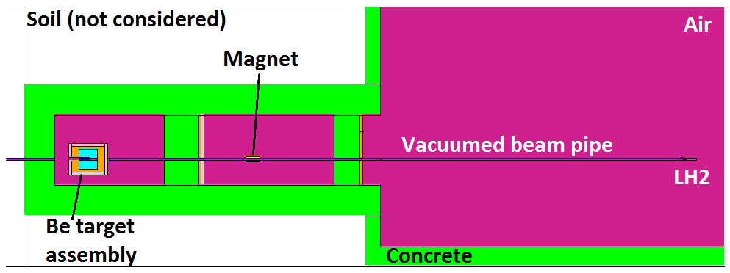
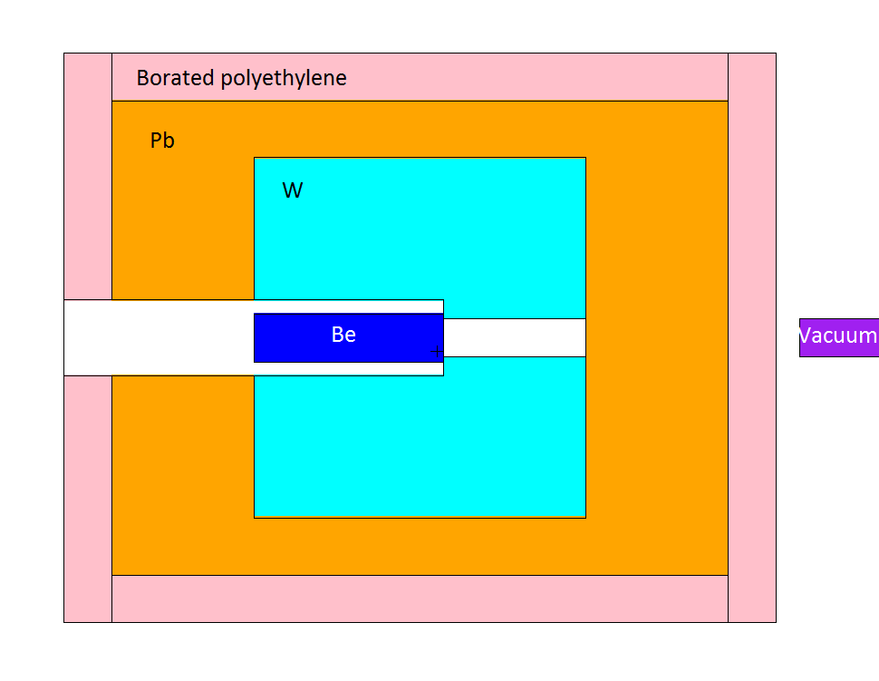
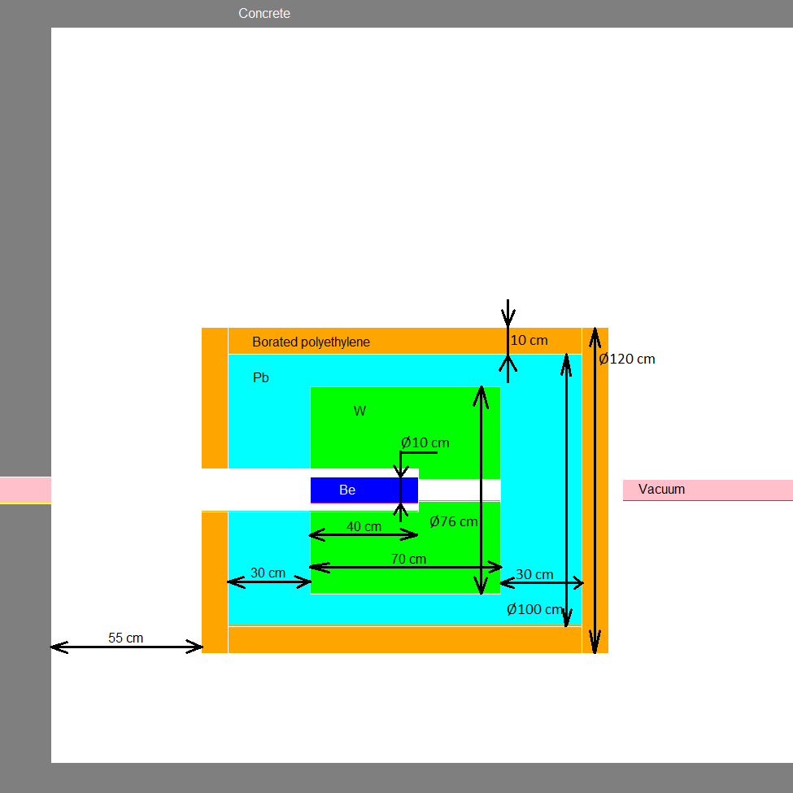

Side view:
(vertical XS)

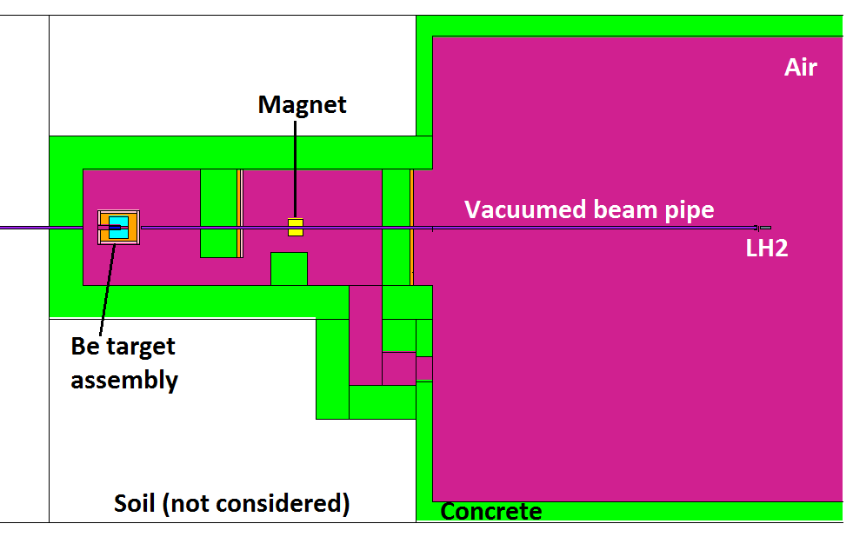

Top view:
(horizontal XS)

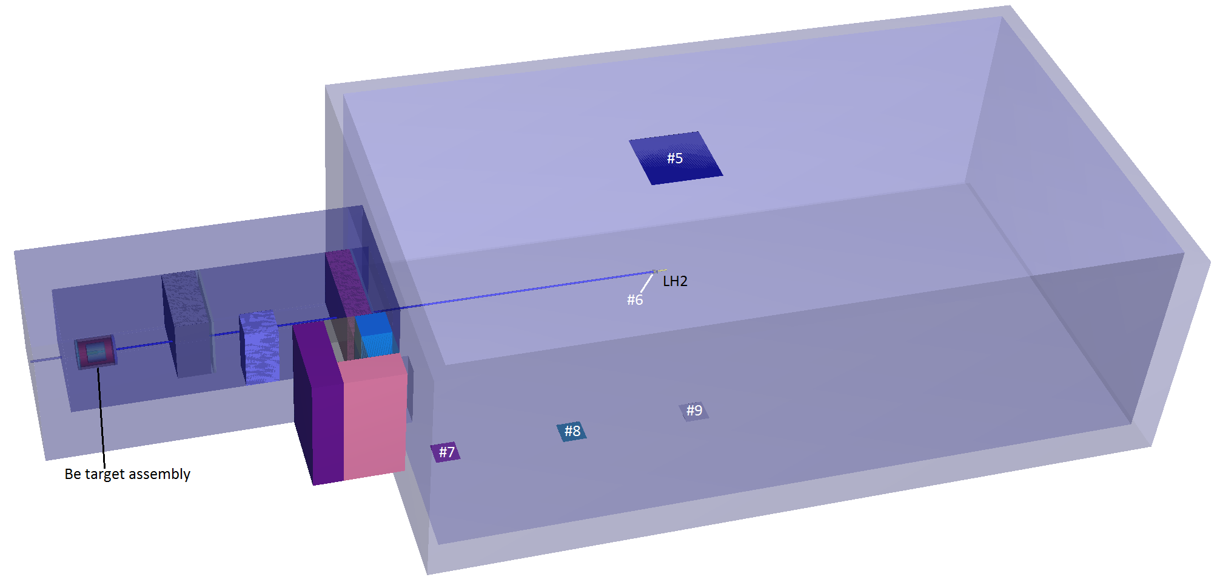

Neutron flux and doses |  |  |  | ~3e8 e-events
 |  |  |  |  |  |  |  |  |  |  |  |  |  |  |  |  |  |  |  |  |  |  |  |  |  |  |  |  |  |  |  |  |  |  |  |  |  |  |  |  | Tally #1 - norm to #6 |  |  |  |  |  |  |  |  |  |  | Tally #1 - norm to #6
Tally: | Ø 7 cm, ΔL = 1 cm |  |  | Ø 7 cm, ΔL = 1 cm |  |  | Ø 7 cm, ΔL = 1 cm |  |  | Ø 7 cm, ΔL = 1 cm |  |  |  |  | Tally #1: | ΔE, MeV |  | N/(s cm2) | ± | ± ratio | N/(s cm2 MeV) | ± |  |  |  |  |  | Tally #6: | ΔE, MeV |  | N/(s cm2) | ± | ± ratio |  |  |  |  |  |  |  | N/(s cm2) | ± | N/(s cm2 MeV) | ± |  |  |  |  |  |  |  | N/(s cm2 MeV) | ±
1 |  |  | 2 |  |  | 3 |  |  | 4
N flux in Tally #1, N/(s cm2)
N/(s cm2) | ± ratio | ± | N/(s cm2) | ± ratio | ± | N/(s cm2) | ± ratio | ± | N/(s cm2) | ± ratio | ± |  |  |  |  | 0.00E+00 | 1.00E-09 | 0.000E+00 | 0.000E+00 | 0 | 0.00E+00 | 0.00E+00 |  |  |  |  |  |  | 0.00E+00 | 1.00E-09 | 0.000E+00 | 0.000E+00 | 0 |  |  |  |  |  |  |  | 0.00E+00 | 0.00E+00 | 0.00E+00 | 0.00E+00 |  |  |  |  |  |  |  | 0.00E+00 | 0.00E+00
N flux in Tally #1, N/(s cm2 MeV)
N flux in Tally #6, N/(s cm2)
N flux in Tally #6, N/(s cm2 MeV)
1.77E+04 | 0.1389 | 2.46E+03 | 3.18E+02 | 0.7114 | 2.26E+02 | 3.94E+03 | 0.189 | 7.45E+02 | 8.44E+02 | 0.4082 | 3.45E+02 |  |  |  |  | 1.00E-09 | 1.00E-08 | 0.000E+00 | 0.000E+00 | 0 | 0.00E+00 | 0.00E+00 |  |  |  |  |  |  | 1.00E-09 | 1.00E-08 | 0.000E+00 | 0.000E+00 | 0 |  |  |  |  |  |  |  | 0.00E+00 | 0.00E+00 | 0.00E+00 | 0.00E+00 |  |  |  |  |  |  |  | 0.00E+00 | 0.00E+00
 |  |  |  |  |  |  |  |  |  |  |  |  |  |  |  | 1.00E-08 | 2.50E-08 | 0.000E+00 | 0.000E+00 | 0 | 0.00E+00 | 0.00E+00 |  |  |  |  |  |  | 1.00E-08 | 2.50E-08 | 0.000E+00 | 0.000E+00 | 0 |  |  |  |  |  |  |  | 0.00E+00 | 0.00E+00 | 0.00E+00 | 0.00E+00 |  |  |  |  |  |  |  | 0.00E+00 | 0.00E+00
 |  |  |  |  |  |  |  |  |  |  |  |  |  |  |  | 2.50E-08 | 1.00E-07 | 0.000E+00 | 0.000E+00 | 0 | 0.00E+00 | 0.00E+00 |  |  |  |  |  |  | 2.50E-08 | 1.00E-07 | 0.000E+00 | 0.000E+00 | 0 |  |  |  |  |  |  |  | 0.00E+00 | 0.00E+00 | 0.00E+00 | 0.00E+00 |  |  |  |  |  |  |  | 0.00E+00 | 0.00E+00
 | 3 × 3 m, ΔL = 1 cm |  |  | ΔL = 10 cm, OØ 8 cm, IØ 7 cm |  |  | 1 × 1 m, ΔL = 1 cm |  |  | 1 × 1 m, ΔL = 1 cm |  |  | 1 × 1 m, ΔL = 1 cm |  |  | 1.00E-07 | 2.00E-07 | 0.000E+00 | 0.000E+00 | 0 | 0.00E+00 | 0.00E+00 |  |  |  |  |  |  | 1.00E-07 | 2.00E-07 | 0.000E+00 | 0.000E+00 | 0 |  |  |  |  |  |  |  | 0.00E+00 | 0.00E+00 | 0.00E+00 | 0.00E+00 |  |  |  |  |  |  |  | 0.00E+00 | 0.00E+00
5 |  |  | 6 |  |  | 7 |  |  | 8 |  |  | 9 |  |  |  | 2.00E-07 | 5.00E-07 | 0.000E+00 | 0.000E+00 | 0 | 0.00E+00 | 0.00E+00 |  |  |  |  |  |  | 2.00E-07 | 5.00E-07 | 0.000E+00 | 0.000E+00 | 0 |  |  |  |  |  |  |  | 0.00E+00 | 0.00E+00 | 0.00E+00 | 0.00E+00 |  |  |  |  |  |  |  | 0.00E+00 | 0.00E+00
mrem/h | ± ratio | ± | N/(s cm2) | ± ratio | ± | mrem/h | ± ratio | ± | mrem/h | ± ratio | ± | mrem/h | ± ratio | ± |  | 5.00E-07 | 1.00E-06 | 0.000E+00 | 0.000E+00 | 0 | 0.00E+00 | 0.00E+00 |  |  |  |  |  |  | 5.00E-07 | 1.00E-06 | 0.000E+00 | 0.000E+00 | 0 |  |  |  |  |  |  |  | 0.00E+00 | 0.00E+00 | 0.00E+00 | 0.00E+00 |  |  |  |  |  |  |  | 0.00E+00 | 0.00E+00
1.95E+00 | 0.2932 | 5.73E-01 | 3.67E+03 | 0.1768 | 6.49E+02 | 3.12E-02 | 0.8089 | 2.52E-02 | 4.64E+00 | 0.7038 | 3.27E+00 | 7.21E-01 | 0.5755 | 4.15E-01 |  | 1.00E-06 | 2.00E-06 | 0.000E+00 | 0.000E+00 | 0 | 0.00E+00 | 0.00E+00 |  |  |  |  |  |  | 1.00E-06 | 2.00E-06 | 0.000E+00 | 0.000E+00 | 0 |  |  |  |  |  |  |  | 0.00E+00 | 0.00E+00 | 0.00E+00 | 0.00E+00 |  |  |  |  |  |  |  | 0.00E+00 | 0.00E+00
 |  |  |  |  |  |  |  |  |  |  |  |  |  |  |  | 2.00E-06 | 5.00E-06 | 0.000E+00 | 0.000E+00 | 0 | 0.00E+00 | 0.00E+00 |  |  |  |  |  |  | 2.00E-06 | 5.00E-06 | 0.000E+00 | 0.000E+00 | 0 |  |  |  |  |  |  |  | 0.00E+00 | 0.00E+00 | 0.00E+00 | 0.00E+00 |  |  |  |  |  |  |  | 0.00E+00 | 0.00E+00
 |  |  |  |  |  |  |  |  |  |  |  |  |  |  |  | 5.00E-06 | 1.00E-05 | 0.000E+00 | 0.000E+00 | 0 | 0.00E+00 | 0.00E+00 |  |  |  |  |  |  | 5.00E-06 | 1.00E-05 | 0.000E+00 | 0.000E+00 | 0 |  |  |  |  |  |  |  | 0.00E+00 | 0.00E+00 | 0.00E+00 | 0.00E+00 |  |  |  |  |  |  |  | 0.00E+00 | 0.00E+00
 |  |  |  |  |  |  |  |  |  |  |  |  |  |  |  | 1.00E-05 | 2.00E-05 | 0.000E+00 | 0.000E+00 | 0 | 0.00E+00 | 0.00E+00 |  |  |  |  |  |  | 1.00E-05 | 2.00E-05 | 0.000E+00 | 0.000E+00 | 0 |  |  |  |  |  |  |  | 0.00E+00 | 0.00E+00 | 0.00E+00 | 0.00E+00 |  |  |  |  |  |  |  | 0.00E+00 | 0.00E+00
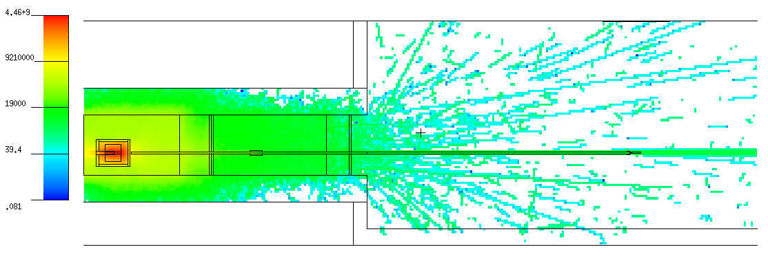
 |  |  |  |  |  |  |  |  |  |  |  |  |  |  |  | 2.00E-05 | 5.00E-05 | 0.000E+00 | 0.000E+00 | 0 | 0.00E+00 | 0.00E+00 |  |  |  |  |  |  | 2.00E-05 | 5.00E-05 | 0.000E+00 | 0.000E+00 | 0 |  |  |  |  |  |  |  | 0.00E+00 | 0.00E+00 | 0.00E+00 | 0.00E+00 |  |  |  |  |  |  |  | 0.00E+00 | 0.00E+00
 |  |  |  |  |  |  |  |  |  |  |  |  |  |  |  | 5.00E-05 | 1.00E-04 | 0.000E+00 | 0.000E+00 | 0 | 0.00E+00 | 0.00E+00 |  |  |  |  |  |  | 5.00E-05 | 1.00E-04 | 0.000E+00 | 0.000E+00 | 0 |  |  |  |  |  |  |  | 0.00E+00 | 0.00E+00 | 0.00E+00 | 0.00E+00 |  |  |  |  |  |  |  | 0.00E+00 | 0.00E+00
 |  |  |  |  |  |  |  |  |  |  |  |  |  |  |  | 1.00E-04 | 2.00E-04 | 0.000E+00 | 0.000E+00 | 0 | 0.00E+00 | 0.00E+00 |  |  |  |  |  |  | 1.00E-04 | 2.00E-04 | 0.000E+00 | 0.000E+00 | 0 |  |  |  |  |  |  |  | 0.00E+00 | 0.00E+00 | 0.00E+00 | 0.00E+00 |  |  |  |  |  |  |  | 0.00E+00 | 0.00E+00
 |  |  |  |  |  |  |  |  |  |  |  |  |  |  |  | 2.00E-04 | 5.00E-04 | 0.000E+00 | 0.000E+00 | 0 | 0.00E+00 | 0.00E+00 |  |  |  |  |  |  | 2.00E-04 | 5.00E-04 | 0.000E+00 | 0.000E+00 | 0 |  |  |  |  |  |  |  | 0.00E+00 | 0.00E+00 | 0.00E+00 | 0.00E+00 |  |  |  |  |  |  |  | 0.00E+00 | 0.00E+00
 |  |  |  |  |  |  |  |  |  |  |  |  |  |  |  | 5.00E-04 | 1.00E-03 | 0.000E+00 | 0.000E+00 | 0 | 0.00E+00 | 0.00E+00 |  |  |  |  |  |  | 5.00E-04 | 1.00E-03 | 0.000E+00 | 0.000E+00 | 0 |  |  |  |  |  |  |  | 0.00E+00 | 0.00E+00 | 0.00E+00 | 0.00E+00 |  |  |  |  |  |  |  | 0.00E+00 | 0.00E+00
 |  |  |  |  |  |  |  |  |  |  |  |  |  |  |  | 1.00E-03 | 2.00E-03 | 0.000E+00 | 0.000E+00 | 0 | 0.00E+00 | 0.00E+00 |  |  |  |  |  |  | 1.00E-03 | 2.00E-03 | 0.000E+00 | 0.000E+00 | 0 |  |  |  |  |  |  |  | 0.00E+00 | 0.00E+00 | 0.00E+00 | 0.00E+00 |  |  |  |  |  |  |  | 0.00E+00 | 0.00E+00
 |  |  |  |  |  |  |  |  |  |  |  |  |  |  |  | 2.00E-03 | 5.00E-03 | 0.000E+00 | 0.000E+00 | 0 | 0.00E+00 | 0.00E+00 |  |  |  |  |  |  | 2.00E-03 | 5.00E-03 | 0.000E+00 | 0.000E+00 | 0 |  |  |  |  |  |  |  | 0.00E+00 | 0.00E+00 | 0.00E+00 | 0.00E+00 |  |  |  |  |  |  |  | 0.00E+00 | 0.00E+00
 |  |  |  |  |  |  |  |  |  |  |  |  |  |  |  | 5.00E-03 | 1.00E-02 | 0.000E+00 | 0.000E+00 | 0 | 0.00E+00 | 0.00E+00 |  |  |  |  |  |  | 5.00E-03 | 1.00E-02 | 0.000E+00 | 0.000E+00 | 0 |  |  |  |  |  |  |  | 0.00E+00 | 0.00E+00 | 0.00E+00 | 0.00E+00 |  |  |  |  |  |  |  | 0.00E+00 | 0.00E+00
N flux in Tally #1, norm to #6, N/(s cm2)
N flux in Tally #1, norm to #6, N/(s cm2 MeV)
Side view: |  |  |  |  |  |  |  |  |  |  |  |  |  |  |  | 1.00E-02 | 2.00E-02 | 0.000E+00 | 0.000E+00 | 0 | 0.00E+00 | 0.00E+00 |  |  |  |  |  |  | 1.00E-02 | 2.00E-02 | 0.000E+00 | 0.000E+00 | 0 |  |  |  |  |  |  |  | 0.00E+00 | 0.00E+00 | 0.00E+00 | 0.00E+00 |  |  |  |  |  |  |  | 0.00E+00 | 0.00E+00
(vertical XS) |  |  |  |  |  |  |  |  |  |  |  |  |  |  |  | 2.00E-02 | 3.00E-02 | 0.000E+00 | 0.000E+00 | 0 | 0.00E+00 | 0.00E+00 |  |  |  |  |  |  | 2.00E-02 | 3.00E-02 | 0.000E+00 | 0.000E+00 | 0 |  |  |  |  |  |  |  | 0.00E+00 | 0.00E+00 | 0.00E+00 | 0.00E+00 |  |  |  |  |  |  |  | 0.00E+00 | 0.00E+00
 |  |  |  |  |  |  |  |  |  |  |  |  |  |  |  | 3.00E-02 | 5.00E-02 | 0.000E+00 | 0.000E+00 | 0 | 0.00E+00 | 0.00E+00 |  |  |  |  |  |  | 3.00E-02 | 5.00E-02 | 0.000E+00 | 0.000E+00 | 0 |  |  |  |  |  |  |  | 0.00E+00 | 0.00E+00 | 0.00E+00 | 0.00E+00 |  |  |  |  |  |  |  | 0.00E+00 | 0.00E+00
 |  |  |  |  |  |  |  |  |  |  |  |  |  |  |  | 5.00E-02 | 7.00E-02 | 0.000E+00 | 0.000E+00 | 0 | 0.00E+00 | 0.00E+00 |  |  |  |  |  |  | 5.00E-02 | 7.00E-02 | 0.000E+00 | 0.000E+00 | 0 |  |  |  |  |  |  |  | 0.00E+00 | 0.00E+00 | 0.00E+00 | 0.00E+00 |  |  |  |  |  |  |  | 0.00E+00 | 0.00E+00
 |  |  |  |  |  |  |  |  |  |  |  |  |  |  |  | 7.00E-02 | 1.00E-01 | 0.000E+00 | 0.000E+00 | 0 | 0.00E+00 | 0.00E+00 |  |  |  |  |  |  | 7.00E-02 | 1.00E-01 | 0.000E+00 | 0.000E+00 | 0 |  |  |  |  |  |  |  | 0.00E+00 | 0.00E+00 | 0.00E+00 | 0.00E+00 |  |  |  |  |  |  |  | 0.00E+00 | 0.00E+00
 |  |  |  |  |  |  |  |  |  |  |  |  |  |  |  | 1.00E-01 | 1.50E-01 | 0.000E+00 | 0.000E+00 | 0 | 0.00E+00 | 0.00E+00 |  |  |  |  |  |  | 1.00E-01 | 1.50E-01 | 0.000E+00 | 0.000E+00 | 0 |  |  |  |  |  |  |  | 0.00E+00 | 0.00E+00 | 0.00E+00 | 0.00E+00 |  |  |  |  |  |  |  | 0.00E+00 | 0.00E+00
 |  |  |  |  |  |  |  |  |  |  |  |  |  |  |  | 1.50E-01 | 2.00E-01 | 1.401E+03 | 1.401E+03 | 1 | 2.80E+04 | 2.80E+04 |  |  |  |  |  |  | 1.50E-01 | 2.00E-01 | 0.000E+00 | 0.000E+00 | 0 |  |  |  |  |  |  |  | 2.91E+02 | 2.91E+02 | 0.00E+00 | 0.00E+00 |  |  |  |  |  |  |  | 5.82E+03 | 5.82E+03
 |  |  |  |  |  |  |  |  |  |  |  |  |  |  |  | 2.00E-01 | 3.00E-01 | 0.000E+00 | 0.000E+00 | 0 | 0.00E+00 | 0.00E+00 |  |  |  |  |  |  | 2.00E-01 | 3.00E-01 | 0.000E+00 | 0.000E+00 | 0 |  |  |  |  |  |  |  | 0.00E+00 | 0.00E+00 | 0.00E+00 | 0.00E+00 |  |  |  |  |  |  |  | 0.00E+00 | 0.00E+00
 |  |  |  |  |  |  |  |  |  |  |  |  |  |  |  | 3.00E-01 | 5.00E-01 | 0.000E+00 | 0.000E+00 | 0 | 0.00E+00 | 0.00E+00 |  |  |  |  |  |  | 3.00E-01 | 5.00E-01 | 0.000E+00 | 0.000E+00 | 0 |  |  |  |  |  |  |  | 0.00E+00 | 0.00E+00 | 0.00E+00 | 0.00E+00 |  |  |  |  |  |  |  | 0.00E+00 | 0.00E+00
 |  |  |  |  |  |  |  |  |  |  |  |  |  |  |  | 5.00E-01 | 7.00E-01 | 0.000E+00 | 0.000E+00 | 0 | 0.00E+00 | 0.00E+00 |  |  |  |  |  |  | 5.00E-01 | 7.00E-01 | 0.000E+00 | 0.000E+00 | 0 |  |  |  |  |  |  |  | 0.00E+00 | 0.00E+00 | 0.00E+00 | 0.00E+00 |  |  |  |  |  |  |  | 0.00E+00 | 0.00E+00
 |  |  |  |  |  |  |  |  |  |  |  |  |  |  |  | 7.00E-01 | 9.00E-01 | 1.404E+03 | 1.404E+03 | 1 | 7.02E+03 | 7.02E+03 |  |  |  |  |  |  | 7.00E-01 | 9.00E-01 | 1.089E+02 | 1.089E+02 | 1 |  |  |  |  |  |  |  | 2.92E+02 | 2.92E+02 | 5.45E+02 | 5.45E+02 |  |  |  |  |  |  |  | 1.46E+03 | 1.46E+03
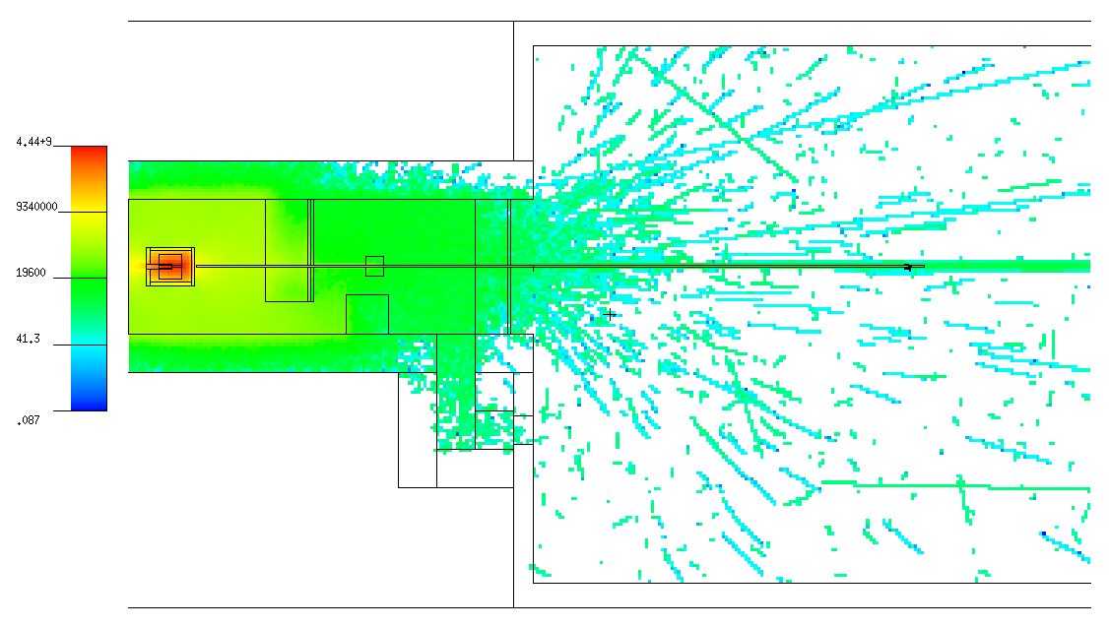
 |  |  |  |  |  |  |  |  |  |  |  |  |  |  |  | 9.00E-01 | 1.00E+00 | 0.000E+00 | 0.000E+00 | 0 | 0.00E+00 | 0.00E+00 |  |  |  |  |  |  | 9.00E-01 | 1.00E+00 | 0.000E+00 | 0.000E+00 | 0 |  |  |  |  |  |  |  | 0.00E+00 | 0.00E+00 | 0.00E+00 | 0.00E+00 |  |  |  |  |  |  |  | 0.00E+00 | 0.00E+00
 |  |  |  |  |  |  |  |  |  |  |  |  |  |  |  | 1.00E+00 | 1.20E+00 | 0.000E+00 | 0.000E+00 | 0 | 0.00E+00 | 0.00E+00 |  |  |  |  |  |  | 1.00E+00 | 1.20E+00 | 0.000E+00 | 0.000E+00 | 0 |  |  |  |  |  |  |  | 0.00E+00 | 0.00E+00 | 0.00E+00 | 0.00E+00 |  |  |  |  |  |  |  | 0.00E+00 | 0.00E+00
 |  |  |  |  |  |  |  |  |  |  |  |  |  |  |  | 1.20E+00 | 2.00E+00 | 0.000E+00 | 0.000E+00 | 0 | 0.00E+00 | 0.00E+00 |  |  |  |  |  |  | 1.20E+00 | 2.00E+00 | 0.000E+00 | 0.000E+00 | 0 |  |  |  |  |  |  |  | 0.00E+00 | 0.00E+00 | 0.00E+00 | 0.00E+00 |  |  |  |  |  |  |  | 0.00E+00 | 0.00E+00
 |  |  |  |  |  |  |  |  |  |  |  |  |  |  |  | 2.00E+00 | 3.00E+00 | 0.000E+00 | 0.000E+00 | 0 | 0.00E+00 | 0.00E+00 |  |  |  |  |  |  | 2.00E+00 | 3.00E+00 | 0.000E+00 | 0.000E+00 | 0 |  |  |  |  |  |  |  | 0.00E+00 | 0.00E+00 | 0.00E+00 | 0.00E+00 |  |  |  |  |  |  |  | 0.00E+00 | 0.00E+00
 |  |  |  |  |  |  |  |  |  |  |  |  |  |  |  | 3.00E+00 | 4.00E+00 | 0.000E+00 | 0.000E+00 | 0 | 0.00E+00 | 0.00E+00 |  |  |  |  |  |  | 3.00E+00 | 4.00E+00 | 0.000E+00 | 0.000E+00 | 0 |  |  |  |  |  |  |  | 0.00E+00 | 0.00E+00 | 0.00E+00 | 0.00E+00 |  |  |  |  |  |  |  | 0.00E+00 | 0.00E+00
 |  |  |  |  |  |  |  |  |  |  |  |  |  |  |  | 4.00E+00 | 5.00E+00 | 1.407E+02 | 1.407E+02 | 1 | 1.41E+02 | 1.41E+02 |  |  |  |  |  |  | 4.00E+00 | 5.00E+00 | 0.000E+00 | 0.000E+00 | 0 |  |  |  |  |  |  |  | 2.92E+01 | 2.92E+01 | 0.00E+00 | 0.00E+00 |  |  |  |  |  |  |  | 2.92E+01 | 2.92E+01
 |  |  |  |  |  |  |  |  |  |  |  |  |  |  |  | 5.00E+00 | 6.00E+00 | 0.000E+00 | 0.000E+00 | 0 | 0.00E+00 | 0.00E+00 |  |  |  |  |  |  | 5.00E+00 | 6.00E+00 | 0.000E+00 | 0.000E+00 | 0 |  |  |  |  |  |  |  | 0.00E+00 | 0.00E+00 | 0.00E+00 | 0.00E+00 |  |  |  |  |  |  |  | 0.00E+00 | 0.00E+00
 |  |  |  |  |  |  |  |  |  |  |  |  |  |  |  | 6.00E+00 | 7.00E+00 | 0.000E+00 | 0.000E+00 | 0 | 0.00E+00 | 0.00E+00 |  |  |  |  |  |  | 6.00E+00 | 7.00E+00 | 0.000E+00 | 0.000E+00 | 0 |  |  |  |  |  |  |  | 0.00E+00 | 0.00E+00 | 0.00E+00 | 0.00E+00 |  |  |  |  |  |  |  | 0.00E+00 | 0.00E+00
 |  |  |  |  |  |  |  |  |  |  |  |  |  |  |  | 7.00E+00 | 8.00E+00 | 0.000E+00 | 0.000E+00 | 0 | 0.00E+00 | 0.00E+00 |  |  |  |  |  |  | 7.00E+00 | 8.00E+00 | 0.000E+00 | 0.000E+00 | 0 |  |  |  |  |  |  |  | 0.00E+00 | 0.00E+00 | 0.00E+00 | 0.00E+00 |  |  |  |  |  |  |  | 0.00E+00 | 0.00E+00
 |  |  |  |  |  |  |  |  |  |  |  |  |  |  |  | 8.00E+00 | 9.00E+00 | 0.000E+00 | 0.000E+00 | 0 | 0.00E+00 | 0.00E+00 |  |  |  |  |  |  | 8.00E+00 | 9.00E+00 | 0.000E+00 | 0.000E+00 | 0 |  |  |  |  |  |  |  | 0.00E+00 | 0.00E+00 | 0.00E+00 | 0.00E+00 |  |  |  |  |  |  |  | 0.00E+00 | 0.00E+00
 |  |  |  |  |  |  |  |  |  |  |  |  |  |  |  | 9.00E+00 | 1.00E+01 | 0.000E+00 | 0.000E+00 | 0 | 0.00E+00 | 0.00E+00 |  |  |  |  |  |  | 9.00E+00 | 1.00E+01 | 0.000E+00 | 0.000E+00 | 0 |  |  |  |  |  |  |  | 0.00E+00 | 0.00E+00 | 0.00E+00 | 0.00E+00 |  |  |  |  |  |  |  | 0.00E+00 | 0.00E+00
Top view: |  |  |  |  |  |  |  |  |  |  |  |  |  |  |  | 1.00E+01 | 1.20E+01 | 0.000E+00 | 0.000E+00 | 0 | 0.00E+00 | 0.00E+00 |  |  |  |  |  |  | 1.00E+01 | 1.20E+01 | 0.000E+00 | 0.000E+00 | 0 |  |  |  |  |  |  |  | 0.00E+00 | 0.00E+00 | 0.00E+00 | 0.00E+00 |  |  |  |  |  |  |  | 0.00E+00 | 0.00E+00
(horizontal XS) |  |  |  |  |  |  |  |  |  |  |  |  |  |  |  | 1.20E+01 | 1.40E+01 | 0.000E+00 | 0.000E+00 | 0 | 0.00E+00 | 0.00E+00 |  |  |  |  |  |  | 1.20E+01 | 1.40E+01 | 0.000E+00 | 0.000E+00 | 0 |  |  |  |  |  |  |  | 0.00E+00 | 0.00E+00 | 0.00E+00 | 0.00E+00 |  |  |  |  |  |  |  | 0.00E+00 | 0.00E+00
 |  |  |  |  |  |  |  |  |  |  |  |  |  |  |  | 1.40E+01 | 1.50E+01 | 0.000E+00 | 0.000E+00 | 0 | 0.00E+00 | 0.00E+00 |  |  |  |  |  |  | 1.40E+01 | 1.50E+01 | 0.000E+00 | 0.000E+00 | 0 |  |  |  |  |  |  |  | 0.00E+00 | 0.00E+00 | 0.00E+00 | 0.00E+00 |  |  |  |  |  |  |  | 0.00E+00 | 0.00E+00
 |  |  |  |  |  |  |  |  |  |  |  |  |  |  |  | 1.50E+01 | 1.60E+01 | 0.000E+00 | 0.000E+00 | 0 | 0.00E+00 | 0.00E+00 |  |  |  |  |  |  | 1.50E+01 | 1.60E+01 | 0.000E+00 | 0.000E+00 | 0 |  |  |  |  |  |  |  | 0.00E+00 | 0.00E+00 | 0.00E+00 | 0.00E+00 |  |  |  |  |  |  |  | 0.00E+00 | 0.00E+00
 |  |  |  |  |  |  |  |  |  |  |  |  |  |  |  | 1.60E+01 | 1.80E+01 | 0.000E+00 | 0.000E+00 | 0 | 0.00E+00 | 0.00E+00 |  |  |  |  |  |  | 1.60E+01 | 1.80E+01 | 0.000E+00 | 0.000E+00 | 0 |  |  |  |  |  |  |  | 0.00E+00 | 0.00E+00 | 0.00E+00 | 0.00E+00 |  |  |  |  |  |  |  | 0.00E+00 | 0.00E+00
 |  |  |  |  |  |  |  |  |  |  |  |  |  |  |  | 1.80E+01 | 2.00E+01 | 0.000E+00 | 0.000E+00 | 0 | 0.00E+00 | 0.00E+00 |  |  |  |  |  |  | 1.80E+01 | 2.00E+01 | 0.000E+00 | 0.000E+00 | 0 |  |  |  |  |  |  |  | 0.00E+00 | 0.00E+00 | 0.00E+00 | 0.00E+00 |  |  |  |  |  |  |  | 0.00E+00 | 0.00E+00
 |  |  |  |  |  |  |  |  |  |  |  |  |  |  |  | 2.00E+01 | 3.00E+01 | 0.000E+00 | 0.000E+00 | 0 | 0.00E+00 | 0.00E+00 |  |  |  |  |  |  | 2.00E+01 | 3.00E+01 | 0.000E+00 | 0.000E+00 | 0 |  |  |  |  |  |  |  | 0.00E+00 | 0.00E+00 | 0.00E+00 | 0.00E+00 |  |  |  |  |  |  |  | 0.00E+00 | 0.00E+00
 |  |  |  |  |  |  |  |  |  |  |  |  |  |  |  | 3.00E+01 | 5.00E+01 | 1.407E+02 | 1.407E+02 | 1 | 7.04E+00 | 7.04E+00 |  |  |  |  |  |  | 3.00E+01 | 5.00E+01 | 0.000E+00 | 0.000E+00 | 0 |  |  |  |  |  |  |  | 2.92E+01 | 2.92E+01 | 0.00E+00 | 0.00E+00 |  |  |  |  |  |  |  | 1.46E+00 | 1.46E+00
 |  |  |  |  |  |  |  |  |  |  |  |  |  |  |  | 5.00E+01 | 7.50E+01 | 0.000E+00 | 0.000E+00 | 0 | 0.00E+00 | 0.00E+00 |  |  |  |  |  |  | 5.00E+01 | 7.50E+01 | 0.000E+00 | 0.000E+00 | 0 |  |  |  |  |  |  |  | 0.00E+00 | 0.00E+00 | 0.00E+00 | 0.00E+00 |  |  |  |  |  |  |  | 0.00E+00 | 0.00E+00
 |  |  |  |  |  |  |  |  |  |  |  |  |  |  |  | 7.50E+01 | 1.00E+02 | 1.407E+02 | 1.407E+02 | 1 | 5.63E+00 | 5.63E+00 |  |  |  |  |  |  | 7.50E+01 | 1.00E+02 | 0.000E+00 | 0.000E+00 | 0 |  |  |  |  |  |  |  | 2.92E+01 | 2.92E+01 | 0.00E+00 | 0.00E+00 |  |  |  |  |  |  |  | 1.17E+00 | 1.17E+00
 |  |  |  |  |  |  |  |  |  |  |  |  |  |  |  | 1.00E+02 | 1.30E+02 | 4.221E+02 | 2.437E+02 | 0.5774 | 1.41E+01 | 8.12E+00 |  |  |  |  |  |  | 1.00E+02 | 1.30E+02 | 2.298E+02 | 1.625E+02 | 0.7071 |  |  |  |  |  |  |  | 8.77E+01 | 5.06E+01 | 7.66E+00 | 5.42E+00 |  |  |  |  |  |  |  | 2.92E+00 | 1.69E+00
 |  |  |  |  |  |  |  |  |  |  |  |  |  |  |  | 1.30E+02 | 1.50E+02 | 4.221E+02 | 2.437E+02 | 0.5774 | 2.11E+01 | 1.22E+01 |  |  |  |  |  |  | 1.30E+02 | 1.50E+02 | 1.149E+02 | 1.149E+02 | 1 |  |  |  |  |  |  |  | 8.77E+01 | 5.06E+01 | 5.75E+00 | 5.75E+00 |  |  |  |  |  |  |  | 4.38E+00 | 2.53E+00
 |  |  |  |  |  |  |  |  |  |  |  |  |  |  |  | 1.50E+02 | 1.80E+02 | 1.689E+03 | 4.875E+02 | 0.2887 | 5.63E+01 | 1.62E+01 |  |  |  |  |  |  | 1.50E+02 | 1.80E+02 | 1.149E+02 | 1.149E+02 | 1 |  |  |  |  |  |  |  | 3.51E+02 | 1.01E+02 | 3.83E+00 | 3.83E+00 |  |  |  |  |  |  |  | 1.17E+01 | 3.37E+00
 |  |  |  |  |  |  |  |  |  |  |  |  |  |  |  | 1.80E+02 | 2.20E+02 | 3.285E+03 | 6.866E+02 | 0.209 | 8.21E+01 | 1.72E+01 |  |  |  |  |  |  | 1.80E+02 | 2.20E+02 | 5.746E+02 | 2.569E+02 | 0.4472 |  |  |  |  |  |  |  | 6.82E+02 | 1.43E+02 | 1.44E+01 | 6.42E+00 |  |  |  |  |  |  |  | 1.71E+01 | 3.56E+00
 |  |  |  |  |  |  |  |  |  |  |  |  |  |  |  | 2.20E+02 | 5.00E+02 | 5.398E+03 | 8.691E+02 | 0.161 | 1.93E+01 | 3.10E+00 |  |  |  |  |  |  | 2.20E+02 | 5.00E+02 | 1.724E+03 | 4.451E+02 | 0.2582 |  |  |  |  |  |  |  | 1.12E+03 | 1.80E+02 | 6.16E+00 | 1.59E+00 |  |  |  |  |  |  |  | 4.00E+00 | 6.45E-01
 |  |  |  |  |  |  |  |  |  |  |  |  |  |  |  | 5.00E+02 | 1.00E+03 | 1.689E+03 | 4.876E+02 | 0.2887 | 3.38E+00 | 9.75E-01 |  |  |  |  |  |  | 5.00E+02 | 1.00E+03 | 3.447E+02 | 1.991E+02 | 0.5774 |  |  |  |  |  |  |  | 3.51E+02 | 1.01E+02 | 6.89E-01 | 3.98E-01 |  |  |  |  |  |  |  | 7.01E-01 | 2.02E-01
 |  |  |  |  |  |  |  |  |  |  |  |  |  |  |  | 1.00E+03 | 2.00E+03 | 8.443E+02 | 3.446E+02 | 0.4082 | 8.44E-01 | 3.45E-01 |  |  |  |  |  |  | 1.00E+03 | 2.00E+03 | 1.149E+02 | 1.149E+02 | 1 |  |  |  |  |  |  |  | 1.75E+02 | 7.16E+01 | 1.15E-01 | 1.15E-01 |  |  |  |  |  |  |  | 1.75E-01 | 7.16E-02
 |  |  |  |  |  |  |  |  |  |  |  |  |  |  |  | 2.00E+03 | 5.00E+03 | 4.221E+02 | 2.437E+02 | 0.5774 | 1.41E-01 | 8.12E-02 |  |  |  |  |  |  | 2.00E+03 | 5.00E+03 | 3.447E+02 | 1.991E+02 | 0.5774 |  |  |  |  |  |  |  | 8.77E+01 | 5.06E+01 | 1.15E-01 | 6.64E-02 |  |  |  |  |  |  |  | 2.92E-02 | 1.69E-02
 |  |  |  |  |  |  |  |  |  |  |  |  |  |  |  | 5.00E+03 | 8.00E+03 | 2.814E+02 | 1.990E+02 | 0.7071 | 9.38E-02 | 6.63E-02 |  |  |  |  |  |  | 5.00E+03 | 8.00E+03 | 0.000E+00 | 0.000E+00 | 0 |  |  |  |  |  |  |  | 5.84E+01 | 4.13E+01 | 0.00E+00 | 0.00E+00 |  |  |  |  |  |  |  | 1.95E-02 | 1.38E-02

 |  |  |  |  |  |  |  |  |  |  |  |  |  |  |  |  | Σ = | 1.768E+04 |  |  |  |  |  |  |  |  |  |  |  | Σ = | 3.671E+03 |  |  |  |  |  |  |  |  | Σ = | 3.671E+03

Gamma flux and doses |  |  |  | ~3e8 e-events
 |  |  |  |  |  |  |  |  |  |  |  |  |  |  |  |  |  |  |  |  |  |  |  |  |  |  |  |  |  |  |  |  |  |  |  |  |  |  |  |  |  |  |  |  | Tally #1 - norm to #6 |  |  |  |  |  |  |  |  |  | Tally #1 - norm to #6
Tally: | Ø 7 cm, ΔL = 1 cm |  |  | Ø 7 cm, ΔL = 1 cm |  |  | Ø 7 cm, ΔL = 1 cm |  |  | Ø 7 cm, ΔL = 1 cm |  |  |  |  | Tally #1: | ΔE, MeV |  | G/(s cm2) | ± | ± ratio | ΔE, MeV |  | G/(s cm2) | ± | ± ratio | G/(s cm2 MeV) | ± |  |  |  |  |  |  | Tally #6: | ΔE, MeV |  | G/(s cm2) | ± | ± ratio |  |  |  |  |  | G/(s cm2) | ± | ΔE, MeV |  | G/(s cm2) | ± | ± ratio |  | G/(s cm2 MeV) | ± | G/(s cm2 MeV) | ±
1 |  |  | 2 |  |  | 3 |  |  | 4
G/(s cm2) | ± ratio | ± | G/(s cm2) | ± ratio | ± | G/(s cm2) | ± ratio | ± | G/(s cm2) | ± ratio | ± |  |  |  |  | 0.00E+00 | 1.00E-02 | 0.000E+00 | 0.000E+00 | 0 | 0.00E+00 | 1.00E-02 | 0.000E+00 | 0.000E+00 | 0 | 0.00E+00 | 0.00E+00 |  |  |  |  |  |  |  | 0.00E+00 | 1.00E-02 | 0.000E+00 | 0.000E+00 | 0 |  |  |  |  |  | 0.00E+00 | 0.00E+00 | 0.00E+00 | 1.00E-02 | 0.000E+00 | 0.000E+00 | 0 |  | 0.00E+00 | 0.00E+00 | 0.00E+00 | 0.00E+00
G flux in Tally #1, G/(s cm2)
G flux in Tally #1, G/(s cm2 MeV)
G flux in Tally #6, G/(s cm2)
G flux in Tally #1, G/(s cm2 MeV)
2.68E+04 | 0.0733 | 1.97E+03 | 0.00E+00 | 0 | 0.00E+00 | 2.38E+04 | 0.0778 | 1.85E+03 | 0.00E+00 | 0 | 0.00E+00 |  |  |  |  | 1.00E-02 | 1.50E-02 | 0.000E+00 | 0.000E+00 | 0 | 1.00E-02 | 1.50E-02 | 0.000E+00 | 0.000E+00 | 0 | 0.00E+00 | 0.00E+00 |  |  |  |  |  |  |  | 1.00E-02 | 1.50E-02 | 0.000E+00 | 0.000E+00 | 0 |  |  |  |  |  | 0.00E+00 | 0.00E+00 | 1.00E-02 | 1.50E-02 | 0.000E+00 | 0.000E+00 | 0 |  | 0.00E+00 | 0.00E+00 | 0.00E+00 | 0.00E+00
 |  |  |  |  |  |  |  |  |  |  |  |  |  |  |  | 1.50E-02 | 2.00E-02 | 0.000E+00 | 0.000E+00 | 0 | 1.50E-02 | 2.00E-02 | 0.000E+00 | 0.000E+00 | 0 | 0.00E+00 | 0.00E+00 |  |  |  |  |  |  |  | 1.50E-02 | 2.00E-02 | 0.000E+00 | 0.000E+00 | 0 |  |  |  |  |  | 0.00E+00 | 0.00E+00 | 1.50E-02 | 2.00E-02 | 0.000E+00 | 0.000E+00 | 0 |  | 0.00E+00 | 0.00E+00 | 0.00E+00 | 0.00E+00
 |  |  |  |  |  |  |  |  |  |  |  |  |  |  |  | 2.00E-02 | 3.00E-02 | 0.000E+00 | 0.000E+00 | 0 | 2.00E-02 | 3.00E-02 | 0.000E+00 | 0.000E+00 | 0 | 0.00E+00 | 0.00E+00 |  |  |  |  |  |  |  | 2.00E-02 | 3.00E-02 | 0.000E+00 | 0.000E+00 | 0 |  |  |  |  |  | 0.00E+00 | 0.00E+00 | 2.00E-02 | 3.00E-02 | 0.000E+00 | 0.000E+00 | 0 |  | 0.00E+00 | 0.00E+00 | 0.00E+00 | 0.00E+00
 | 3 × 3 m, ΔL = 1 cm |  |  | ΔL = 10 cm, OØ 8 cm, IØ 7 cm |  |  | 1 × 1 m, ΔL = 1 cm |  |  | 1 × 1 m, ΔL = 1 cm |  |  | 1 × 1 m, ΔL = 1 cm |  |  | 3.00E-02 | 4.00E-02 | 0.000E+00 | 0.000E+00 | 0 | 3.00E-02 | 4.00E-02 | 0.000E+00 | 0.000E+00 | 0 | 0.00E+00 | 0.00E+00 |  |  |  |  |  |  |  | 3.00E-02 | 4.00E-02 | 0.000E+00 | 0.000E+00 | 0 |  |  |  |  |  | 0.00E+00 | 0.00E+00 | 3.00E-02 | 4.00E-02 | 0.000E+00 | 0.000E+00 | 0 |  | 0.00E+00 | 0.00E+00 | 0.00E+00 | 0.00E+00
5 |  |  | 6 |  |  | 7 |  |  | 8 |  |  | 9 |  |  |  | 4.00E-02 | 5.00E-02 | 0.000E+00 | 0.000E+00 | 0 | 4.00E-02 | 5.00E-02 | 0.000E+00 | 0.000E+00 | 0 | 0.00E+00 | 0.00E+00 |  |  |  |  |  |  |  | 4.00E-02 | 5.00E-02 | 0.000E+00 | 0.000E+00 | 0 |  |  |  |  |  | 0.00E+00 | 0.00E+00 | 4.00E-02 | 5.00E-02 | 0.000E+00 | 0.000E+00 | 0 |  | 0.00E+00 | 0.00E+00 | 0.00E+00 | 0.00E+00
mrem/h | ± ratio | ± | G/(s cm2) | ± ratio | ± | mrem/h | ± ratio | ± | mrem/h | ± ratio | ± | mrem/h | ± ratio | ± |  | 5.00E-02 | 6.00E-02 | 0.000E+00 | 0.000E+00 | 0 | 5.00E-02 | 6.00E-02 | 0.000E+00 | 0.000E+00 | 0 | 0.00E+00 | 0.00E+00 |  |  |  |  |  |  |  | 5.00E-02 | 6.00E-02 | 0.000E+00 | 0.000E+00 | 0 |  |  |  |  |  | 0.00E+00 | 0.00E+00 | 5.00E-02 | 6.00E-02 | 0.000E+00 | 0.000E+00 | 0 |  | 0.00E+00 | 0.00E+00 | 0.00E+00 | 0.00E+00
6.25E-03 | 0.7739 | 4.84E-03 | 5.89E+02 | 0.4472 | 2.63E+02 | 1.05E-02 | 1 | 1.05E-02 | 6.70E-03 | 1 | 6.70E-03 | 2.23E-02 | 1 | 2.23E-02 |  | 6.00E-02 | 7.00E-02 | 0.000E+00 | 0.000E+00 | 0 | 6.00E-02 | 7.00E-02 | 0.000E+00 | 0.000E+00 | 0 | 0.00E+00 | 0.00E+00 |  |  |  |  |  |  |  | 6.00E-02 | 7.00E-02 | 0.000E+00 | 0.000E+00 | 0 |  |  |  |  |  | 0.00E+00 | 0.00E+00 | 6.00E-02 | 7.00E-02 | 0.000E+00 | 0.000E+00 | 0 |  | 0.00E+00 | 0.00E+00 | 0.00E+00 | 0.00E+00
 |  |  |  |  |  |  |  |  |  |  |  |  |  |  |  | 7.00E-02 | 8.00E-02 | 0.000E+00 | 0.000E+00 | 0 | 7.00E-02 | 8.00E-02 | 0.000E+00 | 0.000E+00 | 0 | 0.00E+00 | 0.00E+00 |  |  |  |  |  |  |  | 7.00E-02 | 8.00E-02 | 0.000E+00 | 0.000E+00 | 0 |  |  |  |  |  | 0.00E+00 | 0.00E+00 | 7.00E-02 | 8.00E-02 | 0.000E+00 | 0.000E+00 | 0 |  | 0.00E+00 | 0.00E+00 | 0.00E+00 | 0.00E+00
 |  |  |  |  |  |  |  |  |  |  |  |  |  |  |  | 8.00E-02 | 1.00E-01 | 0.000E+00 | 0.000E+00 | 0 | 8.00E-02 | 1.00E-01 | 0.000E+00 | 0.000E+00 | 0 | 0.00E+00 | 0.00E+00 |  |  |  |  |  |  |  | 8.00E-02 | 1.00E-01 | 0.000E+00 | 0.000E+00 | 0 |  |  |  |  |  | 0.00E+00 | 0.00E+00 | 8.00E-02 | 1.00E-01 | 0.000E+00 | 0.000E+00 | 0 |  | 0.00E+00 | 0.00E+00 | 0.00E+00 | 0.00E+00
 |  |  |  |  |  |  |  |  |  |  |  |  |  |  |  | 1.00E-01 | 1.50E-01 | 0.000E+00 | 0.000E+00 | 0 | 1.00E-01 | 1.50E-01 | 0.000E+00 | 0.000E+00 | 0 | 0.00E+00 | 0.00E+00 |  |  |  |  |  |  |  | 1.00E-01 | 1.50E-01 | 0.000E+00 | 0.000E+00 | 0 |  |  |  |  |  | 0.00E+00 | 0.00E+00 | 1.00E-01 | 1.50E-01 | 0.000E+00 | 0.000E+00 | 0 |  | 0.00E+00 | 0.00E+00 | 0.00E+00 | 0.00E+00
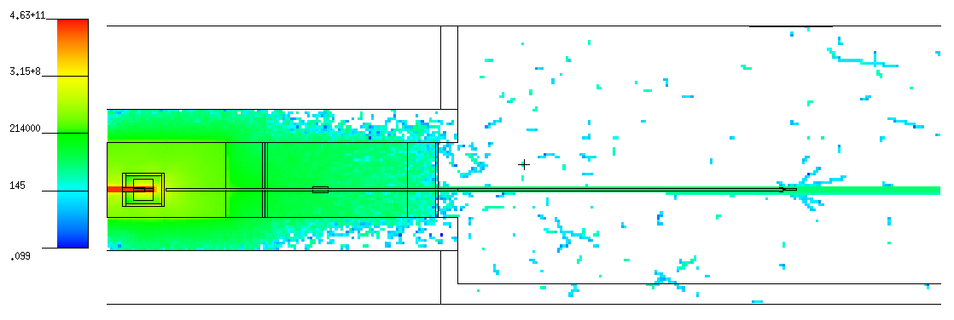
 |  |  |  |  |  |  |  |  |  |  |  |  |  |  |  | 1.50E-01 | 2.00E-01 | 0.000E+00 | 0.000E+00 | 0 | 1.50E-01 | 2.00E-01 | 0.000E+00 | 0.000E+00 | 0 | 0.00E+00 | 0.00E+00 |  |  |  |  |  |  |  | 1.50E-01 | 2.00E-01 | 0.000E+00 | 0.000E+00 | 0 |  |  |  |  |  | 0.00E+00 | 0.00E+00 | 1.50E-01 | 2.00E-01 | 0.000E+00 | 0.000E+00 | 0 |  | 0.00E+00 | 0.00E+00 | 0.00E+00 | 0.00E+00
 |  |  |  |  |  |  |  |  |  |  |  |  |  |  |  | 2.00E-01 | 3.00E-01 | 0.000E+00 | 0.000E+00 | 0 | 2.00E-01 | 3.00E-01 | 0.000E+00 | 0.000E+00 | 0 | 0.00E+00 | 0.00E+00 |  |  |  |  |  |  |  | 2.00E-01 | 3.00E-01 | 0.000E+00 | 0.000E+00 | 0 |  |  |  |  |  | 0.00E+00 | 0.00E+00 | 2.00E-01 | 3.00E-01 | 0.000E+00 | 0.000E+00 | 0 |  | 0.00E+00 | 0.00E+00 | 0.00E+00 | 0.00E+00
 |  |  |  |  |  |  |  |  |  |  |  |  |  |  |  | 3.00E-01 | 4.00E-01 | 0.000E+00 | 0.000E+00 | 0 | 3.00E-01 | 4.00E-01 | 0.000E+00 | 0.000E+00 | 0 | 0.00E+00 | 0.00E+00 |  |  |  |  |  |  |  | 3.00E-01 | 4.00E-01 | 0.000E+00 | 0.000E+00 | 0 |  |  |  |  |  | 0.00E+00 | 0.00E+00 | 3.00E-01 | 4.00E-01 | 0.000E+00 | 0.000E+00 | 0 |  | 0.00E+00 | 0.00E+00 | 0.00E+00 | 0.00E+00
 |  |  |  |  |  |  |  |  |  |  |  |  |  |  |  | 4.00E-01 | 5.00E-01 | 0.000E+00 | 0.000E+00 | 0 | 4.00E-01 | 5.00E-01 | 0.000E+00 | 0.000E+00 | 0 | 0.00E+00 | 0.00E+00 |  |  |  |  |  |  |  | 4.00E-01 | 5.00E-01 | 0.000E+00 | 0.000E+00 | 0 |  |  |  |  |  | 0.00E+00 | 0.00E+00 | 4.00E-01 | 5.00E-01 | 0.000E+00 | 0.000E+00 | 0 |  | 0.00E+00 | 0.00E+00 | 0.00E+00 | 0.00E+00
 |  |  |  |  |  |  |  |  |  |  |  |  |  |  |  | 5.00E-01 | 5.11E-01 | 0.000E+00 | 0.000E+00 | 0 | 5.00E-01 | 6.00E-01 | 0.000E+00 | 0.000E+00 | 0 | 0.00E+00 | 0.00E+00 |  |  |  |  |  |  |  | 5.00E-01 | 5.11E-01 | 0.000E+00 | 0.000E+00 | 0 |  |  |  |  |  | 0.00E+00 | 0.00E+00 | 5.00E-01 | 6.00E-01 | 0.000E+00 | 0.000E+00 | 0 |  | 0.00E+00 | 0.00E+00 | 0.00E+00 | 0.00E+00
 |  |  |  |  |  |  |  |  |  |  |  |  |  |  |  | 5.11E-01 | 6.00E-01 | 0.000E+00 | 0.000E+00 | 0 | 6.00E-01 | 8.00E-01 | 0.000E+00 | 0.000E+00 | 0 | 0.00E+00 | 0.00E+00 |  |  |  |  |  |  |  | 5.11E-01 | 6.00E-01 | 0.000E+00 | 0.000E+00 | 0 |  |  |  |  |  | 0.00E+00 | 0.00E+00 | 6.00E-01 | 8.00E-01 | 0.000E+00 | 0.000E+00 | 0 |  | 0.00E+00 | 0.00E+00 | 0.00E+00 | 0.00E+00
G flux in Tally #1(grouping), G/(s cm2)
G flux in Tally #6(grouping), G/(s cm2)
 |  |  |  |  |  |  |  |  |  |  |  |  |  |  |  | 6.00E-01 | 6.62E-01 | 0.000E+00 | 0.000E+00 | 0 | 8.00E-01 | 1.00E+00 | 0.000E+00 | 0.000E+00 | 0 | 0.00E+00 | 0.00E+00 |  |  |  |  |  |  |  | 6.00E-01 | 6.62E-01 | 0.000E+00 | 0.000E+00 | 0 |  |  |  |  |  | 0.00E+00 | 0.00E+00 | 8.00E-01 | 1.00E+00 | 0.000E+00 | 0.000E+00 | 0 |  | 0.00E+00 | 0.00E+00 | 0.00E+00 | 0.00E+00
 |  |  |  |  |  |  |  |  |  |  |  |  |  |  |  | 6.62E-01 | 8.00E-01 | 0.000E+00 | 0.000E+00 | 0 | 1.00E+00 | 1.50E+00 | 1.442E+02 | 1.442E+02 | 1 | 2.88E+02 | 2.88E+02 |  |  |  |  |  |  |  | 6.62E-01 | 8.00E-01 | 0.000E+00 | 0.000E+00 | 0 |  |  |  |  |  | 3.17E+00 | 3.17E+00 | 1.00E+00 | 1.50E+00 | 0.000E+00 | 0.000E+00 | 0 |  | 0.00E+00 | 0.00E+00 | 6.33E+00 | 6.33E+00
G flux in Tally #1, norm to #6, G/(s cm2 MeV)
Side view: |  |  |  |  |  |  |  |  |  |  |  |  |  |  |  | 8.00E-01 | 1.00E+00 | 0.000E+00 | 0.000E+00 | 0 | 1.50E+00 | 2.00E+00 | 4.326E+02 | 2.498E+02 | 0.5774 | 8.65E+02 | 5.00E+02 |  |  |  |  |  |  |  | 8.00E-01 | 1.00E+00 | 0.000E+00 | 0.000E+00 | 0 |  |  |  |  |  | 9.50E+00 | 5.48E+00 | 1.50E+00 | 2.00E+00 | 0.000E+00 | 0.000E+00 | 0 |  | 0.00E+00 | 0.00E+00 | 1.90E+01 | 1.10E+01
(vertical XS) |  |  |  |  |  |  |  |  |  |  |  |  |  |  |  | 1.00E+00 | 1.12E+00 | 0.000E+00 | 0.000E+00 | 0 | 2.00E+00 | 3.00E+00 | 3.461E+03 | 7.064E+02 | 0.2041 | 3.46E+03 | 7.06E+02 |  |  |  |  |  |  |  | 1.00E+00 | 1.12E+00 | 0.000E+00 | 0.000E+00 | 0 |  |  |  |  |  | 7.60E+01 | 1.55E+01 | 2.00E+00 | 3.00E+00 | 2.355E+02 | 1.665E+02 | 0.7071 |  | 2.36E+02 | 1.67E+02 | 7.60E+01 | 1.55E+01
 |  |  |  |  |  |  |  |  |  |  |  |  |  |  |  | 1.12E+00 | 1.33E+00 | 0.000E+00 | 0.000E+00 | 0 | 3.00E+00 | 4.00E+00 | 7.643E+03 | 1.050E+03 | 0.1374 | 7.64E+03 | 1.05E+03 |  |  |  |  |  |  |  | 1.12E+00 | 1.33E+00 | 0.000E+00 | 0.000E+00 | 0 |  |  |  |  |  | 1.68E+02 | 2.31E+01 | 3.00E+00 | 4.00E+00 | 1.178E+02 | 1.178E+02 | 1 |  | 1.18E+02 | 1.18E+02 | 1.68E+02 | 2.31E+01
 |  |  |  |  |  |  |  |  |  |  |  |  |  |  |  | 1.33E+00 | 1.50E+00 | 1.442E+02 | 1.442E+02 | 1 | 4.00E+00 | 5.00E+00 | 6.778E+03 | 9.888E+02 | 0.1459 | 6.78E+03 | 9.89E+02 |  |  |  |  |  |  |  | 1.33E+00 | 1.50E+00 | 0.000E+00 | 0.000E+00 | 0 |  |  |  |  |  | 1.49E+02 | 2.17E+01 | 4.00E+00 | 5.00E+00 | 0.000E+00 | 0.000E+00 | 0 |  | 0.00E+00 | 0.00E+00 | 1.49E+02 | 2.17E+01
 |  |  |  |  |  |  |  |  |  |  |  |  |  |  |  | 1.50E+00 | 2.00E+00 | 4.326E+02 | 2.498E+02 | 0.5774 | 5.00E+00 | 6.00E+00 | 2.740E+03 | 6.285E+02 | 0.2294 | 2.74E+03 | 6.29E+02 |  |  |  |  |  |  |  | 1.50E+00 | 2.00E+00 | 0.000E+00 | 0.000E+00 | 0 |  |  |  |  |  | 6.01E+01 | 1.38E+01 | 5.00E+00 | 6.00E+00 | 1.178E+02 | 1.178E+02 | 1 |  | 1.18E+02 | 1.18E+02 | 6.01E+01 | 1.38E+01
 |  |  |  |  |  |  |  |  |  |  |  |  |  |  |  | 2.00E+00 | 3.00E+00 | 3.461E+03 | 7.064E+02 | 0.2041 | 6.00E+00 | 8.00E+00 | 3.605E+03 | 7.209E+02 | 0.19997728895 | 1.80E+03 | 3.60E+02 |  |  |  |  |  |  |  | 2.00E+00 | 3.00E+00 | 2.355E+02 | 1.665E+02 | 0.7071 |  |  |  |  |  | 7.91E+01 | 1.58E+01 | 6.00E+00 | 8.00E+00 | 1.178E+02 | 1.178E+02 | 1 |  | 5.89E+01 | 5.89E+01 | 3.96E+01 | 7.91E+00
 |  |  |  |  |  |  |  |  |  |  |  |  |  |  |  | 3.00E+00 | 4.00E+00 | 7.643E+03 | 1.050E+03 | 0.1374 | 8.00E+00 | 1.00E+01 | 8.652E+02 | 3.532E+02 | 0.4082 | 4.33E+02 | 1.77E+02 |  |  |  |  |  |  |  | 3.00E+00 | 4.00E+00 | 1.178E+02 | 1.178E+02 | 1 |  |  |  |  |  | 1.90E+01 | 7.75E+00 | 8.00E+00 | 1.00E+01 | 0.000E+00 | 0.000E+00 | 0 |  | 0.00E+00 | 0.00E+00 | 9.50E+00 | 3.88E+00
 |  |  |  |  |  |  |  |  |  |  |  |  |  |  |  | 4.00E+00 | 5.00E+00 | 6.778E+03 | 9.888E+02 | 0.1459 | 1.00E+01 | 1.50E+01 | 1.154E+03 | 4.079E+02 | 0.3536 | 2.31E+02 | 8.16E+01 |  |  |  |  |  |  |  | 4.00E+00 | 5.00E+00 | 0.000E+00 | 0.000E+00 | 0 |  |  |  |  |  | 2.53E+01 | 8.96E+00 | 1.00E+01 | 1.50E+01 | 0.000E+00 | 0.000E+00 | 0 |  | 0.00E+00 | 0.00E+00 | 5.07E+00 | 1.79E+00
 |  |  |  |  |  |  |  |  |  |  |  |  |  |  |  | 5.00E+00 | 6.00E+00 | 2.740E+03 | 6.285E+02 | 0.2294 | 1.50E+01 | 2.00E+01 | 0.000E+00 | 0.000E+00 | 0 | 0.00E+00 | 0.00E+00 |  |  |  |  |  |  |  | 5.00E+00 | 6.00E+00 | 1.178E+02 | 1.178E+02 | 1 |  |  |  |  |  | 0.00E+00 | 0.00E+00 | 1.50E+01 | 2.00E+01 | 0.000E+00 | 0.000E+00 | 0 |  | 0.00E+00 | 0.00E+00 | 0.00E+00 | 0.00E+00
 |  |  |  |  |  |  |  |  |  |  |  |  |  |  |  | 6.00E+00 | 6.13E+00 | 1.442E+02 | 1.442E+02 | 1 | 2.00E+01 | 3.00E+01 | 0.000E+00 | 0.000E+00 | 0 | 0.00E+00 | 0.00E+00 |  |  |  |  |  |  |  | 6.00E+00 | 6.13E+00 | 0.000E+00 | 0.000E+00 | 0 |  |  |  |  |  | 0.00E+00 | 0.00E+00 | 2.00E+01 | 3.00E+01 | 0.000E+00 | 0.000E+00 | 0 |  | 0.00E+00 | 0.00E+00 | 0.00E+00 | 0.00E+00
 |  |  |  |  |  |  |  |  |  |  |  |  |  |  |  | 6.13E+00 | 8.00E+00 | 3.461E+03 | 7.064E+02 | 0.2041 | 3.00E+01 | 4.00E+01 | 0.000E+00 | 0.000E+00 | 0 | 0.00E+00 | 0.00E+00 |  |  |  |  |  |  |  | 6.13E+00 | 8.00E+00 | 1.178E+02 | 1.178E+02 | 1 |  |  |  |  |  | 0.00E+00 | 0.00E+00 | 3.00E+01 | 4.00E+01 | 0.000E+00 | 0.000E+00 | 0 |  | 0.00E+00 | 0.00E+00 | 0.00E+00 | 0.00E+00
 |  |  |  |  |  |  |  |  |  |  |  |  |  |  |  | 8.00E+00 | 1.00E+01 | 8.652E+02 | 3.532E+02 | 0.4082 | 4.00E+01 | 5.00E+01 | 0.000E+00 | 0.000E+00 | 0 | 0.00E+00 | 0.00E+00 |  |  |  |  |  |  |  | 8.00E+00 | 1.00E+01 | 0.000E+00 | 0.000E+00 | 0 |  |  |  |  |  | 0.00E+00 | 0.00E+00 | 4.00E+01 | 5.00E+01 | 0.000E+00 | 0.000E+00 | 0 |  | 0.00E+00 | 0.00E+00 | 0.00E+00 | 0.00E+00
 |  |  |  |  |  |  |  |  |  |  |  |  |  |  |  | 1.00E+01 | 1.50E+01 | 1.154E+03 | 4.079E+02 | 0.3536 | 5.00E+01 | 6.00E+01 | 0.000E+00 | 0.000E+00 | 0 | 0.00E+00 | 0.00E+00 |  |  |  |  |  |  |  | 1.00E+01 | 1.50E+01 | 0.000E+00 | 0.000E+00 | 0 |  |  |  |  |  | 0.00E+00 | 0.00E+00 | 5.00E+01 | 6.00E+01 | 0.000E+00 | 0.000E+00 | 0 |  | 0.00E+00 | 0.00E+00 | 0.00E+00 | 0.00E+00
 |  |  |  |  |  |  |  |  |  |  |  |  |  |  |  | 1.50E+01 | 2.00E+01 | 0.000E+00 | 0.000E+00 | 0 | 6.00E+01 | 8.00E+01 | 0.000E+00 | 0.000E+00 | 0 | 0.00E+00 | 0.00E+00 |  |  |  |  |  |  |  | 1.50E+01 | 2.00E+01 | 0.000E+00 | 0.000E+00 | 0 |  |  |  |  |  | 0.00E+00 | 0.00E+00 | 6.00E+01 | 8.00E+01 | 0.000E+00 | 0.000E+00 | 0 |  | 0.00E+00 | 0.00E+00 | 0.00E+00 | 0.00E+00
 |  |  |  |  |  |  |  |  |  |  |  |  |  |  |  | 2.00E+01 | 3.00E+01 | 0.000E+00 | 0.000E+00 | 0 | 8.00E+01 | 1.00E+02 | 0.000E+00 | 0.000E+00 | 0 | 0.00E+00 | 0.00E+00 |  |  |  |  |  |  |  | 2.00E+01 | 3.00E+01 | 0.000E+00 | 0.000E+00 | 0 |  |  |  |  |  | 0.00E+00 | 0.00E+00 | 8.00E+01 | 1.00E+02 | 0.000E+00 | 0.000E+00 | 0 |  | 0.00E+00 | 0.00E+00 | 0.00E+00 | 0.00E+00
 |  |  |  |  |  |  |  |  |  |  |  |  |  |  |  | 3.00E+01 | 4.00E+01 | 0.000E+00 | 0.000E+00 | 0 | 1.00E+02 | 1.50E+02 | 0.000E+00 | 0.000E+00 | 0 | 0.00E+00 | 0.00E+00 |  |  |  |  |  |  |  | 3.00E+01 | 4.00E+01 | 0.000E+00 | 0.000E+00 | 0 |  |  |  |  |  | 0.00E+00 | 0.00E+00 | 1.00E+02 | 1.50E+02 | 0.000E+00 | 0.000E+00 | 0 |  | 0.00E+00 | 0.00E+00 | 0.00E+00 | 0.00E+00
G flux in Tally #1, norm to #6, G/(s cm2)
 |  |  |  |  |  |  |  |  |  |  |  |  |  |  |  | 4.00E+01 | 5.00E+01 | 0.000E+00 | 0.000E+00 | 0 | 1.50E+02 | 2.00E+02 | 0.000E+00 | 0.000E+00 | 0 | 0.00E+00 | 0.00E+00 |  |  |  |  |  |  |  | 4.00E+01 | 5.00E+01 | 0.000E+00 | 0.000E+00 | 0 |  |  |  |  |  | 0.00E+00 | 0.00E+00 | 1.50E+02 | 2.00E+02 | 0.000E+00 | 0.000E+00 | 0 |  | 0.00E+00 | 0.00E+00 | 0.00E+00 | 0.00E+00
 |  |  |  |  |  |  |  |  |  |  |  |  |  |  |  | 5.00E+01 | 6.00E+01 | 0.000E+00 | 0.000E+00 | 0 | 2.00E+02 | 3.00E+02 | 0.000E+00 | 0.000E+00 | 0 | 0.00E+00 | 0.00E+00 |  |  |  |  |  |  |  | 5.00E+01 | 6.00E+01 | 0.000E+00 | 0.000E+00 | 0 |  |  |  |  |  | 0.00E+00 | 0.00E+00 | 2.00E+02 | 3.00E+02 | 0.000E+00 | 0.000E+00 | 0 |  | 0.00E+00 | 0.00E+00 | 0.00E+00 | 0.00E+00
Top view: |  |  |  |  |  |  |  |  |  |  |  |  |  |  |  | 6.00E+01 | 8.00E+01 | 0.000E+00 | 0.000E+00 | 0 | 3.00E+02 | 4.00E+02 | 0.000E+00 | 0.000E+00 | 0 | 0.00E+00 | 0.00E+00 |  |  |  |  |  |  |  | 6.00E+01 | 8.00E+01 | 0.000E+00 | 0.000E+00 | 0 |  |  |  |  |  | 0.00E+00 | 0.00E+00 | 3.00E+02 | 4.00E+02 | 0.000E+00 | 0.000E+00 | 0 |  | 0.00E+00 | 0.00E+00 | 0.00E+00 | 0.00E+00
(horizontal XS) |  |  |  |  |  |  |  |  |  |  |  |  |  |  |  | 8.00E+01 | 1.00E+02 | 0.000E+00 | 0.000E+00 | 0 | 4.00E+02 | 5.00E+02 | 0.000E+00 | 0.000E+00 | 0 | 0.00E+00 | 0.00E+00 |  |  |  |  |  |  |  | 8.00E+01 | 1.00E+02 | 0.000E+00 | 0.000E+00 | 0 |  |  |  |  |  | 0.00E+00 | 0.00E+00 | 4.00E+02 | 5.00E+02 | 0.000E+00 | 0.000E+00 | 0 |  | 0.00E+00 | 0.00E+00 | 0.00E+00 | 0.00E+00
 |  |  |  |  |  |  |  |  |  |  |  |  |  |  |  | 1.00E+02 | 1.50E+02 | 0.000E+00 | 0.000E+00 | 0 | 5.00E+02 | 6.00E+02 | 0.000E+00 | 0.000E+00 | 0 | 0.00E+00 | 0.00E+00 |  |  |  |  |  |  |  | 1.00E+02 | 1.50E+02 | 0.000E+00 | 0.000E+00 | 0 |  |  |  |  |  | 0.00E+00 | 0.00E+00 | 5.00E+02 | 6.00E+02 | 0.000E+00 | 0.000E+00 | 0 |  | 0.00E+00 | 0.00E+00 | 0.00E+00 | 0.00E+00
 |  |  |  |  |  |  |  |  |  |  |  |  |  |  |  | 1.50E+02 | 2.00E+02 | 0.000E+00 | 0.000E+00 | 0 | 6.00E+02 | 8.00E+02 | 0.000E+00 | 0.000E+00 | 0 | 0.00E+00 | 0.00E+00 |  |  |  |  |  |  |  | 1.50E+02 | 2.00E+02 | 0.000E+00 | 0.000E+00 | 0 |  |  |  |  |  | 0.00E+00 | 0.00E+00 | 6.00E+02 | 8.00E+02 | 0.000E+00 | 0.000E+00 | 0 |  | 0.00E+00 | 0.00E+00 | 0.00E+00 | 0.00E+00
 |  |  |  |  |  |  |  |  |  |  |  |  |  |  |  | 2.00E+02 | 3.00E+02 | 0.000E+00 | 0.000E+00 | 0 | 8.00E+02 | 1.00E+03 | 0.000E+00 | 0.000E+00 | 0 | 0.00E+00 | 0.00E+00 |  |  |  |  |  |  |  | 2.00E+02 | 3.00E+02 | 0.000E+00 | 0.000E+00 | 0 |  |  |  |  |  | 0.00E+00 | 0.00E+00 | 8.00E+02 | 1.00E+03 | 0.000E+00 | 0.000E+00 | 0 |  | 0.00E+00 | 0.00E+00 | 0.00E+00 | 0.00E+00
 |  |  |  |  |  |  |  |  |  |  |  |  |  |  |  | 3.00E+02 | 4.00E+02 | 0.000E+00 | 0.000E+00 | 0 | 1.00E+03 | 1.50E+03 | 0.000E+00 | 0.000E+00 | 0 | 0.00E+00 | 0.00E+00 |  |  |  |  |  |  |  | 3.00E+02 | 4.00E+02 | 0.000E+00 | 0.000E+00 | 0 |  |  |  |  |  | 0.00E+00 | 0.00E+00 | 1.00E+03 | 1.50E+03 | 0.000E+00 | 0.000E+00 | 0 |  | 0.00E+00 | 0.00E+00 | 0.00E+00 | 0.00E+00
 |  |  |  |  |  |  |  |  |  |  |  |  |  |  |  | 4.00E+02 | 5.00E+02 | 0.000E+00 | 0.000E+00 | 0 | 1.50E+03 | 2.00E+03 | 0.000E+00 | 0.000E+00 | 0 | 0.00E+00 | 0.00E+00 |  |  |  |  |  |  |  | 4.00E+02 | 5.00E+02 | 0.000E+00 | 0.000E+00 | 0 |  |  |  |  |  | 0.00E+00 | 0.00E+00 | 1.50E+03 | 2.00E+03 | 0.000E+00 | 0.000E+00 | 0 |  | 0.00E+00 | 0.00E+00 | 0.00E+00 | 0.00E+00
 |  |  |  |  |  |  |  |  |  |  |  |  |  |  |  | 5.00E+02 | 6.00E+02 | 0.000E+00 | 0.000E+00 | 0 | 2.00E+03 | 3.00E+03 | 0.000E+00 | 0.000E+00 | 0 | 0.00E+00 | 0.00E+00 |  |  |  |  |  |  |  | 5.00E+02 | 6.00E+02 | 0.000E+00 | 0.000E+00 | 0 |  |  |  |  |  | 0.00E+00 | 0.00E+00 | 2.00E+03 | 3.00E+03 | 0.000E+00 | 0.000E+00 | 0 |  | 0.00E+00 | 0.00E+00 | 0.00E+00 | 0.00E+00
 |  |  |  |  |  |  |  |  |  |  |  |  |  |  |  | 6.00E+02 | 8.00E+02 | 0.000E+00 | 0.000E+00 | 0 | 3.00E+03 | 4.00E+03 | 0.000E+00 | 0.000E+00 | 0 | 0.00E+00 | 0.00E+00 |  |  |  |  |  |  |  | 6.00E+02 | 8.00E+02 | 0.000E+00 | 0.000E+00 | 0 |  |  |  |  |  | 0.00E+00 | 0.00E+00 | 3.00E+03 | 4.00E+03 | 0.000E+00 | 0.000E+00 | 0 |  | 0.00E+00 | 0.00E+00 | 0.00E+00 | 0.00E+00
 |  |  |  |  |  |  |  |  |  |  |  |  |  |  |  | 8.00E+02 | 1.00E+03 | 0.000E+00 | 0.000E+00 | 0 | 4.00E+03 | 5.00E+03 | 0.000E+00 | 0.000E+00 | 0 | 0.00E+00 | 0.00E+00 |  |  |  |  |  |  |  | 8.00E+02 | 1.00E+03 | 0.000E+00 | 0.000E+00 | 0 |  |  |  |  |  | 0.00E+00 | 0.00E+00 | 4.00E+03 | 5.00E+03 | 0.000E+00 | 0.000E+00 | 0 |  | 0.00E+00 | 0.00E+00 | 0.00E+00 | 0.00E+00
 |  |  |  |  |  |  |  |  |  |  |  |  |  |  |  | 1.00E+03 | 1.50E+03 | 0.000E+00 | 0.000E+00 | 0 | 5.00E+03 | 6.00E+03 | 0.000E+00 | 0.000E+00 | 0 | 0.00E+00 | 0.00E+00 |  |  |  |  |  |  |  | 1.00E+03 | 1.50E+03 | 0.000E+00 | 0.000E+00 | 0 |  |  |  |  |  | 0.00E+00 | 0.00E+00 | 5.00E+03 | 6.00E+03 | 0.000E+00 | 0.000E+00 | 0 |  | 0.00E+00 | 0.00E+00 | 0.00E+00 | 0.00E+00
 |  |  |  |  |  |  |  |  |  |  |  |  |  |  |  | 1.50E+03 | 2.00E+03 | 0.000E+00 | 0.000E+00 | 0 | 6.00E+03 | 8.00E+03 | 0.000E+00 | 0.000E+00 | 0 | 0.00E+00 | 0.00E+00 |  |  |  |  |  |  |  | 1.50E+03 | 2.00E+03 | 0.000E+00 | 0.000E+00 | 0 |  |  |  |  |  | 0.00E+00 | 0.00E+00 | 6.00E+03 | 8.00E+03 | 0.000E+00 | 0.000E+00 | 0 |  | 0.00E+00 | 0.00E+00 | 0.00E+00 | 0.00E+00
 |  |  |  |  |  |  |  |  |  |  |  |  |  |  |  | 2.00E+03 | 3.00E+03 | 0.000E+00 | 0.000E+00 | 0 | 8.00E+03 | 1.00E+04 | 0.000E+00 | 0.000E+00 | 0 | 0.00E+00 | 0.00E+00 |  |  |  |  |  |  |  | 2.00E+03 | 3.00E+03 | 0.000E+00 | 0.000E+00 | 0 |  |  |  |  |  | 0.00E+00 | 0.00E+00 | 8.00E+03 | 1.00E+04 | 0.000E+00 | 0.000E+00 | 0 |  | 0.00E+00 | 0.00E+00 | 0.00E+00 | 0.00E+00
 |  |  |  |  |  |  |  |  |  |  |  |  |  |  |  | 3.00E+03 | 4.00E+03 | 0.000E+00 | 0.000E+00 | 0 |  |  |  |  |  |  |  |  |  |  |  |  |  |  | 3.00E+03 | 4.00E+03 | 0.000E+00 | 0.000E+00 | 0
 |  |  |  |  |  |  |  |  |  |  |  |  |  |  |  | 4.00E+03 | 5.00E+03 | 0.000E+00 | 0.000E+00 | 0 |  | Σ = | 2.682E+04 |  |  |  |  |  |  |  |  |  |  |  | 4.00E+03 | 5.00E+03 | 0.000E+00 | 0.000E+00 | 0 |  |  |  |  | Σ = | 5.888E+02 |  |  | Σ = | 5.888E+02
 |  |  |  |  |  |  |  |  |  |  |  |  |  |  |  | 5.00E+03 | 6.00E+03 | 0.000E+00 | 0.000E+00 | 0 |  |  |  |  |  |  |  |  |  |  |  |  |  |  | 5.00E+03 | 6.00E+03 | 0.000E+00 | 0.000E+00 | 0
 |  |  |  |  |  |  |  |  |  |  |  |  |  |  |  | 6.00E+03 | 8.00E+03 | 0.000E+00 | 0.000E+00 | 0 |  |  |  |  |  |  |  |  |  |  |  |  |  |  | 6.00E+03 | 8.00E+03 | 0.000E+00 | 0.000E+00 | 0
 |  |  |  |  |  |  |  |  |  |  |  |  |  |  |  | 8.00E+03 | 1.00E+04 | 0.000E+00 | 0.000E+00 | 0 |  |  |  |  |  |  |  |  |  |  |  |  |  |  | 8.00E+03 | 1.00E+04 | 0.000E+00 | 0.000E+00 | 0

 |  |  |  |  |  |  |  |  |  |  |  |  |  |  |  |  | Σ = | 2.682E+04 |  |  |  |  |  |  |  |  |  |  |  |  |  |  |  |  |  | Σ = | 5.888E+02

Be target, ver.2 - hole in Pb-shielding |  |  |  |  | Te = 12 GeV |  | Ie = 5 μA

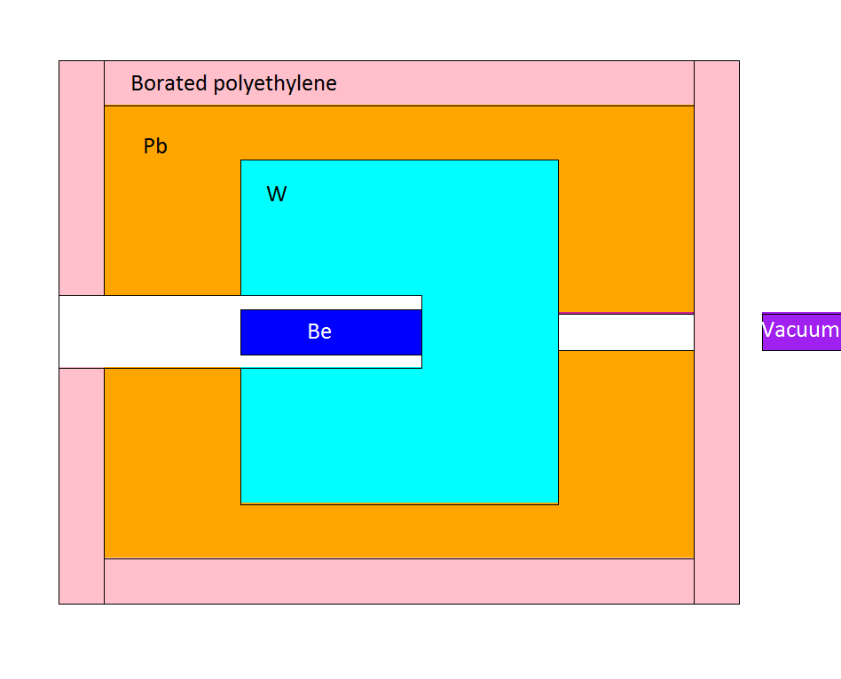

Side view:
(vertical XS)

Neutron flux and doses |  |  |  | 2e8 e-events
 |  |  |  |  |  |  |  |  |  |  |  |  |  |  |  |  |  |  |  |  |  |  |  |  |  |  |  |  |  |  |  |  |  |  |  |  |  |  |  |  | Tally #1 - norm to #6 |  |  |  |  |  |  |  |  |  |  | Tally #1 - norm to #6
Tally: | Ø 7 cm, ΔL = 1 cm |  |  | Ø 7 cm, ΔL = 1 cm |  |  | Ø 7 cm, ΔL = 1 cm |  |  | Ø 7 cm, ΔL = 1 cm |  |  |  |  | Tally #1: | ΔE, MeV |  | N/(s cm2) | ± | ± ratio | N/(s cm2 MeV) | ± |  |  |  |  |  | Tally #6: | ΔE, MeV |  | N/(s cm2) | ± | ± ratio |  |  |  |  |  |  |  | N/(s cm2) | ± | N/(s cm2 MeV) | ± |  |  |  |  |  |  |  | N/(s cm2 MeV) | ±
1 |  |  | 2 |  |  | 3 |  |  | 4
N flux in Tally #1, N/(s cm2)
N flux in Tally #6, N/(s cm2)
N/(s cm2) | ± ratio | ± | N/(s cm2) | ± ratio | ± | N/(s cm2) | ± ratio | ± | N/(s cm2) | ± ratio | ± |  |  |  |  | 0.00E+00 | 1.00E-09 | 0.000E+00 | 0.000E+00 | 0 | 0.00E+00 | 0.00E+00 |  |  |  |  |  |  | 0.00E+00 | 1.00E-09 | 0.000E+00 | 0.000E+00 | 0 |  |  |  |  |  |  |  | 0.00E+00 | 0.00E+00 | 0.00E+00 | 0.00E+00 |  |  |  |  |  |  |  | 0.00E+00 | 0.00E+00
N flux in Tally #1, N/(s cm2 MeV)
N flux in Tally #6, N/(s cm2 MeV)
2.83E+03 | 0.2673 | 7.56E+02 | 0.00E+00 | 0 | 0.00E+00 | 1.21E+03 | 0.4082 | 4.95E+02 | 2.02E+02 | 1 | 2.02E+02 |  |  |  |  | 1.00E-09 | 1.00E-08 | 0.000E+00 | 0.000E+00 | 0 | 0.00E+00 | 0.00E+00 |  |  |  |  |  |  | 1.00E-09 | 1.00E-08 | 0.000E+00 | 0.000E+00 | 0 |  |  |  |  |  |  |  | 0.00E+00 | 0.00E+00 | 0.00E+00 | 0.00E+00 |  |  |  |  |  |  |  | 0.00E+00 | 0.00E+00
 |  |  |  |  |  |  |  |  |  |  |  |  |  |  |  | 1.00E-08 | 2.50E-08 | 0.000E+00 | 0.000E+00 | 0 | 0.00E+00 | 0.00E+00 |  |  |  |  |  |  | 1.00E-08 | 2.50E-08 | 0.000E+00 | 0.000E+00 | 0 |  |  |  |  |  |  |  | 0.00E+00 | 0.00E+00 | 0.00E+00 | 0.00E+00 |  |  |  |  |  |  |  | 0.00E+00 | 0.00E+00
 |  |  |  |  |  |  |  |  |  |  |  |  |  |  |  | 2.50E-08 | 1.00E-07 | 0.000E+00 | 0.000E+00 | 0 | 0.00E+00 | 0.00E+00 |  |  |  |  |  |  | 2.50E-08 | 1.00E-07 | 0.000E+00 | 0.000E+00 | 0 |  |  |  |  |  |  |  | 0.00E+00 | 0.00E+00 | 0.00E+00 | 0.00E+00 |  |  |  |  |  |  |  | 0.00E+00 | 0.00E+00
 | 3 × 3 m, ΔL = 1 cm |  |  | ΔL = 10 cm, OØ 8 cm, IØ 7 cm |  |  | 1 × 1 m, ΔL = 1 cm |  |  | 1 × 1 m, ΔL = 1 cm |  |  | 1 × 1 m, ΔL = 1 cm |  |  | 1.00E-07 | 2.00E-07 | 0.000E+00 | 0.000E+00 | 0 | 0.00E+00 | 0.00E+00 |  |  |  |  |  |  | 1.00E-07 | 2.00E-07 | 0.000E+00 | 0.000E+00 | 0 |  |  |  |  |  |  |  | 0.00E+00 | 0.00E+00 | 0.00E+00 | 0.00E+00 |  |  |  |  |  |  |  | 0.00E+00 | 0.00E+00
5 |  |  | 6 |  |  | 7 |  |  | 8 |  |  | 9 |  |  |  | 2.00E-07 | 5.00E-07 | 0.000E+00 | 0.000E+00 | 0 | 0.00E+00 | 0.00E+00 |  |  |  |  |  |  | 2.00E-07 | 5.00E-07 | 0.000E+00 | 0.000E+00 | 0 |  |  |  |  |  |  |  | 0.00E+00 | 0.00E+00 | 0.00E+00 | 0.00E+00 |  |  |  |  |  |  |  | 0.00E+00 | 0.00E+00
mrem/h | ± ratio | ± | N/(s cm2) | ± ratio | ± | mrem/h | ± ratio | ± | mrem/h | ± ratio | ± | mrem/h | ± ratio | ± |  | 5.00E-07 | 1.00E-06 | 0.000E+00 | 0.000E+00 | 0 | 0.00E+00 | 0.00E+00 |  |  |  |  |  |  | 5.00E-07 | 1.00E-06 | 0.000E+00 | 0.000E+00 | 0 |  |  |  |  |  |  |  | 0.00E+00 | 0.00E+00 | 0.00E+00 | 0.00E+00 |  |  |  |  |  |  |  | 0.00E+00 | 0.00E+00
3.18E-01 | 0.8313 | 2.64E-01 | 4.68E+02 | 0.5792 | 2.71E+02 | 0.00E+00 | 0 | 0.00E+00 | 0.00E+00 | 0 | 0.00E+00 | 0.00E+00 | 0 | 0.00E+00 |  | 1.00E-06 | 2.00E-06 | 0.000E+00 | 0.000E+00 | 0 | 0.00E+00 | 0.00E+00 |  |  |  |  |  |  | 1.00E-06 | 2.00E-06 | 0.000E+00 | 0.000E+00 | 0 |  |  |  |  |  |  |  | 0.00E+00 | 0.00E+00 | 0.00E+00 | 0.00E+00 |  |  |  |  |  |  |  | 0.00E+00 | 0.00E+00
 |  |  |  |  |  |  |  |  |  |  |  |  |  |  |  | 2.00E-06 | 5.00E-06 | 0.000E+00 | 0.000E+00 | 0 | 0.00E+00 | 0.00E+00 |  |  |  |  |  |  | 2.00E-06 | 5.00E-06 | 0.000E+00 | 0.000E+00 | 0 |  |  |  |  |  |  |  | 0.00E+00 | 0.00E+00 | 0.00E+00 | 0.00E+00 |  |  |  |  |  |  |  | 0.00E+00 | 0.00E+00
 |  |  |  |  |  |  |  |  |  |  |  |  |  |  |  | 5.00E-06 | 1.00E-05 | 0.000E+00 | 0.000E+00 | 0 | 0.00E+00 | 0.00E+00 |  |  |  |  |  |  | 5.00E-06 | 1.00E-05 | 0.000E+00 | 0.000E+00 | 0 |  |  |  |  |  |  |  | 0.00E+00 | 0.00E+00 | 0.00E+00 | 0.00E+00 |  |  |  |  |  |  |  | 0.00E+00 | 0.00E+00
 |  |  |  |  |  |  |  |  |  |  |  |  |  |  |  | 1.00E-05 | 2.00E-05 | 0.000E+00 | 0.000E+00 | 0 | 0.00E+00 | 0.00E+00 |  |  |  |  |  |  | 1.00E-05 | 2.00E-05 | 0.000E+00 | 0.000E+00 | 0 |  |  |  |  |  |  |  | 0.00E+00 | 0.00E+00 | 0.00E+00 | 0.00E+00 |  |  |  |  |  |  |  | 0.00E+00 | 0.00E+00
 |  |  |  |  |  |  |  |  |  |  |  |  |  |  |  | 2.00E-05 | 5.00E-05 | 0.000E+00 | 0.000E+00 | 0 | 0.00E+00 | 0.00E+00 |  |  |  |  |  |  | 2.00E-05 | 5.00E-05 | 0.000E+00 | 0.000E+00 | 0 |  |  |  |  |  |  |  | 0.00E+00 | 0.00E+00 | 0.00E+00 | 0.00E+00 |  |  |  |  |  |  |  | 0.00E+00 | 0.00E+00
 |  |  |  |  |  |  |  |  |  |  |  |  |  |  |  | 5.00E-05 | 1.00E-04 | 0.000E+00 | 0.000E+00 | 0 | 0.00E+00 | 0.00E+00 |  |  |  |  |  |  | 5.00E-05 | 1.00E-04 | 0.000E+00 | 0.000E+00 | 0 |  |  |  |  |  |  |  | 0.00E+00 | 0.00E+00 | 0.00E+00 | 0.00E+00 |  |  |  |  |  |  |  | 0.00E+00 | 0.00E+00
 |  |  |  |  |  |  |  |  |  |  |  |  |  |  |  | 1.00E-04 | 2.00E-04 | 0.000E+00 | 0.000E+00 | 0 | 0.00E+00 | 0.00E+00 |  |  |  |  |  |  | 1.00E-04 | 2.00E-04 | 0.000E+00 | 0.000E+00 | 0 |  |  |  |  |  |  |  | 0.00E+00 | 0.00E+00 | 0.00E+00 | 0.00E+00 |  |  |  |  |  |  |  | 0.00E+00 | 0.00E+00
 |  |  |  |  |  |  |  |  |  |  |  |  |  |  |  | 2.00E-04 | 5.00E-04 | 0.000E+00 | 0.000E+00 | 0 | 0.00E+00 | 0.00E+00 |  |  |  |  |  |  | 2.00E-04 | 5.00E-04 | 0.000E+00 | 0.000E+00 | 0 |  |  |  |  |  |  |  | 0.00E+00 | 0.00E+00 | 0.00E+00 | 0.00E+00 |  |  |  |  |  |  |  | 0.00E+00 | 0.00E+00
 |  |  |  |  |  |  |  |  |  |  |  |  |  |  |  | 5.00E-04 | 1.00E-03 | 0.000E+00 | 0.000E+00 | 0 | 0.00E+00 | 0.00E+00 |  |  |  |  |  |  | 5.00E-04 | 1.00E-03 | 0.000E+00 | 0.000E+00 | 0 |  |  |  |  |  |  |  | 0.00E+00 | 0.00E+00 | 0.00E+00 | 0.00E+00 |  |  |  |  |  |  |  | 0.00E+00 | 0.00E+00
 |  |  |  |  |  |  |  |  |  |  |  |  |  |  |  | 1.00E-03 | 2.00E-03 | 0.000E+00 | 0.000E+00 | 0 | 0.00E+00 | 0.00E+00 |  |  |  |  |  |  | 1.00E-03 | 2.00E-03 | 0.000E+00 | 0.000E+00 | 0 |  |  |  |  |  |  |  | 0.00E+00 | 0.00E+00 | 0.00E+00 | 0.00E+00 |  |  |  |  |  |  |  | 0.00E+00 | 0.00E+00
 |  |  |  |  |  |  |  |  |  |  |  |  |  |  |  | 2.00E-03 | 5.00E-03 | 0.000E+00 | 0.000E+00 | 0 | 0.00E+00 | 0.00E+00 |  |  |  |  |  |  | 2.00E-03 | 5.00E-03 | 0.000E+00 | 0.000E+00 | 0 |  |  |  |  |  |  |  | 0.00E+00 | 0.00E+00 | 0.00E+00 | 0.00E+00 |  |  |  |  |  |  |  | 0.00E+00 | 0.00E+00
 |  |  |  |  |  |  |  |  |  |  |  |  |  |  |  | 5.00E-03 | 1.00E-02 | 0.000E+00 | 0.000E+00 | 0 | 0.00E+00 | 0.00E+00 |  |  |  |  |  |  | 5.00E-03 | 1.00E-02 | 0.000E+00 | 0.000E+00 | 0 |  |  |  |  |  |  |  | 0.00E+00 | 0.00E+00 | 0.00E+00 | 0.00E+00 |  |  |  |  |  |  |  | 0.00E+00 | 0.00E+00
N flux in Tally #1, norm to #6, N/(s cm2)
N flux in Tally #1, norm to #6, N/(s cm2 MeV)
Side view: |  |  |  |  |  |  |  |  |  |  |  |  |  |  |  | 1.00E-02 | 2.00E-02 | 0.000E+00 | 0.000E+00 | 0 | 0.00E+00 | 0.00E+00 |  |  |  |  |  |  | 1.00E-02 | 2.00E-02 | 0.000E+00 | 0.000E+00 | 0 |  |  |  |  |  |  |  | 0.00E+00 | 0.00E+00 | 0.00E+00 | 0.00E+00 |  |  |  |  |  |  |  | 0.00E+00 | 0.00E+00
(vertical XS) |  |  |  |  |  |  |  |  |  |  |  |  |  |  |  | 2.00E-02 | 3.00E-02 | 0.000E+00 | 0.000E+00 | 0 | 0.00E+00 | 0.00E+00 |  |  |  |  |  |  | 2.00E-02 | 3.00E-02 | 0.000E+00 | 0.000E+00 | 0 |  |  |  |  |  |  |  | 0.00E+00 | 0.00E+00 | 0.00E+00 | 0.00E+00 |  |  |  |  |  |  |  | 0.00E+00 | 0.00E+00
 |  |  |  |  |  |  |  |  |  |  |  |  |  |  |  | 3.00E-02 | 5.00E-02 | 0.000E+00 | 0.000E+00 | 0 | 0.00E+00 | 0.00E+00 |  |  |  |  |  |  | 3.00E-02 | 5.00E-02 | 0.000E+00 | 0.000E+00 | 0 |  |  |  |  |  |  |  | 0.00E+00 | 0.00E+00 | 0.00E+00 | 0.00E+00 |  |  |  |  |  |  |  | 0.00E+00 | 0.00E+00
 |  |  |  |  |  |  |  |  |  |  |  |  |  |  |  | 5.00E-02 | 7.00E-02 | 0.000E+00 | 0.000E+00 | 0 | 0.00E+00 | 0.00E+00 |  |  |  |  |  |  | 5.00E-02 | 7.00E-02 | 0.000E+00 | 0.000E+00 | 0 |  |  |  |  |  |  |  | 0.00E+00 | 0.00E+00 | 0.00E+00 | 0.00E+00 |  |  |  |  |  |  |  | 0.00E+00 | 0.00E+00
 |  |  |  |  |  |  |  |  |  |  |  |  |  |  |  | 7.00E-02 | 1.00E-01 | 0.000E+00 | 0.000E+00 | 0 | 0.00E+00 | 0.00E+00 |  |  |  |  |  |  | 7.00E-02 | 1.00E-01 | 0.000E+00 | 0.000E+00 | 0 |  |  |  |  |  |  |  | 0.00E+00 | 0.00E+00 | 0.00E+00 | 0.00E+00 |  |  |  |  |  |  |  | 0.00E+00 | 0.00E+00
 |  |  |  |  |  |  |  |  |  |  |  |  |  |  |  | 1.00E-01 | 1.50E-01 | 0.000E+00 | 0.000E+00 | 0 | 0.00E+00 | 0.00E+00 |  |  |  |  |  |  | 1.00E-01 | 1.50E-01 | 0.000E+00 | 0.000E+00 | 0 |  |  |  |  |  |  |  | 0.00E+00 | 0.00E+00 | 0.00E+00 | 0.00E+00 |  |  |  |  |  |  |  | 0.00E+00 | 0.00E+00
 |  |  |  |  |  |  |  |  |  |  |  |  |  |  |  | 1.50E-01 | 2.00E-01 | 0.000E+00 | 0.000E+00 | 0 | 0.00E+00 | 0.00E+00 |  |  |  |  |  |  | 1.50E-01 | 2.00E-01 | 0.000E+00 | 0.000E+00 | 0 |  |  |  |  |  |  |  | 0.00E+00 | 0.00E+00 | 0.00E+00 | 0.00E+00 |  |  |  |  |  |  |  | 0.00E+00 | 0.00E+00
 |  |  |  |  |  |  |  |  |  |  |  |  |  |  |  | 2.00E-01 | 3.00E-01 | 0.000E+00 | 0.000E+00 | 0 | 0.00E+00 | 0.00E+00 |  |  |  |  |  |  | 2.00E-01 | 3.00E-01 | 0.000E+00 | 0.000E+00 | 0 |  |  |  |  |  |  |  | 0.00E+00 | 0.00E+00 | 0.00E+00 | 0.00E+00 |  |  |  |  |  |  |  | 0.00E+00 | 0.00E+00
 |  |  |  |  |  |  |  |  |  |  |  |  |  |  |  | 3.00E-01 | 5.00E-01 | 0.000E+00 | 0.000E+00 | 0 | 0.00E+00 | 0.00E+00 |  |  |  |  |  |  | 3.00E-01 | 5.00E-01 | 0.000E+00 | 0.000E+00 | 0 |  |  |  |  |  |  |  | 0.00E+00 | 0.00E+00 | 0.00E+00 | 0.00E+00 |  |  |  |  |  |  |  | 0.00E+00 | 0.00E+00
 |  |  |  |  |  |  |  |  |  |  |  |  |  |  |  | 5.00E-01 | 7.00E-01 | 0.000E+00 | 0.000E+00 | 0 | 0.00E+00 | 0.00E+00 |  |  |  |  |  |  | 5.00E-01 | 7.00E-01 | 0.000E+00 | 0.000E+00 | 0 |  |  |  |  |  |  |  | 0.00E+00 | 0.00E+00 | 0.00E+00 | 0.00E+00 |  |  |  |  |  |  |  | 0.00E+00 | 0.00E+00
 |  |  |  |  |  |  |  |  |  |  |  |  |  |  |  | 7.00E-01 | 9.00E-01 | 0.000E+00 | 0.000E+00 | 0 | 0.00E+00 | 0.00E+00 |  |  |  |  |  |  | 7.00E-01 | 9.00E-01 | 0.000E+00 | 0.000E+00 | 0 |  |  |  |  |  |  |  | 0.00E+00 | 0.00E+00 | 0.00E+00 | 0.00E+00 |  |  |  |  |  |  |  | 0.00E+00 | 0.00E+00
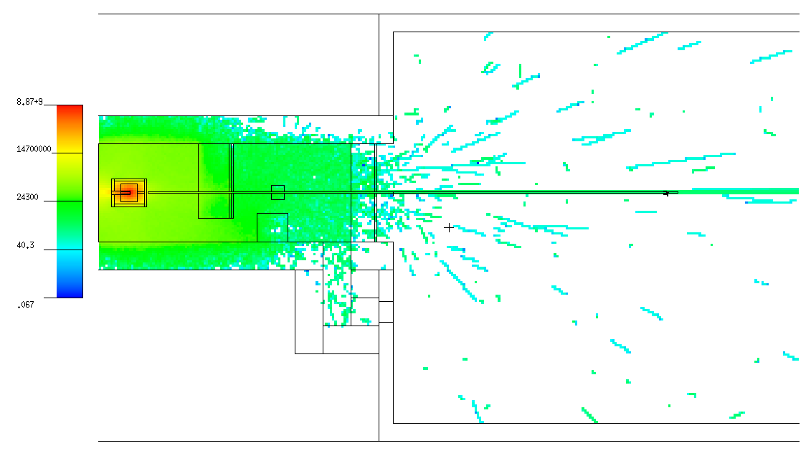
 |  |  |  |  |  |  |  |  |  |  |  |  |  |  |  | 9.00E-01 | 1.00E+00 | 0.000E+00 | 0.000E+00 | 0 | 0.00E+00 | 0.00E+00 |  |  |  |  |  |  | 9.00E-01 | 1.00E+00 | 0.000E+00 | 0.000E+00 | 0 |  |  |  |  |  |  |  | 0.00E+00 | 0.00E+00 | 0.00E+00 | 0.00E+00 |  |  |  |  |  |  |  | 0.00E+00 | 0.00E+00
 |  |  |  |  |  |  |  |  |  |  |  |  |  |  |  | 1.00E+00 | 1.20E+00 | 0.000E+00 | 0.000E+00 | 0 | 0.00E+00 | 0.00E+00 |  |  |  |  |  |  | 1.00E+00 | 1.20E+00 | 0.000E+00 | 0.000E+00 | 0 |  |  |  |  |  |  |  | 0.00E+00 | 0.00E+00 | 0.00E+00 | 0.00E+00 |  |  |  |  |  |  |  | 0.00E+00 | 0.00E+00
 |  |  |  |  |  |  |  |  |  |  |  |  |  |  |  | 1.20E+00 | 2.00E+00 | 0.000E+00 | 0.000E+00 | 0 | 0.00E+00 | 0.00E+00 |  |  |  |  |  |  | 1.20E+00 | 2.00E+00 | 0.000E+00 | 0.000E+00 | 0 |  |  |  |  |  |  |  | 0.00E+00 | 0.00E+00 | 0.00E+00 | 0.00E+00 |  |  |  |  |  |  |  | 0.00E+00 | 0.00E+00
 |  |  |  |  |  |  |  |  |  |  |  |  |  |  |  | 2.00E+00 | 3.00E+00 | 0.000E+00 | 0.000E+00 | 0 | 0.00E+00 | 0.00E+00 |  |  |  |  |  |  | 2.00E+00 | 3.00E+00 | 0.000E+00 | 0.000E+00 | 0 |  |  |  |  |  |  |  | 0.00E+00 | 0.00E+00 | 0.00E+00 | 0.00E+00 |  |  |  |  |  |  |  | 0.00E+00 | 0.00E+00
 |  |  |  |  |  |  |  |  |  |  |  |  |  |  |  | 3.00E+00 | 4.00E+00 | 0.000E+00 | 0.000E+00 | 0 | 0.00E+00 | 0.00E+00 |  |  |  |  |  |  | 3.00E+00 | 4.00E+00 | 0.000E+00 | 0.000E+00 | 0 |  |  |  |  |  |  |  | 0.00E+00 | 0.00E+00 | 0.00E+00 | 0.00E+00 |  |  |  |  |  |  |  | 0.00E+00 | 0.00E+00
 |  |  |  |  |  |  |  |  |  |  |  |  |  |  |  | 4.00E+00 | 5.00E+00 | 0.000E+00 | 0.000E+00 | 0 | 0.00E+00 | 0.00E+00 |  |  |  |  |  |  | 4.00E+00 | 5.00E+00 | 0.000E+00 | 0.000E+00 | 0 |  |  |  |  |  |  |  | 0.00E+00 | 0.00E+00 | 0.00E+00 | 0.00E+00 |  |  |  |  |  |  |  | 0.00E+00 | 0.00E+00
 |  |  |  |  |  |  |  |  |  |  |  |  |  |  |  | 5.00E+00 | 6.00E+00 | 0.000E+00 | 0.000E+00 | 0 | 0.00E+00 | 0.00E+00 |  |  |  |  |  |  | 5.00E+00 | 6.00E+00 | 0.000E+00 | 0.000E+00 | 0 |  |  |  |  |  |  |  | 0.00E+00 | 0.00E+00 | 0.00E+00 | 0.00E+00 |  |  |  |  |  |  |  | 0.00E+00 | 0.00E+00
 |  |  |  |  |  |  |  |  |  |  |  |  |  |  |  | 6.00E+00 | 7.00E+00 | 0.000E+00 | 0.000E+00 | 0 | 0.00E+00 | 0.00E+00 |  |  |  |  |  |  | 6.00E+00 | 7.00E+00 | 0.000E+00 | 0.000E+00 | 0 |  |  |  |  |  |  |  | 0.00E+00 | 0.00E+00 | 0.00E+00 | 0.00E+00 |  |  |  |  |  |  |  | 0.00E+00 | 0.00E+00
 |  |  |  |  |  |  |  |  |  |  |  |  |  |  |  | 7.00E+00 | 8.00E+00 | 0.000E+00 | 0.000E+00 | 0 | 0.00E+00 | 0.00E+00 |  |  |  |  |  |  | 7.00E+00 | 8.00E+00 | 0.000E+00 | 0.000E+00 | 0 |  |  |  |  |  |  |  | 0.00E+00 | 0.00E+00 | 0.00E+00 | 0.00E+00 |  |  |  |  |  |  |  | 0.00E+00 | 0.00E+00
 |  |  |  |  |  |  |  |  |  |  |  |  |  |  |  | 8.00E+00 | 9.00E+00 | 0.000E+00 | 0.000E+00 | 0 | 0.00E+00 | 0.00E+00 |  |  |  |  |  |  | 8.00E+00 | 9.00E+00 | 0.000E+00 | 0.000E+00 | 0 |  |  |  |  |  |  |  | 0.00E+00 | 0.00E+00 | 0.00E+00 | 0.00E+00 |  |  |  |  |  |  |  | 0.00E+00 | 0.00E+00
 |  |  |  |  |  |  |  |  |  |  |  |  |  |  |  | 9.00E+00 | 1.00E+01 | 0.000E+00 | 0.000E+00 | 0 | 0.00E+00 | 0.00E+00 |  |  |  |  |  |  | 9.00E+00 | 1.00E+01 | 0.000E+00 | 0.000E+00 | 0 |  |  |  |  |  |  |  | 0.00E+00 | 0.00E+00 | 0.00E+00 | 0.00E+00 |  |  |  |  |  |  |  | 0.00E+00 | 0.00E+00
Top view: |  |  |  |  |  |  |  |  |  |  |  |  |  |  |  | 1.00E+01 | 1.20E+01 | 0.000E+00 | 0.000E+00 | 0 | 0.00E+00 | 0.00E+00 |  |  |  |  |  |  | 1.00E+01 | 1.20E+01 | 0.000E+00 | 0.000E+00 | 0 |  |  |  |  |  |  |  | 0.00E+00 | 0.00E+00 | 0.00E+00 | 0.00E+00 |  |  |  |  |  |  |  | 0.00E+00 | 0.00E+00
(horizontal XS) |  |  |  |  |  |  |  |  |  |  |  |  |  |  |  | 1.20E+01 | 1.40E+01 | 0.000E+00 | 0.000E+00 | 0 | 0.00E+00 | 0.00E+00 |  |  |  |  |  |  | 1.20E+01 | 1.40E+01 | 0.000E+00 | 0.000E+00 | 0 |  |  |  |  |  |  |  | 0.00E+00 | 0.00E+00 | 0.00E+00 | 0.00E+00 |  |  |  |  |  |  |  | 0.00E+00 | 0.00E+00
 |  |  |  |  |  |  |  |  |  |  |  |  |  |  |  | 1.40E+01 | 1.50E+01 | 0.000E+00 | 0.000E+00 | 0 | 0.00E+00 | 0.00E+00 |  |  |  |  |  |  | 1.40E+01 | 1.50E+01 | 0.000E+00 | 0.000E+00 | 0 |  |  |  |  |  |  |  | 0.00E+00 | 0.00E+00 | 0.00E+00 | 0.00E+00 |  |  |  |  |  |  |  | 0.00E+00 | 0.00E+00
 |  |  |  |  |  |  |  |  |  |  |  |  |  |  |  | 1.50E+01 | 1.60E+01 | 0.000E+00 | 0.000E+00 | 0 | 0.00E+00 | 0.00E+00 |  |  |  |  |  |  | 1.50E+01 | 1.60E+01 | 0.000E+00 | 0.000E+00 | 0 |  |  |  |  |  |  |  | 0.00E+00 | 0.00E+00 | 0.00E+00 | 0.00E+00 |  |  |  |  |  |  |  | 0.00E+00 | 0.00E+00
 |  |  |  |  |  |  |  |  |  |  |  |  |  |  |  | 1.60E+01 | 1.80E+01 | 0.000E+00 | 0.000E+00 | 0 | 0.00E+00 | 0.00E+00 |  |  |  |  |  |  | 1.60E+01 | 1.80E+01 | 0.000E+00 | 0.000E+00 | 0 |  |  |  |  |  |  |  | 0.00E+00 | 0.00E+00 | 0.00E+00 | 0.00E+00 |  |  |  |  |  |  |  | 0.00E+00 | 0.00E+00
 |  |  |  |  |  |  |  |  |  |  |  |  |  |  |  | 1.80E+01 | 2.00E+01 | 0.000E+00 | 0.000E+00 | 0 | 0.00E+00 | 0.00E+00 |  |  |  |  |  |  | 1.80E+01 | 2.00E+01 | 0.000E+00 | 0.000E+00 | 0 |  |  |  |  |  |  |  | 0.00E+00 | 0.00E+00 | 0.00E+00 | 0.00E+00 |  |  |  |  |  |  |  | 0.00E+00 | 0.00E+00
 |  |  |  |  |  |  |  |  |  |  |  |  |  |  |  | 2.00E+01 | 3.00E+01 | 0.000E+00 | 0.000E+00 | 0 | 0.00E+00 | 0.00E+00 |  |  |  |  |  |  | 2.00E+01 | 3.00E+01 | 0.000E+00 | 0.000E+00 | 0 |  |  |  |  |  |  |  | 0.00E+00 | 0.00E+00 | 0.00E+00 | 0.00E+00 |  |  |  |  |  |  |  | 0.00E+00 | 0.00E+00
 |  |  |  |  |  |  |  |  |  |  |  |  |  |  |  | 3.00E+01 | 5.00E+01 | 0.000E+00 | 0.000E+00 | 0 | 0.00E+00 | 0.00E+00 |  |  |  |  |  |  | 3.00E+01 | 5.00E+01 | 0.000E+00 | 0.000E+00 | 0 |  |  |  |  |  |  |  | 0.00E+00 | 0.00E+00 | 0.00E+00 | 0.00E+00 |  |  |  |  |  |  |  | 0.00E+00 | 0.00E+00
 |  |  |  |  |  |  |  |  |  |  |  |  |  |  |  | 5.00E+01 | 7.50E+01 | 0.000E+00 | 0.000E+00 | 0 | 0.00E+00 | 0.00E+00 |  |  |  |  |  |  | 5.00E+01 | 7.50E+01 | 0.000E+00 | 0.000E+00 | 0 |  |  |  |  |  |  |  | 0.00E+00 | 0.00E+00 | 0.00E+00 | 0.00E+00 |  |  |  |  |  |  |  | 0.00E+00 | 0.00E+00
 |  |  |  |  |  |  |  |  |  |  |  |  |  |  |  | 7.50E+01 | 1.00E+02 | 0.000E+00 | 0.000E+00 | 0 | 0.00E+00 | 0.00E+00 |  |  |  |  |  |  | 7.50E+01 | 1.00E+02 | 0.000E+00 | 0.000E+00 | 0 |  |  |  |  |  |  |  | 0.00E+00 | 0.00E+00 | 0.00E+00 | 0.00E+00 |  |  |  |  |  |  |  | 0.00E+00 | 0.00E+00
 |  |  |  |  |  |  |  |  |  |  |  |  |  |  |  | 1.00E+02 | 1.30E+02 | 0.000E+00 | 0.000E+00 | 0 | 0.00E+00 | 0.00E+00 |  |  |  |  |  |  | 1.00E+02 | 1.30E+02 | 0.000E+00 | 0.000E+00 | 0 |  |  |  |  |  |  |  | 0.00E+00 | 0.00E+00 | 0.00E+00 | 0.00E+00 |  |  |  |  |  |  |  | 0.00E+00 | 0.00E+00
 |  |  |  |  |  |  |  |  |  |  |  |  |  |  |  | 1.30E+02 | 1.50E+02 | 2.020E+02 | 2.020E+02 | 1 | 1.01E+01 | 1.01E+01 |  |  |  |  |  |  | 1.30E+02 | 1.50E+02 | 0.000E+00 | 0.000E+00 | 0 |  |  |  |  |  |  |  | 3.35E+01 | 3.35E+01 | 0.00E+00 | 0.00E+00 |  |  |  |  |  |  |  | 1.67E+00 | 1.67E+00
 |  |  |  |  |  |  |  |  |  |  |  |  |  |  |  | 1.50E+02 | 1.80E+02 | 2.020E+02 | 2.020E+02 | 1 | 6.73E+00 | 6.73E+00 |  |  |  |  |  |  | 1.50E+02 | 1.80E+02 | 0.000E+00 | 0.000E+00 | 0 |  |  |  |  |  |  |  | 3.35E+01 | 3.35E+01 | 0.00E+00 | 0.00E+00 |  |  |  |  |  |  |  | 1.12E+00 | 1.12E+00
 |  |  |  |  |  |  |  |  |  |  |  |  |  |  |  | 1.80E+02 | 2.20E+02 | 2.020E+02 | 2.020E+02 | 1 | 5.05E+00 | 5.05E+00 |  |  |  |  |  |  | 1.80E+02 | 2.20E+02 | 0.000E+00 | 0.000E+00 | 0 |  |  |  |  |  |  |  | 3.35E+01 | 3.35E+01 | 0.00E+00 | 0.00E+00 |  |  |  |  |  |  |  | 8.36E-01 | 8.36E-01
 |  |  |  |  |  |  |  |  |  |  |  |  |  |  |  | 2.20E+02 | 5.00E+02 | 1.212E+03 | 4.946E+02 | 0.4082 | 4.33E+00 | 1.77E+00 |  |  |  |  |  |  | 2.20E+02 | 5.00E+02 | 1.386E+02 | 1.386E+02 | 1 |  |  |  |  |  |  |  | 2.01E+02 | 8.19E+01 | 4.95E-01 | 4.95E-01 |  |  |  |  |  |  |  | 7.17E-01 | 2.93E-01
 |  |  |  |  |  |  |  |  |  |  |  |  |  |  |  | 5.00E+02 | 1.00E+03 | 8.078E+02 | 4.039E+02 | 0.5 | 1.62E+00 | 8.08E-01 |  |  |  |  |  |  | 5.00E+02 | 1.00E+03 | 1.649E+02 | 1.649E+02 | 1 |  |  |  |  |  |  |  | 1.34E+02 | 6.69E+01 | 3.30E-01 | 3.30E-01 |  |  |  |  |  |  |  | 2.68E-01 | 1.34E-01
 |  |  |  |  |  |  |  |  |  |  |  |  |  |  |  | 1.00E+03 | 2.00E+03 | 0.000E+00 | 0.000E+00 | 0 | 0.00E+00 | 0.00E+00 |  |  |  |  |  |  | 1.00E+03 | 2.00E+03 | 0.000E+00 | 0.000E+00 | 0 |  |  |  |  |  |  |  | 0.00E+00 | 0.00E+00 | 0.00E+00 | 0.00E+00 |  |  |  |  |  |  |  | 0.00E+00 | 0.00E+00
 |  |  |  |  |  |  |  |  |  |  |  |  |  |  |  | 2.00E+03 | 5.00E+03 | 0.000E+00 | 0.000E+00 | 0 | 0.00E+00 | 0.00E+00 |  |  |  |  |  |  | 2.00E+03 | 5.00E+03 | 1.649E+02 | 1.649E+02 | 1 |  |  |  |  |  |  |  | 0.00E+00 | 0.00E+00 | 5.50E-02 | 5.50E-02 |  |  |  |  |  |  |  | 0.00E+00 | 0.00E+00
 |  |  |  |  |  |  |  |  |  |  |  |  |  |  |  | 5.00E+03 | 8.00E+03 | 2.020E+02 | 2.020E+02 | 1 | 6.73E-02 | 6.73E-02 |  |  |  |  |  |  | 5.00E+03 | 8.00E+03 | 0.000E+00 | 0.000E+00 | 0 |  |  |  |  |  |  |  | 3.35E+01 | 3.35E+01 | 0.00E+00 | 0.00E+00 |  |  |  |  |  |  |  | 1.12E-02 | 1.12E-02

 |  |  |  |  |  |  |  |  |  |  |  |  |  |  |  |  | Σ = | 2.827E+03 |  |  |  |  |  |  |  |  |  |  |  | Σ = | 4.684E+02 |  |  |  |  |  |  |  |  | Σ = | 4.684E+02

Gamma flux and doses |  |  |  | 0e8 e-events

Tally: | Ø 7 cm, ΔL = 1 cm |  |  | Ø 7 cm, ΔL = 1 cm |  |  | Ø 7 cm, ΔL = 1 cm |  |  | Ø 7 cm, ΔL = 1 cm |  |  |  |  | Tally #1: | ΔE, MeV |  | G/(s cm2) | ± | ± ratio | ΔE, MeV |  | G/(s cm2) | ± | ± ratio | G/(s cm2 MeV) | ±
1 |  |  | 2 |  |  | 3 |  |  | 4
G/(s cm2) | ± ratio | ± | G/(s cm2) | ± ratio | ± | G/(s cm2) | ± ratio | ± | G/(s cm2) | ± ratio | ± |  |  |  |  | 0.00E+00 | 1.00E-02 | 0.000E+00 | 0.000E+00 | 0 | 0.00E+00 | 1.00E-02 | 0.000E+00 | 0.000E+00 | 0 | 0.00E+00 | 0.00E+00
G flux in Tally #1
G flux in Tally #1
0.00E+00 | 0 | 0.00E+00 | 0.00E+00 | 0 | 0.00E+00 | 0.00E+00 | 0 | 0.00E+00 | 0.00E+00 | 0 | 0.00E+00 |  |  |  |  | 1.00E-02 | 1.50E-02 | 0.000E+00 | 0.000E+00 | 0 | 1.00E-02 | 1.50E-02 | 0.000E+00 | 0.000E+00 | 0 | 0.00E+00 | 0.00E+00
 |  |  |  |  |  |  |  |  |  |  |  |  |  |  |  | 1.50E-02 | 2.00E-02 | 0.000E+00 | 0.000E+00 | 0 | 1.50E-02 | 2.00E-02 | 0.000E+00 | 0.000E+00 | 0 | 0.00E+00 | 0.00E+00
 |  |  |  |  |  |  |  |  |  |  |  |  |  |  |  | 2.00E-02 | 3.00E-02 | 0.000E+00 | 0.000E+00 | 0 | 2.00E-02 | 3.00E-02 | 0.000E+00 | 0.000E+00 | 0 | 0.00E+00 | 0.00E+00
 | 3 × 3 m, ΔL = 1 cm |  |  | ΔL = 10 cm, OØ 8 cm, IØ 7 cm |  |  | 1 × 1 m, ΔL = 1 cm |  |  | 1 × 1 m, ΔL = 1 cm |  |  | 1 × 1 m, ΔL = 1 cm |  |  | 3.00E-02 | 4.00E-02 | 0.000E+00 | 0.000E+00 | 0 | 3.00E-02 | 4.00E-02 | 0.000E+00 | 0.000E+00 | 0 | 0.00E+00 | 0.00E+00
5 |  |  | 6 |  |  | 7 |  |  | 8 |  |  | 9 |  |  |  | 4.00E-02 | 5.00E-02 | 0.000E+00 | 0.000E+00 | 0 | 4.00E-02 | 5.00E-02 | 0.000E+00 | 0.000E+00 | 0 | 0.00E+00 | 0.00E+00
mrem/h | ± ratio | ± | G/(s cm2) | ± ratio | ± | mrem/h | ± ratio | ± | mrem/h | ± ratio | ± | mrem/h | ± ratio | ± |  | 5.00E-02 | 6.00E-02 | 0.000E+00 | 0.000E+00 | 0 | 5.00E-02 | 6.00E-02 | 0.000E+00 | 0.000E+00 | 0 | 0.00E+00 | 0.00E+00
0.00E+00 | 0 | 0.00E+00 | 0.00E+00 | 0 | 0.00E+00 | 0.00E+00 | 0 | 0.00E+00 | 0.00E+00 | 0 | 0.00E+00 | 0.00E+00 | 0 | 0.00E+00 |  | 6.00E-02 | 7.00E-02 | 0.000E+00 | 0.000E+00 | 0 | 6.00E-02 | 7.00E-02 | 0.000E+00 | 0.000E+00 | 0 | 0.00E+00 | 0.00E+00
 |  |  |  |  |  |  |  |  |  |  |  |  |  |  |  | 7.00E-02 | 8.00E-02 | 0.000E+00 | 0.000E+00 | 0 | 7.00E-02 | 8.00E-02 | 0.000E+00 | 0.000E+00 | 0 | 0.00E+00 | 0.00E+00
 |  |  |  |  |  |  |  |  |  |  |  |  |  |  |  | 8.00E-02 | 1.00E-01 | 0.000E+00 | 0.000E+00 | 0 | 8.00E-02 | 1.00E-01 | 0.000E+00 | 0.000E+00 | 0 | 0.00E+00 | 0.00E+00
 |  |  |  |  |  |  |  |  |  |  |  |  |  |  |  | 1.00E-01 | 1.50E-01 | 0.000E+00 | 0.000E+00 | 0 | 1.00E-01 | 1.50E-01 | 0.000E+00 | 0.000E+00 | 0 | 0.00E+00 | 0.00E+00

 |  |  |  |  |  |  |  |  |  |  |  |  |  |  |  | 1.50E-01 | 2.00E-01 | 0.000E+00 | 0.000E+00 | 0 | 1.50E-01 | 2.00E-01 | 0.000E+00 | 0.000E+00 | 0 | 0.00E+00 | 0.00E+00
 |  |  |  |  |  |  |  |  |  |  |  |  |  |  |  | 2.00E-01 | 3.00E-01 | 0.000E+00 | 0.000E+00 | 0 | 2.00E-01 | 3.00E-01 | 0.000E+00 | 0.000E+00 | 0 | 0.00E+00 | 0.00E+00
 |  |  |  |  |  |  |  |  |  |  |  |  |  |  |  | 3.00E-01 | 4.00E-01 | 0.000E+00 | 0.000E+00 | 0 | 3.00E-01 | 4.00E-01 | 0.000E+00 | 0.000E+00 | 0 | 0.00E+00 | 0.00E+00
 |  |  |  |  |  |  |  |  |  |  |  |  |  |  |  | 4.00E-01 | 5.00E-01 | 0.000E+00 | 0.000E+00 | 0 | 4.00E-01 | 5.00E-01 | 0.000E+00 | 0.000E+00 | 0 | 0.00E+00 | 0.00E+00
 |  |  |  |  |  |  |  |  |  |  |  |  |  |  |  | 5.00E-01 | 5.11E-01 | 0.000E+00 | 0.000E+00 | 0 | 5.00E-01 | 6.00E-01 | 0.000E+00 | 0.000E+00 | 0 | 0.00E+00 | 0.00E+00
 |  |  |  |  |  |  |  |  |  |  |  |  |  |  |  | 5.11E-01 | 6.00E-01 | 0.000E+00 | 0.000E+00 | 0 | 6.00E-01 | 8.00E-01 | 0.000E+00 | 0.000E+00 | 0 | 0.00E+00 | 0.00E+00
 |  |  |  |  |  |  |  |  |  |  |  |  |  |  |  | 6.00E-01 | 6.62E-01 | 0.000E+00 | 0.000E+00 | 0 | 8.00E-01 | 1.00E+00 | 0.000E+00 | 0.000E+00 | 0 | 0.00E+00 | 0.00E+00
 |  |  |  |  |  |  |  |  |  |  |  |  |  |  |  | 6.62E-01 | 8.00E-01 | 0.000E+00 | 0.000E+00 | 0 | 1.00E+00 | 1.50E+00 | 0.000E+00 | 0.000E+00 | 0 | 0.00E+00 | 0.00E+00
Side view: |  |  |  |  |  |  |  |  |  |  |  |  |  |  |  | 8.00E-01 | 1.00E+00 | 0.000E+00 | 0.000E+00 | 0 | 1.50E+00 | 2.00E+00 | 0.000E+00 | 0.000E+00 | 0 | 0.00E+00 | 0.00E+00
(vertical XS) |  |  |  |  |  |  |  |  |  |  |  |  |  |  |  | 1.00E+00 | 1.12E+00 | 0.000E+00 | 0.000E+00 | 0 | 2.00E+00 | 3.00E+00 | 0.000E+00 | 0.000E+00 | 0 | 0.00E+00 | 0.00E+00
 |  |  |  |  |  |  |  |  |  |  |  |  |  |  |  | 1.12E+00 | 1.33E+00 | 0.000E+00 | 0.000E+00 | 0 | 3.00E+00 | 4.00E+00 | 0.000E+00 | 0.000E+00 | 0 | 0.00E+00 | 0.00E+00
 |  |  |  |  |  |  |  |  |  |  |  |  |  |  |  | 1.33E+00 | 1.50E+00 | 0.000E+00 | 0.000E+00 | 0 | 4.00E+00 | 5.00E+00 | 0.000E+00 | 0.000E+00 | 0 | 0.00E+00 | 0.00E+00
 |  |  |  |  |  |  |  |  |  |  |  |  |  |  |  | 1.50E+00 | 2.00E+00 | 0.000E+00 | 0.000E+00 | 0 | 5.00E+00 | 6.00E+00 | 0.000E+00 | 0.000E+00 | 0 | 0.00E+00 | 0.00E+00
 |  |  |  |  |  |  |  |  |  |  |  |  |  |  |  | 2.00E+00 | 3.00E+00 | 0.000E+00 | 0.000E+00 | 0 | 6.00E+00 | 8.00E+00 | 0.000E+00 | 0.000E+00 | 0 | 0.00E+00 | 0.00E+00
 |  |  |  |  |  |  |  |  |  |  |  |  |  |  |  | 3.00E+00 | 4.00E+00 | 0.000E+00 | 0.000E+00 | 0 | 8.00E+00 | 1.00E+01 | 0.000E+00 | 0.000E+00 | 0 | 0.00E+00 | 0.00E+00
 |  |  |  |  |  |  |  |  |  |  |  |  |  |  |  | 4.00E+00 | 5.00E+00 | 0.000E+00 | 0.000E+00 | 0 | 1.00E+01 | 1.50E+01 | 0.000E+00 | 0.000E+00 | 0 | 0.00E+00 | 0.00E+00
 |  |  |  |  |  |  |  |  |  |  |  |  |  |  |  | 5.00E+00 | 6.00E+00 | 0.000E+00 | 0.000E+00 | 0 | 1.50E+01 | 2.00E+01 | 0.000E+00 | 0.000E+00 | 0 | 0.00E+00 | 0.00E+00
 |  |  |  |  |  |  |  |  |  |  |  |  |  |  |  | 6.00E+00 | 6.13E+00 | 0.000E+00 | 0.000E+00 | 0 | 2.00E+01 | 3.00E+01 | 0.000E+00 | 0.000E+00 | 0 | 0.00E+00 | 0.00E+00
 |  |  |  |  |  |  |  |  |  |  |  |  |  |  |  | 6.13E+00 | 8.00E+00 | 0.000E+00 | 0.000E+00 | 0 | 3.00E+01 | 4.00E+01 | 0.000E+00 | 0.000E+00 | 0 | 0.00E+00 | 0.00E+00
 |  |  |  |  |  |  |  |  |  |  |  |  |  |  |  | 8.00E+00 | 1.00E+01 | 0.000E+00 | 0.000E+00 | 0 | 4.00E+01 | 5.00E+01 | 0.000E+00 | 0.000E+00 | 0 | 0.00E+00 | 0.00E+00
 |  |  |  |  |  |  |  |  |  |  |  |  |  |  |  | 1.00E+01 | 1.50E+01 | 0.000E+00 | 0.000E+00 | 0 | 5.00E+01 | 6.00E+01 | 0.000E+00 | 0.000E+00 | 0 | 0.00E+00 | 0.00E+00
 |  |  |  |  |  |  |  |  |  |  |  |  |  |  |  | 1.50E+01 | 2.00E+01 | 0.000E+00 | 0.000E+00 | 0 | 6.00E+01 | 8.00E+01 | 0.000E+00 | 0.000E+00 | 0 | 0.00E+00 | 0.00E+00
 |  |  |  |  |  |  |  |  |  |  |  |  |  |  |  | 2.00E+01 | 3.00E+01 | 0.000E+00 | 0.000E+00 | 0 | 8.00E+01 | 1.00E+02 | 0.000E+00 | 0.000E+00 | 0 | 0.00E+00 | 0.00E+00
 |  |  |  |  |  |  |  |  |  |  |  |  |  |  |  | 3.00E+01 | 4.00E+01 | 0.000E+00 | 0.000E+00 | 0 | 1.00E+02 | 1.50E+02 | 0.000E+00 | 0.000E+00 | 0 | 0.00E+00 | 0.00E+00
 |  |  |  |  |  |  |  |  |  |  |  |  |  |  |  | 4.00E+01 | 5.00E+01 | 0.000E+00 | 0.000E+00 | 0 | 1.50E+02 | 2.00E+02 | 0.000E+00 | 0.000E+00 | 0 | 0.00E+00 | 0.00E+00
 |  |  |  |  |  |  |  |  |  |  |  |  |  |  |  | 5.00E+01 | 6.00E+01 | 0.000E+00 | 0.000E+00 | 0 | 2.00E+02 | 3.00E+02 | 0.000E+00 | 0.000E+00 | 0 | 0.00E+00 | 0.00E+00
Top view: |  |  |  |  |  |  |  |  |  |  |  |  |  |  |  | 6.00E+01 | 8.00E+01 | 0.000E+00 | 0.000E+00 | 0 | 3.00E+02 | 4.00E+02 | 0.000E+00 | 0.000E+00 | 0 | 0.00E+00 | 0.00E+00
(horizontal XS) |  |  |  |  |  |  |  |  |  |  |  |  |  |  |  | 8.00E+01 | 1.00E+02 | 0.000E+00 | 0.000E+00 | 0 | 4.00E+02 | 5.00E+02 | 0.000E+00 | 0.000E+00 | 0 | 0.00E+00 | 0.00E+00
 |  |  |  |  |  |  |  |  |  |  |  |  |  |  |  | 1.00E+02 | 1.50E+02 | 0.000E+00 | 0.000E+00 | 0 | 5.00E+02 | 6.00E+02 | 0.000E+00 | 0.000E+00 | 0 | 0.00E+00 | 0.00E+00
 |  |  |  |  |  |  |  |  |  |  |  |  |  |  |  | 1.50E+02 | 2.00E+02 | 0.000E+00 | 0.000E+00 | 0 | 6.00E+02 | 8.00E+02 | 0.000E+00 | 0.000E+00 | 0 | 0.00E+00 | 0.00E+00
 |  |  |  |  |  |  |  |  |  |  |  |  |  |  |  | 2.00E+02 | 3.00E+02 | 0.000E+00 | 0.000E+00 | 0 | 8.00E+02 | 1.00E+03 | 0.000E+00 | 0.000E+00 | 0 | 0.00E+00 | 0.00E+00
 |  |  |  |  |  |  |  |  |  |  |  |  |  |  |  | 3.00E+02 | 4.00E+02 | 0.000E+00 | 0.000E+00 | 0 | 1.00E+03 | 1.50E+03 | 0.000E+00 | 0.000E+00 | 0 | 0.00E+00 | 0.00E+00
 |  |  |  |  |  |  |  |  |  |  |  |  |  |  |  | 4.00E+02 | 5.00E+02 | 0.000E+00 | 0.000E+00 | 0 | 1.50E+03 | 2.00E+03 | 0.000E+00 | 0.000E+00 | 0 | 0.00E+00 | 0.00E+00
 |  |  |  |  |  |  |  |  |  |  |  |  |  |  |  | 5.00E+02 | 6.00E+02 | 0.000E+00 | 0.000E+00 | 0 | 2.00E+03 | 3.00E+03 | 0.000E+00 | 0.000E+00 | 0 | 0.00E+00 | 0.00E+00
 |  |  |  |  |  |  |  |  |  |  |  |  |  |  |  | 6.00E+02 | 8.00E+02 | 0.000E+00 | 0.000E+00 | 0 | 3.00E+03 | 4.00E+03 | 0.000E+00 | 0.000E+00 | 0 | 0.00E+00 | 0.00E+00
 |  |  |  |  |  |  |  |  |  |  |  |  |  |  |  | 8.00E+02 | 1.00E+03 | 0.000E+00 | 0.000E+00 | 0 | 4.00E+03 | 5.00E+03 | 0.000E+00 | 0.000E+00 | 0 | 0.00E+00 | 0.00E+00
 |  |  |  |  |  |  |  |  |  |  |  |  |  |  |  | 1.00E+03 | 1.50E+03 | 0.000E+00 | 0.000E+00 | 0 | 5.00E+03 | 6.00E+03 | 0.000E+00 | 0.000E+00 | 0 | 0.00E+00 | 0.00E+00
 |  |  |  |  |  |  |  |  |  |  |  |  |  |  |  | 1.50E+03 | 2.00E+03 | 0.000E+00 | 0.000E+00 | 0 | 6.00E+03 | 8.00E+03 | 0.000E+00 | 0.000E+00 | 0 | 0.00E+00 | 0.00E+00
 |  |  |  |  |  |  |  |  |  |  |  |  |  |  |  | 2.00E+03 | 3.00E+03 | 0.000E+00 | 0.000E+00 | 0 | 8.00E+03 | 1.00E+04 | 0.000E+00 | 0.000E+00 | 0 | 0.00E+00 | 0.00E+00
 |  |  |  |  |  |  |  |  |  |  |  |  |  |  |  | 3.00E+03 | 4.00E+03 | 0.000E+00 | 0.000E+00 | 0
 |  |  |  |  |  |  |  |  |  |  |  |  |  |  |  | 4.00E+03 | 5.00E+03 | 0.000E+00 | 0.000E+00 | 0 |  | Σ = | 0.000E+00
 |  |  |  |  |  |  |  |  |  |  |  |  |  |  |  | 5.00E+03 | 6.00E+03 | 0.000E+00 | 0.000E+00 | 0
 |  |  |  |  |  |  |  |  |  |  |  |  |  |  |  | 6.00E+03 | 8.00E+03 | 0.000E+00 | 0.000E+00 | 0
 |  |  |  |  |  |  |  |  |  |  |  |  |  |  |  | 8.00E+03 | 1.00E+04 | 0.000E+00 | 0.000E+00 | 0

 |  |  |  |  |  |  |  |  |  |  |  |  |  |  |  |  | Σ = | 0.000E+00

